STX2 _multivariate
Reported by Tex Li-Hsing Chi. tex@gate.sinica.edu.tw 2019-08-15

Table 2. The clinicopathological features of HNSCC cohort and STX2 expression. (Chi square test)
Cutoff at -0.364 (33.3%)
 |  | STX2 expression |  | STX2 expression |  | (Optimised)
 | Features | Low | (%) | High | (%) | Case no | P-value | Remark | Matthews
Gender | Female | 107 | 25.8 | 199 | 48 | 415 | 0.2612 | 0 | 0
2 | Male | 31 | 7.5 | 78 | 18.8
Age at diagnosis | <=65y | 92 | 22.2 | 182 | 43.9 | 415 | 0.9322 | 0 | 0
4 | >65y | 46 | 11.1 | 95 | 22.9
Clinical T Status | T1+T2 | 44 | 10.6 | 105 | 25.3 | 415 | 0.273 | 0 | 0
6 | T3+T4 | 94 | 22.7 | 172 | 41.4
Clinical N Status | N0 | 78 | 18.8 | 138 | 33.3 | 415 | 0.2367 | 0 | 0
8 | N1-3 | 60 | 14.5 | 139 | 33.5
Clinical M Status | M0 | 137 | 33 | 275 | 66.3 | 415 | 1 | 0 | 0
10 | M1 | 1 | 0.2 | 2 | 0.5
Clinical Stage | Stage I+II | 27 | 6.5 | 75 | 18.1 | 415 | 0.1204 | 0 | 0
12 | Stage III+IV | 111 | 26.7 | 202 | 48.7
Surgical Margin status | Negative | 114 | 27.5 | 204 | 49.2 | 415 | 0.0487 | 1 | 0
14 | Positive | 24 | 5.8 | 73 | 17.6
Tobacco Exposure | Low | 54 | 13 | 107 | 25.8 | 415 | 1 | 0 | 0
16 | High | 84 | 20.2 | 170 | 41

Table 3. Univariate/Multivariate Cox's proportional hazards regression analyses on OS time of STX2 gene expression in HNSCC

 |  | Univariate |  |  |  | Multivariate
 | Features | HR | CI95%(L) | CI95%(H) | P-value | HR | CI95%(L) | CI95%(H) | P-value
1 | Female | 1 |  |  |  | 1
Gender | Male | 1.157 | 0.843 | 1.587 | 0.367 | 1.198 | 0.857 | 1.673 | 0.29
11 | <=65y | 1 |  |  |  | 1
Age at diagnosis | >65y | 1.329 | 0.99 | 1.784 | 0.058 | 1.36 | 0.999 | 1.852 | 0.051
12 | T1+T2 | 1 |  |  |  | 1
Clinical T Status | T3+T4 | 1.409 | 1.028 | 1.931 | 0.033 | 2.192 | 1.159 | 4.145 | 0.016
13 | N0 | 1 |  |  |  | 1
Clinical N Status | N1-3 | 1.185 | 0.89 | 1.577 | 0.246 | 1.178 | 0.821 | 1.69 | 0.373
14 | M0 | 1 |  |  |  | 1
Clinical M Status | M1 | 4.097 | 1.009 | 16.644 | 0.049 | 9.655 | 2.105 | 44.282 | 0.004
15 | Stage I+II | 1 |  |  |  | 1
Clinical Stage | Stage III+IV | 1.245 | 0.882 | 1.759 | 0.213 | 0.536 | 0.249 | 1.155 | 0.112
16 | Negative | 1 |  |  |  | 1
Surgical Margin status | Positive | 1.591 | 1.155 | 2.191 | 0.004 | 1.621 | 1.172 | 2.244 | 0.004
17 | Low | 1 |  |  |  | 1
Tobacco Exposure | High | 1.364 | 1.008 | 1.844 | 0.044 | 1.451 | 1.054 | 1.999 | 0.023
18 | Low | 1 |  |  |  | 1
RNAseq(z-score) | High | 1.384 | 1.008 | 1.901 | 0.045 | 1.313 | 0.948 | 1.819 | 0.101

Table 4. Univariate/Multivariate Cox's proportional hazards regression analyses on RFS time of STX2 gene expression in HNSCC

 |  | Univariate |  |  |  | Multivariate
 | Features | HR | CI95%(L) | CI95%(H) | P-value | HR | CI95%(L) | CI95%(H) | P-value
1 | Female | 1 |  |  |  | 1
Gender | Male | 1.157 | 0.843 | 1.587 | 0.367 | 1.198 | 0.857 | 1.673 | 0.29
11 | <=65y | 1 |  |  |  | 1
Age at diagnosis | >65y | 1.329 | 0.99 | 1.784 | 0.058 | 1.36 | 0.999 | 1.852 | 0.051
12 | T1+T2 | 1 |  |  |  | 1
Clinical T Status | T3+T4 | 1.409 | 1.028 | 1.931 | 0.033 | 2.192 | 1.159 | 4.145 | 0.016
13 | N0 | 1 |  |  |  | 1
Clinical N Status | N1-3 | 1.185 | 0.89 | 1.577 | 0.246 | 1.178 | 0.821 | 1.69 | 0.373
14 | M0 | 1 |  |  |  | 1
Clinical M Status | M1 | 4.097 | 1.009 | 16.644 | 0.049 | 9.655 | 2.105 | 44.282 | 0.004
15 | Stage I+II | 1 |  |  |  | 1
Clinical Stage | Stage III+IV | 1.245 | 0.882 | 1.759 | 0.213 | 0.536 | 0.249 | 1.155 | 0.112
16 | Negative | 1 |  |  |  | 1
Surgical Margin status | Positive | 1.591 | 1.155 | 2.191 | 0.004 | 1.621 | 1.172 | 2.244 | 0.004
17 | Low | 1 |  |  |  | 1
Tobacco Exposure | High | 1.364 | 1.008 | 1.844 | 0.044 | 1.451 | 1.054 | 1.999 | 0.023
18 | Low | 1 |  |  |  | 1
RNAseq(z-score) | High | 1.384 | 1.008 | 1.901 | 0.045 | 1.313 | 0.948 | 1.819 | 0.101

Kaplan-Meier survival estimate: Cutoff at -0.364 (33.3%)



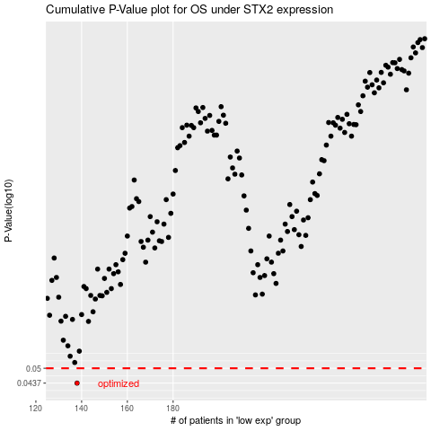

 |  |  |  |  |  | cases_OS | p_OS | rank | exp
 |  |  |  |  |  | 138 | 0.0437 | 97 | -0.36355143321
 |  |  |  |  |  |  | cases_RFS | p_RFS | rank | exp
 |  |  |  |  |  |  | 137 | 0.0437 | 83 | -0.37595883708

