STX3 _multivariate
Reported by Tex Li-Hsing Chi. tex@gate.sinica.edu.tw 2019-08-15

Table 2. The clinicopathological features of HNSCC cohort and STX3 expression. (Chi square test)
Cutoff at -0.131 (50.0%)
 |  | STX3 expression |  | STX3 expression |  | (Optimised)
 | Features | Low | (%) | High | (%) | Case no | P-value | Remark | Matthews
Gender | Female | 157 | 37.8 | 149 | 35.9 | 415 | 0.3881 | 0 | 0
2 | Male | 50 | 12 | 59 | 14.2
Age at diagnosis | <=65y | 129 | 31.1 | 145 | 34.9 | 415 | 0.1372 | 0 | 0
4 | >65y | 78 | 18.8 | 63 | 15.2
Clinical T Status | T1+T2 | 82 | 19.8 | 67 | 16.1 | 415 | 0.1417 | 0 | 0
6 | T3+T4 | 125 | 30.1 | 141 | 34
Clinical N Status | N0 | 109 | 26.3 | 107 | 25.8 | 415 | 0.8812 | 0 | 0
8 | N1-3 | 98 | 23.6 | 101 | 24.3
Clinical M Status | M0 | 206 | 49.6 | 206 | 49.6 | 415 | 1 | 0 | 0
10 | M1 | 1 | 0.2 | 2 | 0.5
Clinical Stage | Stage I+II | 55 | 13.3 | 47 | 11.3 | 415 | 0.4087 | 0 | 0
12 | Stage III+IV | 152 | 36.6 | 161 | 38.8
Surgical Margin status | Negative | 155 | 37.3 | 163 | 39.3 | 415 | 0.4187 | 0 | 0
14 | Positive | 52 | 12.5 | 45 | 10.8
Tobacco Exposure | Low | 80 | 19.3 | 81 | 19.5 | 415 | 1 | 0 | 0
16 | High | 127 | 30.6 | 127 | 30.6

Table 3. Univariate/Multivariate Cox's proportional hazards regression analyses on OS time of STX3 gene expression in HNSCC

 |  | Univariate |  |  |  | Multivariate
 | Features | HR | CI95%(L) | CI95%(H) | P-value | HR | CI95%(L) | CI95%(H) | P-value
1 | Female | 1 |  |  |  | 1
Gender | Male | 1.157 | 0.843 | 1.587 | 0.367 | 1.192 | 0.853 | 1.665 | 0.303
11 | <=65y | 1 |  |  |  | 1
Age at diagnosis | >65y | 1.329 | 0.99 | 1.784 | 0.058 | 1.41 | 1.036 | 1.919 | 0.029
12 | T1+T2 | 1 |  |  |  | 1
Clinical T Status | T3+T4 | 1.409 | 1.028 | 1.931 | 0.033 | 2.195 | 1.161 | 4.149 | 0.016
13 | N0 | 1 |  |  |  | 1
Clinical N Status | N1-3 | 1.185 | 0.89 | 1.577 | 0.246 | 1.253 | 0.878 | 1.789 | 0.214
14 | M0 | 1 |  |  |  | 1
Clinical M Status | M1 | 4.097 | 1.009 | 16.644 | 0.049 | 8.977 | 1.952 | 41.282 | 0.005
15 | Stage I+II | 1 |  |  |  | 1
Clinical Stage | Stage III+IV | 1.245 | 0.882 | 1.759 | 0.213 | 0.503 | 0.234 | 1.081 | 0.078
16 | Negative | 1 |  |  |  | 1
Surgical Margin status | Positive | 1.591 | 1.155 | 2.191 | 0.004 | 1.675 | 1.213 | 2.315 | 0.002
17 | Low | 1 |  |  |  | 1
Tobacco Exposure | High | 1.364 | 1.008 | 1.844 | 0.044 | 1.45 | 1.052 | 1.997 | 0.023
18 | Low | 1 |  |  |  | 1
RNAseq(z-score) | High | 1.134 | 0.85 | 1.513 | 0.392 | 1.145 | 0.856 | 1.532 | 0.361

Table 4. Univariate/Multivariate Cox's proportional hazards regression analyses on RFS time of STX3 gene expression in HNSCC

 |  | Univariate |  |  |  | Multivariate
 | Features | HR | CI95%(L) | CI95%(H) | P-value | HR | CI95%(L) | CI95%(H) | P-value
1 | Female | 1 |  |  |  | 1
Gender | Male | 1.157 | 0.843 | 1.587 | 0.367 | 1.192 | 0.853 | 1.665 | 0.303
11 | <=65y | 1 |  |  |  | 1
Age at diagnosis | >65y | 1.329 | 0.99 | 1.784 | 0.058 | 1.41 | 1.036 | 1.919 | 0.029
12 | T1+T2 | 1 |  |  |  | 1
Clinical T Status | T3+T4 | 1.409 | 1.028 | 1.931 | 0.033 | 2.195 | 1.161 | 4.149 | 0.016
13 | N0 | 1 |  |  |  | 1
Clinical N Status | N1-3 | 1.185 | 0.89 | 1.577 | 0.246 | 1.253 | 0.878 | 1.789 | 0.214
14 | M0 | 1 |  |  |  | 1
Clinical M Status | M1 | 4.097 | 1.009 | 16.644 | 0.049 | 8.977 | 1.952 | 41.282 | 0.005
15 | Stage I+II | 1 |  |  |  | 1
Clinical Stage | Stage III+IV | 1.245 | 0.882 | 1.759 | 0.213 | 0.503 | 0.234 | 1.081 | 0.078
16 | Negative | 1 |  |  |  | 1
Surgical Margin status | Positive | 1.591 | 1.155 | 2.191 | 0.004 | 1.675 | 1.213 | 2.315 | 0.002
17 | Low | 1 |  |  |  | 1
Tobacco Exposure | High | 1.364 | 1.008 | 1.844 | 0.044 | 1.45 | 1.052 | 1.997 | 0.023
18 | Low | 1 |  |  |  | 1
RNAseq(z-score) | High | 1.134 | 0.85 | 1.513 | 0.392 | 1.145 | 0.856 | 1.532 | 0.361

Kaplan-Meier survival estimate: Cutoff at -0.131 (50.0%)



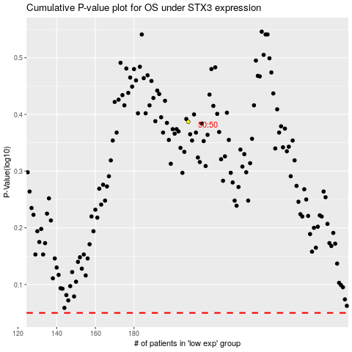

 |  |  |  |  |  | cases_OS | p_OS | rank | exp
 |  |  |  |  |  |  | cases_RFS | p_RFS | rank | exp

