STX7 _multivariate
Reported by Tex Li-Hsing Chi. tex@gate.sinica.edu.tw 2019-08-15

Table 2. The clinicopathological features of HNSCC cohort and STX7 expression. (Chi square test)
Cutoff at -0.171 (50.0%)
 |  | STX7 expression |  | STX7 expression |  | (Optimised)
 | Features | Low | (%) | High | (%) | Case no | P-value | Remark | Matthews
Gender | Female | 165 | 39.8 | 141 | 34 | 415 | 0.0081 | 1 | 0
2 | Male | 42 | 10.1 | 67 | 16.1
Age at diagnosis | <=65y | 136 | 32.8 | 138 | 33.3 | 415 | 0.9719 | 0 | 0
4 | >65y | 71 | 17.1 | 70 | 16.9
Clinical T Status | T1+T2 | 67 | 16.1 | 82 | 19.8 | 415 | 0.1628 | 0 | 0
6 | T3+T4 | 140 | 33.7 | 126 | 30.4
Clinical N Status | N0 | 110 | 26.5 | 106 | 25.5 | 415 | 0.7294 | 0 | 0
8 | N1-3 | 97 | 23.4 | 102 | 24.6
Clinical M Status | M0 | 205 | 49.4 | 207 | 49.9 | 415 | 0.6232 | 0 | 0
10 | M1 | 2 | 0.5 | 1 | 0.2
Clinical Stage | Stage I+II | 44 | 10.6 | 58 | 14 | 415 | 0.1459 | 0 | 0
12 | Stage III+IV | 163 | 39.3 | 150 | 36.1
Surgical Margin status | Negative | 154 | 37.1 | 164 | 39.5 | 415 | 0.2984 | 0 | 0
14 | Positive | 53 | 12.8 | 44 | 10.6
Tobacco Exposure | Low | 66 | 15.9 | 95 | 22.9 | 415 | 0.0048 | 1 | 0
16 | High | 141 | 34 | 113 | 27.2

Table 3. Univariate/Multivariate Cox's proportional hazards regression analyses on OS time of STX7 gene expression in HNSCC

 |  | Univariate |  |  |  | Multivariate
 | Features | HR | CI95%(L) | CI95%(H) | P-value | HR | CI95%(L) | CI95%(H) | P-value
1 | Female | 1 |  |  |  | 1
Gender | Male | 1.157 | 0.843 | 1.587 | 0.367 | 1.19 | 0.85 | 1.666 | 0.311
11 | <=65y | 1 |  |  |  | 1
Age at diagnosis | >65y | 1.329 | 0.99 | 1.784 | 0.058 | 1.398 | 1.027 | 1.901 | 0.033
12 | T1+T2 | 1 |  |  |  | 1
Clinical T Status | T3+T4 | 1.409 | 1.028 | 1.931 | 0.033 | 2.221 | 1.173 | 4.205 | 0.014
13 | N0 | 1 |  |  |  | 1
Clinical N Status | N1-3 | 1.185 | 0.89 | 1.577 | 0.246 | 1.233 | 0.863 | 1.761 | 0.25
14 | M0 | 1 |  |  |  | 1
Clinical M Status | M1 | 4.097 | 1.009 | 16.644 | 0.049 | 9.549 | 2.08 | 43.84 | 0.004
15 | Stage I+II | 1 |  |  |  | 1
Clinical Stage | Stage III+IV | 1.245 | 0.882 | 1.759 | 0.213 | 0.505 | 0.235 | 1.083 | 0.079
16 | Negative | 1 |  |  |  | 1
Surgical Margin status | Positive | 1.591 | 1.155 | 2.191 | 0.004 | 1.686 | 1.217 | 2.336 | 0.002
17 | Low | 1 |  |  |  | 1
Tobacco Exposure | High | 1.364 | 1.008 | 1.844 | 0.044 | 1.462 | 1.06 | 2.017 | 0.021
18 | Low | 1 |  |  |  | 1
RNAseq(z-score) | High | 0.943 | 0.708 | 1.255 | 0.686 | 1.068 | 0.794 | 1.436 | 0.665

Table 4. Univariate/Multivariate Cox's proportional hazards regression analyses on RFS time of STX7 gene expression in HNSCC

 |  | Univariate |  |  |  | Multivariate
 | Features | HR | CI95%(L) | CI95%(H) | P-value | HR | CI95%(L) | CI95%(H) | P-value
1 | Female | 1 |  |  |  | 1
Gender | Male | 1.157 | 0.843 | 1.587 | 0.367 | 1.19 | 0.85 | 1.666 | 0.311
11 | <=65y | 1 |  |  |  | 1
Age at diagnosis | >65y | 1.329 | 0.99 | 1.784 | 0.058 | 1.398 | 1.027 | 1.901 | 0.033
12 | T1+T2 | 1 |  |  |  | 1
Clinical T Status | T3+T4 | 1.409 | 1.028 | 1.931 | 0.033 | 2.221 | 1.173 | 4.205 | 0.014
13 | N0 | 1 |  |  |  | 1
Clinical N Status | N1-3 | 1.185 | 0.89 | 1.577 | 0.246 | 1.233 | 0.863 | 1.761 | 0.25
14 | M0 | 1 |  |  |  | 1
Clinical M Status | M1 | 4.097 | 1.009 | 16.644 | 0.049 | 9.549 | 2.08 | 43.84 | 0.004
15 | Stage I+II | 1 |  |  |  | 1
Clinical Stage | Stage III+IV | 1.245 | 0.882 | 1.759 | 0.213 | 0.505 | 0.235 | 1.083 | 0.079
16 | Negative | 1 |  |  |  | 1
Surgical Margin status | Positive | 1.591 | 1.155 | 2.191 | 0.004 | 1.686 | 1.217 | 2.336 | 0.002
17 | Low | 1 |  |  |  | 1
Tobacco Exposure | High | 1.364 | 1.008 | 1.844 | 0.044 | 1.462 | 1.06 | 2.017 | 0.021
18 | Low | 1 |  |  |  | 1
RNAseq(z-score) | High | 0.943 | 0.708 | 1.255 | 0.686 | 1.068 | 0.794 | 1.436 | 0.665

Kaplan-Meier survival estimate: Cutoff at -0.171 (50.0%)



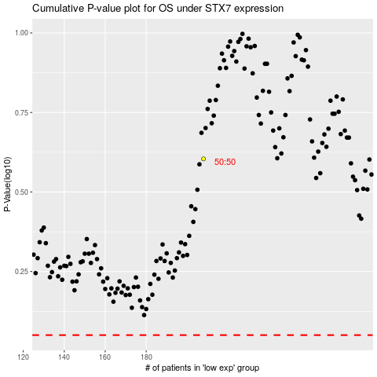

 |  |  |  |  |  | cases_OS | p_OS | rank | exp
 |  |  |  |  |  |  | cases_RFS | p_RFS | rank | exp

