STXBP3 _multivariate
Reported by Tex Li-Hsing Chi. tex@gate.sinica.edu.tw 2019-08-15

Table 2. The clinicopathological features of HNSCC cohort and STXBP3 expression. (Chi square test)
Cutoff at -0.144 (50.0%)
 |  | STXBP3 expression |  | STXBP3 expression |  | (Optimised)
 | Features | Low | (%) | High | (%) | Case no | P-value | Remark | Matthews
Gender | Female | 163 | 39.3 | 143 | 34.5 | 415 | 0.0277 | 1 | 0
2 | Male | 44 | 10.6 | 65 | 15.7
Age at diagnosis | <=65y | 138 | 33.3 | 136 | 32.8 | 415 | 0.8634 | 0 | 0
4 | >65y | 69 | 16.6 | 72 | 17.3
Clinical T Status | T1+T2 | 69 | 16.6 | 80 | 19.3 | 415 | 0.3239 | 0 | 0
6 | T3+T4 | 138 | 33.3 | 128 | 30.8
Clinical N Status | N0 | 114 | 27.5 | 102 | 24.6 | 415 | 0.2576 | 1 | 0
8 | N1-3 | 93 | 22.4 | 106 | 25.5
Clinical M Status | M0 | 204 | 49.2 | 208 | 50.1 | 415 | 0.1232 | 0 | 0
10 | M1 | 3 | 0.7 | 0 | 0
Clinical Stage | Stage I+II | 48 | 11.6 | 54 | 13 | 415 | 0.5878 | 0 | 0
12 | Stage III+IV | 159 | 38.3 | 154 | 37.1
Surgical Margin status | Negative | 169 | 40.7 | 149 | 35.9 | 415 | 0.0201 | 1 | 0
14 | Positive | 38 | 9.2 | 59 | 14.2
Tobacco Exposure | Low | 68 | 16.4 | 93 | 22.4 | 415 | 0.0156 | 1 | 0
16 | High | 139 | 33.5 | 115 | 27.7

Table 3. Univariate/Multivariate Cox's proportional hazards regression analyses on OS time of STXBP3 gene expression in HNSCC

 |  | Univariate |  |  |  | Multivariate
 | Features | HR | CI95%(L) | CI95%(H) | P-value | HR | CI95%(L) | CI95%(H) | P-value
1 | Female | 1 |  |  |  | 1
Gender | Male | 1.157 | 0.843 | 1.587 | 0.367 | 1.206 | 0.862 | 1.685 | 0.274
11 | <=65y | 1 |  |  |  | 1
Age at diagnosis | >65y | 1.329 | 0.99 | 1.784 | 0.058 | 1.392 | 1.024 | 1.892 | 0.035
12 | T1+T2 | 1 |  |  |  | 1
Clinical T Status | T3+T4 | 1.409 | 1.028 | 1.931 | 0.033 | 2.201 | 1.164 | 4.162 | 0.015
13 | N0 | 1 |  |  |  | 1
Clinical N Status | N1-3 | 1.185 | 0.89 | 1.577 | 0.246 | 1.247 | 0.873 | 1.781 | 0.226
14 | M0 | 1 |  |  |  | 1
Clinical M Status | M1 | 4.097 | 1.009 | 16.644 | 0.049 | 9.19 | 1.99 | 42.436 | 0.004
15 | Stage I+II | 1 |  |  |  | 1
Clinical Stage | Stage III+IV | 1.245 | 0.882 | 1.759 | 0.213 | 0.502 | 0.234 | 1.079 | 0.077
16 | Negative | 1 |  |  |  | 1
Surgical Margin status | Positive | 1.591 | 1.155 | 2.191 | 0.004 | 1.682 | 1.214 | 2.331 | 0.002
17 | Low | 1 |  |  |  | 1
Tobacco Exposure | High | 1.364 | 1.008 | 1.844 | 0.044 | 1.445 | 1.047 | 1.995 | 0.025
18 | Low | 1 |  |  |  | 1
RNAseq(z-score) | High | 0.969 | 0.727 | 1.29 | 0.828 | 0.955 | 0.711 | 1.284 | 0.763

Table 4. Univariate/Multivariate Cox's proportional hazards regression analyses on RFS time of STXBP3 gene expression in HNSCC

 |  | Univariate |  |  |  | Multivariate
 | Features | HR | CI95%(L) | CI95%(H) | P-value | HR | CI95%(L) | CI95%(H) | P-value
1 | Female | 1 |  |  |  | 1
Gender | Male | 1.157 | 0.843 | 1.587 | 0.367 | 1.206 | 0.862 | 1.685 | 0.274
11 | <=65y | 1 |  |  |  | 1
Age at diagnosis | >65y | 1.329 | 0.99 | 1.784 | 0.058 | 1.392 | 1.024 | 1.892 | 0.035
12 | T1+T2 | 1 |  |  |  | 1
Clinical T Status | T3+T4 | 1.409 | 1.028 | 1.931 | 0.033 | 2.201 | 1.164 | 4.162 | 0.015
13 | N0 | 1 |  |  |  | 1
Clinical N Status | N1-3 | 1.185 | 0.89 | 1.577 | 0.246 | 1.247 | 0.873 | 1.781 | 0.226
14 | M0 | 1 |  |  |  | 1
Clinical M Status | M1 | 4.097 | 1.009 | 16.644 | 0.049 | 9.19 | 1.99 | 42.436 | 0.004
15 | Stage I+II | 1 |  |  |  | 1
Clinical Stage | Stage III+IV | 1.245 | 0.882 | 1.759 | 0.213 | 0.502 | 0.234 | 1.079 | 0.077
16 | Negative | 1 |  |  |  | 1
Surgical Margin status | Positive | 1.591 | 1.155 | 2.191 | 0.004 | 1.682 | 1.214 | 2.331 | 0.002
17 | Low | 1 |  |  |  | 1
Tobacco Exposure | High | 1.364 | 1.008 | 1.844 | 0.044 | 1.445 | 1.047 | 1.995 | 0.025
18 | Low | 1 |  |  |  | 1
RNAseq(z-score) | High | 0.969 | 0.727 | 1.29 | 0.828 | 0.955 | 0.711 | 1.284 | 0.763

Kaplan-Meier survival estimate: Cutoff at -0.144 (50.0%)



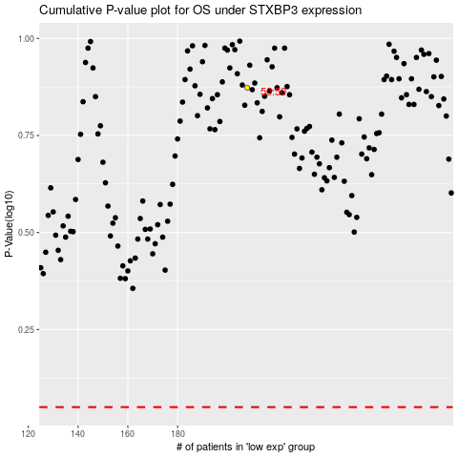

 |  |  |  |  |  | cases_OS | p_OS | rank | exp
 |  |  |  |  |  |  | cases_RFS | p_RFS | rank | exp

