STXBP5L _multivariate
Reported by Tex Li-Hsing Chi. tex@gate.sinica.edu.tw 2019-08-15

Table 2. The clinicopathological features of HNSCC cohort and STXBP5L expression. (Chi square test)
Cutoff at -0.167 (49.8%)
 |  | STXBP5L expression |  | STXBP5L expression |  | (Optimised)
 | Features | Low | (%) | High | (%) | Case no | P-value | Remark | Matthews
Gender | Female | 152 | 36.6 | 154 | 37.1 | 415 | 0.9766 | 0 | 0
2 | Male | 55 | 13.3 | 54 | 13
Age at diagnosis | <=65y | 143 | 34.5 | 131 | 31.6 | 415 | 0.2269 | 0 | 0
4 | >65y | 64 | 15.4 | 77 | 18.6
Clinical T Status | T1+T2 | 73 | 17.6 | 76 | 18.3 | 415 | 0.8666 | 0 | 0
6 | T3+T4 | 134 | 32.3 | 132 | 31.8
Clinical N Status | N0 | 103 | 24.8 | 113 | 27.2 | 415 | 0.4047 | 0 | 0
8 | N1-3 | 104 | 25.1 | 95 | 22.9
Clinical M Status | M0 | 205 | 49.4 | 207 | 49.9 | 415 | 0.6232 | 0 | 0
10 | M1 | 2 | 0.5 | 1 | 0.2
Clinical Stage | Stage I+II | 51 | 12.3 | 51 | 12.3 | 415 | 1 | 0 | 0
12 | Stage III+IV | 156 | 37.6 | 157 | 37.8
Surgical Margin status | Negative | 158 | 38.1 | 160 | 38.6 | 415 | 0.9081 | 0 | 0
14 | Positive | 49 | 11.8 | 48 | 11.6
Tobacco Exposure | Low | 84 | 20.2 | 77 | 18.6 | 415 | 0.4816 | 0 | 0
16 | High | 123 | 29.6 | 131 | 31.6

Table 3. Univariate/Multivariate Cox's proportional hazards regression analyses on OS time of STXBP5L gene expression in HNSCC

 |  | Univariate |  |  |  | Multivariate
 | Features | HR | CI95%(L) | CI95%(H) | P-value | HR | CI95%(L) | CI95%(H) | P-value
1 | Female | 1 |  |  |  | 1
Gender | Male | 1.157 | 0.843 | 1.587 | 0.367 | 1.204 | 0.862 | 1.682 | 0.275
11 | <=65y | 1 |  |  |  | 1
Age at diagnosis | >65y | 1.329 | 0.99 | 1.784 | 0.058 | 1.382 | 1.016 | 1.881 | 0.039
12 | T1+T2 | 1 |  |  |  | 1
Clinical T Status | T3+T4 | 1.409 | 1.028 | 1.931 | 0.033 | 2.211 | 1.169 | 4.18 | 0.015
13 | N0 | 1 |  |  |  | 1
Clinical N Status | N1-3 | 1.185 | 0.89 | 1.577 | 0.246 | 1.247 | 0.874 | 1.781 | 0.224
14 | M0 | 1 |  |  |  | 1
Clinical M Status | M1 | 4.097 | 1.009 | 16.644 | 0.049 | 9.487 | 2.069 | 43.509 | 0.004
15 | Stage I+II | 1 |  |  |  | 1
Clinical Stage | Stage III+IV | 1.245 | 0.882 | 1.759 | 0.213 | 0.503 | 0.235 | 1.08 | 0.078
16 | Negative | 1 |  |  |  | 1
Surgical Margin status | Positive | 1.591 | 1.155 | 2.191 | 0.004 | 1.675 | 1.212 | 2.315 | 0.002
17 | Low | 1 |  |  |  | 1
Tobacco Exposure | High | 1.364 | 1.008 | 1.844 | 0.044 | 1.45 | 1.052 | 1.997 | 0.023
18 | Low | 1 |  |  |  | 1
RNAseq(z-score) | High | 1.044 | 0.783 | 1.392 | 0.768 | 1.073 | 0.802 | 1.435 | 0.636

Table 4. Univariate/Multivariate Cox's proportional hazards regression analyses on RFS time of STXBP5L gene expression in HNSCC

 |  | Univariate |  |  |  | Multivariate
 | Features | HR | CI95%(L) | CI95%(H) | P-value | HR | CI95%(L) | CI95%(H) | P-value
1 | Female | 1 |  |  |  | 1
Gender | Male | 1.157 | 0.843 | 1.587 | 0.367 | 1.204 | 0.862 | 1.682 | 0.275
11 | <=65y | 1 |  |  |  | 1
Age at diagnosis | >65y | 1.329 | 0.99 | 1.784 | 0.058 | 1.382 | 1.016 | 1.881 | 0.039
12 | T1+T2 | 1 |  |  |  | 1
Clinical T Status | T3+T4 | 1.409 | 1.028 | 1.931 | 0.033 | 2.211 | 1.169 | 4.18 | 0.015
13 | N0 | 1 |  |  |  | 1
Clinical N Status | N1-3 | 1.185 | 0.89 | 1.577 | 0.246 | 1.247 | 0.874 | 1.781 | 0.224
14 | M0 | 1 |  |  |  | 1
Clinical M Status | M1 | 4.097 | 1.009 | 16.644 | 0.049 | 9.487 | 2.069 | 43.509 | 0.004
15 | Stage I+II | 1 |  |  |  | 1
Clinical Stage | Stage III+IV | 1.245 | 0.882 | 1.759 | 0.213 | 0.503 | 0.235 | 1.08 | 0.078
16 | Negative | 1 |  |  |  | 1
Surgical Margin status | Positive | 1.591 | 1.155 | 2.191 | 0.004 | 1.675 | 1.212 | 2.315 | 0.002
17 | Low | 1 |  |  |  | 1
Tobacco Exposure | High | 1.364 | 1.008 | 1.844 | 0.044 | 1.45 | 1.052 | 1.997 | 0.023
18 | Low | 1 |  |  |  | 1
RNAseq(z-score) | High | 1.044 | 0.783 | 1.392 | 0.768 | 1.073 | 0.802 | 1.435 | 0.636

Kaplan-Meier survival estimate: Cutoff at -0.167 (49.8%)



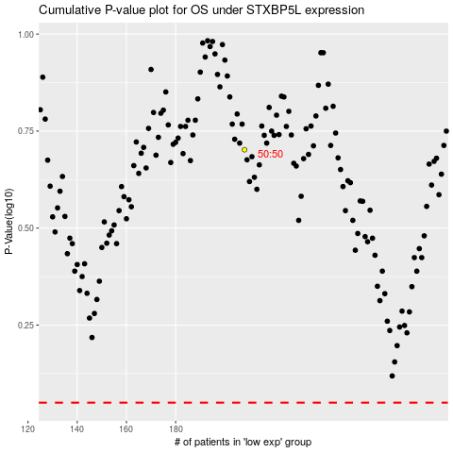

 |  |  |  |  |  | cases_OS | p_OS | rank | exp
 |  |  |  |  |  |  | cases_RFS | p_RFS | rank | exp

