STYX _multivariate
Reported by Tex Li-Hsing Chi. tex@gate.sinica.edu.tw 2019-08-15

Table 2. The clinicopathological features of HNSCC cohort and STYX expression. (Chi square test)
Cutoff at -0.119 (49.8%)
 |  | STYX expression |  | STYX expression |  | (Optimised)
 | Features | Low | (%) | High | (%) | Case no | P-value | Remark | Matthews
Gender | Female | 162 | 39 | 144 | 34.7 | 415 | 0.0479 | 1 | 0
2 | Male | 45 | 10.8 | 64 | 15.4
Age at diagnosis | <=65y | 141 | 34 | 133 | 32 | 415 | 0.4272 | 0 | 0
4 | >65y | 66 | 15.9 | 75 | 18.1
Clinical T Status | T1+T2 | 76 | 18.3 | 73 | 17.6 | 415 | 0.8092 | 0 | 0
6 | T3+T4 | 131 | 31.6 | 135 | 32.5
Clinical N Status | N0 | 105 | 25.3 | 111 | 26.7 | 415 | 0.6598 | 0 | 0
8 | N1-3 | 102 | 24.6 | 97 | 23.4
Clinical M Status | M0 | 205 | 49.4 | 207 | 49.9 | 415 | 0.6232 | 0 | 0
10 | M1 | 2 | 0.5 | 1 | 0.2
Clinical Stage | Stage I+II | 48 | 11.6 | 54 | 13 | 415 | 0.5878 | 0 | 0
12 | Stage III+IV | 159 | 38.3 | 154 | 37.1
Surgical Margin status | Negative | 164 | 39.5 | 154 | 37.1 | 415 | 0.2462 | 0 | 0
14 | Positive | 43 | 10.4 | 54 | 13
Tobacco Exposure | Low | 84 | 20.2 | 77 | 18.6 | 415 | 0.4816 | 0 | 0
16 | High | 123 | 29.6 | 131 | 31.6

Table 3. Univariate/Multivariate Cox's proportional hazards regression analyses on OS time of STYX gene expression in HNSCC

 |  | Univariate |  |  |  | Multivariate
 | Features | HR | CI95%(L) | CI95%(H) | P-value | HR | CI95%(L) | CI95%(H) | P-value
1 | Female | 1 |  |  |  | 1
Gender | Male | 1.157 | 0.843 | 1.587 | 0.367 | 1.188 | 0.849 | 1.663 | 0.315
11 | <=65y | 1 |  |  |  | 1
Age at diagnosis | >65y | 1.329 | 0.99 | 1.784 | 0.058 | 1.387 | 1.02 | 1.886 | 0.037
12 | T1+T2 | 1 |  |  |  | 1
Clinical T Status | T3+T4 | 1.409 | 1.028 | 1.931 | 0.033 | 2.184 | 1.155 | 4.13 | 0.016
13 | N0 | 1 |  |  |  | 1
Clinical N Status | N1-3 | 1.185 | 0.89 | 1.577 | 0.246 | 1.243 | 0.872 | 1.774 | 0.229
14 | M0 | 1 |  |  |  | 1
Clinical M Status | M1 | 4.097 | 1.009 | 16.644 | 0.049 | 9.539 | 2.08 | 43.75 | 0.004
15 | Stage I+II | 1 |  |  |  | 1
Clinical Stage | Stage III+IV | 1.245 | 0.882 | 1.759 | 0.213 | 0.511 | 0.238 | 1.097 | 0.085
16 | Negative | 1 |  |  |  | 1
Surgical Margin status | Positive | 1.591 | 1.155 | 2.191 | 0.004 | 1.659 | 1.2 | 2.295 | 0.002
17 | Low | 1 |  |  |  | 1
Tobacco Exposure | High | 1.364 | 1.008 | 1.844 | 0.044 | 1.447 | 1.049 | 1.995 | 0.024
18 | Low | 1 |  |  |  | 1
RNAseq(z-score) | High | 1.145 | 0.86 | 1.525 | 0.355 | 1.095 | 0.819 | 1.465 | 0.541

Table 4. Univariate/Multivariate Cox's proportional hazards regression analyses on RFS time of STYX gene expression in HNSCC

 |  | Univariate |  |  |  | Multivariate
 | Features | HR | CI95%(L) | CI95%(H) | P-value | HR | CI95%(L) | CI95%(H) | P-value
1 | Female | 1 |  |  |  | 1
Gender | Male | 1.157 | 0.843 | 1.587 | 0.367 | 1.188 | 0.849 | 1.663 | 0.315
11 | <=65y | 1 |  |  |  | 1
Age at diagnosis | >65y | 1.329 | 0.99 | 1.784 | 0.058 | 1.387 | 1.02 | 1.886 | 0.037
12 | T1+T2 | 1 |  |  |  | 1
Clinical T Status | T3+T4 | 1.409 | 1.028 | 1.931 | 0.033 | 2.184 | 1.155 | 4.13 | 0.016
13 | N0 | 1 |  |  |  | 1
Clinical N Status | N1-3 | 1.185 | 0.89 | 1.577 | 0.246 | 1.243 | 0.872 | 1.774 | 0.229
14 | M0 | 1 |  |  |  | 1
Clinical M Status | M1 | 4.097 | 1.009 | 16.644 | 0.049 | 9.539 | 2.08 | 43.75 | 0.004
15 | Stage I+II | 1 |  |  |  | 1
Clinical Stage | Stage III+IV | 1.245 | 0.882 | 1.759 | 0.213 | 0.511 | 0.238 | 1.097 | 0.085
16 | Negative | 1 |  |  |  | 1
Surgical Margin status | Positive | 1.591 | 1.155 | 2.191 | 0.004 | 1.659 | 1.2 | 2.295 | 0.002
17 | Low | 1 |  |  |  | 1
Tobacco Exposure | High | 1.364 | 1.008 | 1.844 | 0.044 | 1.447 | 1.049 | 1.995 | 0.024
18 | Low | 1 |  |  |  | 1
RNAseq(z-score) | High | 1.145 | 0.86 | 1.525 | 0.355 | 1.095 | 0.819 | 1.465 | 0.541

Kaplan-Meier survival estimate: Cutoff at -0.119 (49.8%)



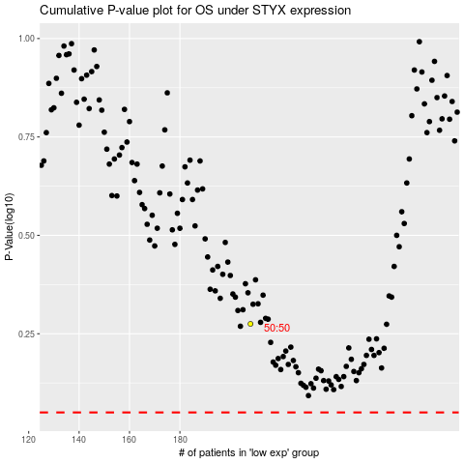

 |  |  |  |  |  | cases_OS | p_OS | rank | exp
 |  |  |  |  |  |  | cases_RFS | p_RFS | rank | exp

