SUB1 _multivariate
Reported by Tex Li-Hsing Chi. tex@gate.sinica.edu.tw 2019-08-15

Table 2. The clinicopathological features of HNSCC cohort and SUB1 expression. (Chi square test)
Cutoff at -0.283 (46.4%)
 |  | SUB1 expression |  | SUB1 expression |  | (Optimised)
 | Features | Low | (%) | High | (%) | Case no | P-value | Remark | Matthews
Gender | Female | 140 | 33.7 | 166 | 40 | 415 | 0.8106 | 0 | 0
2 | Male | 52 | 12.5 | 57 | 13.7
Age at diagnosis | <=65y | 123 | 29.6 | 151 | 36.4 | 415 | 0.4972 | 0 | 0
4 | >65y | 69 | 16.6 | 72 | 17.3
Clinical T Status | T1+T2 | 72 | 17.3 | 77 | 18.6 | 415 | 0.5986 | 0 | 0
6 | T3+T4 | 120 | 28.9 | 146 | 35.2
Clinical N Status | N0 | 98 | 23.6 | 118 | 28.4 | 415 | 0.7777 | 0 | 0
8 | N1-3 | 94 | 22.7 | 105 | 25.3
Clinical M Status | M0 | 191 | 46 | 221 | 53.3 | 415 | 1 | 0 | 0
10 | M1 | 1 | 0.2 | 2 | 0.5
Clinical Stage | Stage I+II | 47 | 11.3 | 55 | 13.3 | 415 | 1 | 0 | 0
12 | Stage III+IV | 145 | 34.9 | 168 | 40.5
Surgical Margin status | Negative | 151 | 36.4 | 167 | 40.2 | 415 | 0.4158 | 0 | 0
14 | Positive | 41 | 9.9 | 56 | 13.5
Tobacco Exposure | Low | 68 | 16.4 | 93 | 22.4 | 415 | 0.2254 | 0 | 0
16 | High | 124 | 29.9 | 130 | 31.3

Table 3. Univariate/Multivariate Cox's proportional hazards regression analyses on OS time of SUB1 gene expression in HNSCC

 |  | Univariate |  |  |  | Multivariate
 | Features | HR | CI95%(L) | CI95%(H) | P-value | HR | CI95%(L) | CI95%(H) | P-value
1 | Female | 1 |  |  |  | 1
Gender | Male | 1.157 | 0.843 | 1.587 | 0.367 | 1.207 | 0.864 | 1.686 | 0.269
11 | <=65y | 1 |  |  |  | 1
Age at diagnosis | >65y | 1.329 | 0.99 | 1.784 | 0.058 | 1.406 | 1.034 | 1.911 | 0.03
12 | T1+T2 | 1 |  |  |  | 1
Clinical T Status | T3+T4 | 1.409 | 1.028 | 1.931 | 0.033 | 2.138 | 1.129 | 4.049 | 0.02
13 | N0 | 1 |  |  |  | 1
Clinical N Status | N1-3 | 1.185 | 0.89 | 1.577 | 0.246 | 1.265 | 0.887 | 1.804 | 0.194
14 | M0 | 1 |  |  |  | 1
Clinical M Status | M1 | 4.097 | 1.009 | 16.644 | 0.049 | 8.405 | 1.825 | 38.699 | 0.006
15 | Stage I+II | 1 |  |  |  | 1
Clinical Stage | Stage III+IV | 1.245 | 0.882 | 1.759 | 0.213 | 0.524 | 0.244 | 1.125 | 0.097
16 | Negative | 1 |  |  |  | 1
Surgical Margin status | Positive | 1.591 | 1.155 | 2.191 | 0.004 | 1.613 | 1.165 | 2.233 | 0.004
17 | Low | 1 |  |  |  | 1
Tobacco Exposure | High | 1.364 | 1.008 | 1.844 | 0.044 | 1.485 | 1.077 | 2.049 | 0.016
18 | Low | 1 |  |  |  | 1
RNAseq(z-score) | High | 1.345 | 1.007 | 1.797 | 0.045 | 1.331 | 0.991 | 1.787 | 0.057

Table 4. Univariate/Multivariate Cox's proportional hazards regression analyses on RFS time of SUB1 gene expression in HNSCC

 |  | Univariate |  |  |  | Multivariate
 | Features | HR | CI95%(L) | CI95%(H) | P-value | HR | CI95%(L) | CI95%(H) | P-value
1 | Female | 1 |  |  |  | 1
Gender | Male | 1.157 | 0.843 | 1.587 | 0.367 | 1.207 | 0.864 | 1.686 | 0.269
11 | <=65y | 1 |  |  |  | 1
Age at diagnosis | >65y | 1.329 | 0.99 | 1.784 | 0.058 | 1.406 | 1.034 | 1.911 | 0.03
12 | T1+T2 | 1 |  |  |  | 1
Clinical T Status | T3+T4 | 1.409 | 1.028 | 1.931 | 0.033 | 2.138 | 1.129 | 4.049 | 0.02
13 | N0 | 1 |  |  |  | 1
Clinical N Status | N1-3 | 1.185 | 0.89 | 1.577 | 0.246 | 1.265 | 0.887 | 1.804 | 0.194
14 | M0 | 1 |  |  |  | 1
Clinical M Status | M1 | 4.097 | 1.009 | 16.644 | 0.049 | 8.405 | 1.825 | 38.699 | 0.006
15 | Stage I+II | 1 |  |  |  | 1
Clinical Stage | Stage III+IV | 1.245 | 0.882 | 1.759 | 0.213 | 0.524 | 0.244 | 1.125 | 0.097
16 | Negative | 1 |  |  |  | 1
Surgical Margin status | Positive | 1.591 | 1.155 | 2.191 | 0.004 | 1.613 | 1.165 | 2.233 | 0.004
17 | Low | 1 |  |  |  | 1
Tobacco Exposure | High | 1.364 | 1.008 | 1.844 | 0.044 | 1.485 | 1.077 | 2.049 | 0.016
18 | Low | 1 |  |  |  | 1
RNAseq(z-score) | High | 1.345 | 1.007 | 1.797 | 0.045 | 1.331 | 0.991 | 1.787 | 0.057

Kaplan-Meier survival estimate: Cutoff at -0.283 (46.4%)



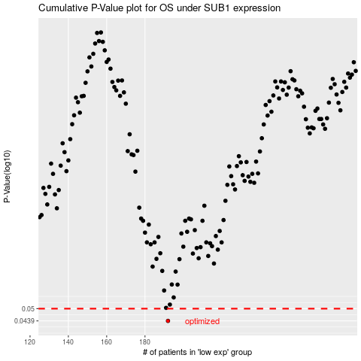

 |  |  |  |  |  | cases_OS | p_OS | rank | exp
 |  |  |  |  |  | 192 | 0.0439 | 323 | -0.28272874695
 |  |  |  |  |  |  | cases_RFS | p_RFS | rank | exp
 |  |  |  |  |  |  | 191 | 0.0439 | 292 | -0.28350699695

