SUCNR1 _multivariate
Reported by Tex Li-Hsing Chi. tex@gate.sinica.edu.tw 2019-08-15

Table 2. The clinicopathological features of HNSCC cohort and SUCNR1 expression. (Chi square test)
Cutoff at -0.37 (50.0%)
 |  | SUCNR1 expression |  | SUCNR1 expression |  | (Optimised)
 | Features | Low | (%) | High | (%) | Case no | P-value | Remark | Matthews
Gender | Female | 166 | 40 | 140 | 33.7 | 415 | 0.0041 | 1 | 0
2 | Male | 41 | 9.9 | 68 | 16.4
Age at diagnosis | <=65y | 145 | 34.9 | 129 | 31.1 | 415 | 0.1046 | 0 | 0
4 | >65y | 62 | 14.9 | 79 | 19
Clinical T Status | T1+T2 | 70 | 16.9 | 79 | 19 | 415 | 0.4343 | 0 | 0
6 | T3+T4 | 137 | 33 | 129 | 31.1
Clinical N Status | N0 | 111 | 26.7 | 105 | 25.3 | 415 | 0.5875 | 0 | 0
8 | N1-3 | 96 | 23.1 | 103 | 24.8
Clinical M Status | M0 | 205 | 49.4 | 207 | 49.9 | 415 | 0.6232 | 0 | 0
10 | M1 | 2 | 0.5 | 1 | 0.2
Clinical Stage | Stage I+II | 48 | 11.6 | 54 | 13 | 415 | 0.5878 | 0 | 0
12 | Stage III+IV | 159 | 38.3 | 154 | 37.1
Surgical Margin status | Negative | 152 | 36.6 | 166 | 40 | 415 | 0.1329 | 0 | 0
14 | Positive | 55 | 13.3 | 42 | 10.1
Tobacco Exposure | Low | 74 | 17.8 | 87 | 21 | 415 | 0.227 | 0 | 0
16 | High | 133 | 32 | 121 | 29.2

Table 3. Univariate/Multivariate Cox's proportional hazards regression analyses on OS time of SUCNR1 gene expression in HNSCC

 |  | Univariate |  |  |  | Multivariate
 | Features | HR | CI95%(L) | CI95%(H) | P-value | HR | CI95%(L) | CI95%(H) | P-value
1 | Female | 1 |  |  |  | 1
Gender | Male | 1.157 | 0.843 | 1.587 | 0.367 | 1.195 | 0.856 | 1.67 | 0.295
11 | <=65y | 1 |  |  |  | 1
Age at diagnosis | >65y | 1.329 | 0.99 | 1.784 | 0.058 | 1.384 | 1.017 | 1.882 | 0.039
12 | T1+T2 | 1 |  |  |  | 1
Clinical T Status | T3+T4 | 1.409 | 1.028 | 1.931 | 0.033 | 2.199 | 1.163 | 4.157 | 0.015
13 | N0 | 1 |  |  |  | 1
Clinical N Status | N1-3 | 1.185 | 0.89 | 1.577 | 0.246 | 1.23 | 0.861 | 1.756 | 0.255
14 | M0 | 1 |  |  |  | 1
Clinical M Status | M1 | 4.097 | 1.009 | 16.644 | 0.049 | 9.722 | 2.115 | 44.685 | 0.003
15 | Stage I+II | 1 |  |  |  | 1
Clinical Stage | Stage III+IV | 1.245 | 0.882 | 1.759 | 0.213 | 0.508 | 0.237 | 1.091 | 0.082
16 | Negative | 1 |  |  |  | 1
Surgical Margin status | Positive | 1.591 | 1.155 | 2.191 | 0.004 | 1.695 | 1.224 | 2.348 | 0.001
17 | Low | 1 |  |  |  | 1
Tobacco Exposure | High | 1.364 | 1.008 | 1.844 | 0.044 | 1.478 | 1.069 | 2.044 | 0.018
18 | Low | 1 |  |  |  | 1
RNAseq(z-score) | High | 1.028 | 0.772 | 1.369 | 0.85 | 1.111 | 0.826 | 1.493 | 0.487

Table 4. Univariate/Multivariate Cox's proportional hazards regression analyses on RFS time of SUCNR1 gene expression in HNSCC

 |  | Univariate |  |  |  | Multivariate
 | Features | HR | CI95%(L) | CI95%(H) | P-value | HR | CI95%(L) | CI95%(H) | P-value
1 | Female | 1 |  |  |  | 1
Gender | Male | 1.157 | 0.843 | 1.587 | 0.367 | 1.195 | 0.856 | 1.67 | 0.295
11 | <=65y | 1 |  |  |  | 1
Age at diagnosis | >65y | 1.329 | 0.99 | 1.784 | 0.058 | 1.384 | 1.017 | 1.882 | 0.039
12 | T1+T2 | 1 |  |  |  | 1
Clinical T Status | T3+T4 | 1.409 | 1.028 | 1.931 | 0.033 | 2.199 | 1.163 | 4.157 | 0.015
13 | N0 | 1 |  |  |  | 1
Clinical N Status | N1-3 | 1.185 | 0.89 | 1.577 | 0.246 | 1.23 | 0.861 | 1.756 | 0.255
14 | M0 | 1 |  |  |  | 1
Clinical M Status | M1 | 4.097 | 1.009 | 16.644 | 0.049 | 9.722 | 2.115 | 44.685 | 0.003
15 | Stage I+II | 1 |  |  |  | 1
Clinical Stage | Stage III+IV | 1.245 | 0.882 | 1.759 | 0.213 | 0.508 | 0.237 | 1.091 | 0.082
16 | Negative | 1 |  |  |  | 1
Surgical Margin status | Positive | 1.591 | 1.155 | 2.191 | 0.004 | 1.695 | 1.224 | 2.348 | 0.001
17 | Low | 1 |  |  |  | 1
Tobacco Exposure | High | 1.364 | 1.008 | 1.844 | 0.044 | 1.478 | 1.069 | 2.044 | 0.018
18 | Low | 1 |  |  |  | 1
RNAseq(z-score) | High | 1.028 | 0.772 | 1.369 | 0.85 | 1.111 | 0.826 | 1.493 | 0.487

Kaplan-Meier survival estimate: Cutoff at -0.37 (50.0%)



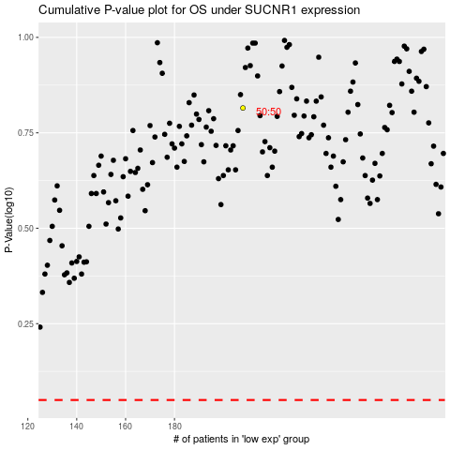

 |  |  |  |  |  | cases_OS | p_OS | rank | exp
 |  |  |  |  |  |  | cases_RFS | p_RFS | rank | exp

