SUFU _multivariate
Reported by Tex Li-Hsing Chi. tex@gate.sinica.edu.tw 2019-08-15

Table 2. The clinicopathological features of HNSCC cohort and SUFU expression. (Chi square test)
Cutoff at -0.142 (50.0%)
 |  | SUFU expression |  | SUFU expression |  | (Optimised)
 | Features | Low | (%) | High | (%) | Case no | P-value | Remark | Matthews
Gender | Female | 157 | 37.8 | 149 | 35.9 | 415 | 0.3881 | 0 | 0
2 | Male | 50 | 12 | 59 | 14.2
Age at diagnosis | <=65y | 133 | 32 | 141 | 34 | 415 | 0.5111 | 0 | 0
4 | >65y | 74 | 17.8 | 67 | 16.1
Clinical T Status | T1+T2 | 73 | 17.6 | 76 | 18.3 | 415 | 0.8666 | 0 | 0
6 | T3+T4 | 134 | 32.3 | 132 | 31.8
Clinical N Status | N0 | 107 | 25.8 | 109 | 26.3 | 415 | 0.9624 | 0 | 0
8 | N1-3 | 100 | 24.1 | 99 | 23.9
Clinical M Status | M0 | 205 | 49.4 | 207 | 49.9 | 415 | 0.6232 | 0 | 0
10 | M1 | 2 | 0.5 | 1 | 0.2
Clinical Stage | Stage I+II | 48 | 11.6 | 54 | 13 | 415 | 0.5878 | 0 | 0
12 | Stage III+IV | 159 | 38.3 | 154 | 37.1
Surgical Margin status | Negative | 150 | 36.1 | 168 | 40.5 | 415 | 0.0492 | 1 | 0
14 | Positive | 57 | 13.7 | 40 | 9.6
Tobacco Exposure | Low | 70 | 16.9 | 91 | 21.9 | 415 | 0.0439 | 1 | 0
16 | High | 137 | 33 | 117 | 28.2

Table 3. Univariate/Multivariate Cox's proportional hazards regression analyses on OS time of SUFU gene expression in HNSCC

 |  | Univariate |  |  |  | Multivariate
 | Features | HR | CI95%(L) | CI95%(H) | P-value | HR | CI95%(L) | CI95%(H) | P-value
1 | Female | 1 |  |  |  | 1
Gender | Male | 1.157 | 0.843 | 1.587 | 0.367 | 1.201 | 0.86 | 1.678 | 0.283
11 | <=65y | 1 |  |  |  | 1
Age at diagnosis | >65y | 1.329 | 0.99 | 1.784 | 0.058 | 1.386 | 1.018 | 1.886 | 0.038
12 | T1+T2 | 1 |  |  |  | 1
Clinical T Status | T3+T4 | 1.409 | 1.028 | 1.931 | 0.033 | 2.199 | 1.163 | 4.157 | 0.015
13 | N0 | 1 |  |  |  | 1
Clinical N Status | N1-3 | 1.185 | 0.89 | 1.577 | 0.246 | 1.242 | 0.87 | 1.772 | 0.232
14 | M0 | 1 |  |  |  | 1
Clinical M Status | M1 | 4.097 | 1.009 | 16.644 | 0.049 | 9.335 | 2.035 | 42.83 | 0.004
15 | Stage I+II | 1 |  |  |  | 1
Clinical Stage | Stage III+IV | 1.245 | 0.882 | 1.759 | 0.213 | 0.504 | 0.235 | 1.082 | 0.079
16 | Negative | 1 |  |  |  | 1
Surgical Margin status | Positive | 1.591 | 1.155 | 2.191 | 0.004 | 1.66 | 1.198 | 2.302 | 0.002
17 | Low | 1 |  |  |  | 1
Tobacco Exposure | High | 1.364 | 1.008 | 1.844 | 0.044 | 1.445 | 1.046 | 1.995 | 0.026
18 | Low | 1 |  |  |  | 1
RNAseq(z-score) | High | 0.846 | 0.634 | 1.128 | 0.254 | 0.959 | 0.714 | 1.287 | 0.779

Table 4. Univariate/Multivariate Cox's proportional hazards regression analyses on RFS time of SUFU gene expression in HNSCC

 |  | Univariate |  |  |  | Multivariate
 | Features | HR | CI95%(L) | CI95%(H) | P-value | HR | CI95%(L) | CI95%(H) | P-value
1 | Female | 1 |  |  |  | 1
Gender | Male | 1.157 | 0.843 | 1.587 | 0.367 | 1.201 | 0.86 | 1.678 | 0.283
11 | <=65y | 1 |  |  |  | 1
Age at diagnosis | >65y | 1.329 | 0.99 | 1.784 | 0.058 | 1.386 | 1.018 | 1.886 | 0.038
12 | T1+T2 | 1 |  |  |  | 1
Clinical T Status | T3+T4 | 1.409 | 1.028 | 1.931 | 0.033 | 2.199 | 1.163 | 4.157 | 0.015
13 | N0 | 1 |  |  |  | 1
Clinical N Status | N1-3 | 1.185 | 0.89 | 1.577 | 0.246 | 1.242 | 0.87 | 1.772 | 0.232
14 | M0 | 1 |  |  |  | 1
Clinical M Status | M1 | 4.097 | 1.009 | 16.644 | 0.049 | 9.335 | 2.035 | 42.83 | 0.004
15 | Stage I+II | 1 |  |  |  | 1
Clinical Stage | Stage III+IV | 1.245 | 0.882 | 1.759 | 0.213 | 0.504 | 0.235 | 1.082 | 0.079
16 | Negative | 1 |  |  |  | 1
Surgical Margin status | Positive | 1.591 | 1.155 | 2.191 | 0.004 | 1.66 | 1.198 | 2.302 | 0.002
17 | Low | 1 |  |  |  | 1
Tobacco Exposure | High | 1.364 | 1.008 | 1.844 | 0.044 | 1.445 | 1.046 | 1.995 | 0.026
18 | Low | 1 |  |  |  | 1
RNAseq(z-score) | High | 0.846 | 0.634 | 1.128 | 0.254 | 0.959 | 0.714 | 1.287 | 0.779

Kaplan-Meier survival estimate: Cutoff at -0.142 (50.0%)



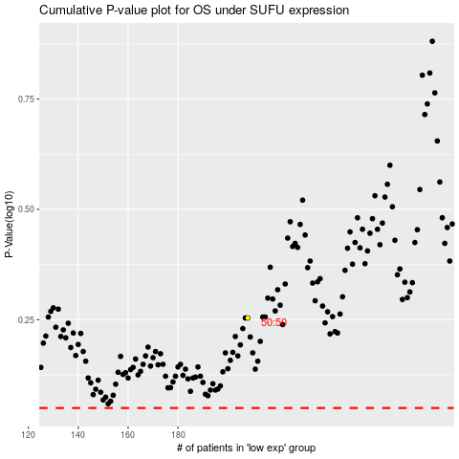

 |  |  |  |  |  | cases_OS | p_OS | rank | exp
 |  |  |  |  |  |  | cases_RFS | p_RFS | rank | exp

