SULF1 _multivariate
Reported by Tex Li-Hsing Chi. tex@gate.sinica.edu.tw 2019-08-15

Table 2. The clinicopathological features of HNSCC cohort and SULF1 expression. (Chi square test)
Cutoff at -0.281 (49.8%)
 |  | SULF1 expression |  | SULF1 expression |  | (Optimised)
 | Features | Low | (%) | High | (%) | Case no | P-value | Remark | Matthews
Gender | Female | 150 | 36.1 | 156 | 37.6 | 415 | 0.6344 | 0 | 0
2 | Male | 57 | 13.7 | 52 | 12.5
Age at diagnosis | <=65y | 143 | 34.5 | 131 | 31.6 | 415 | 0.2269 | 0 | 0
4 | >65y | 64 | 15.4 | 77 | 18.6
Clinical T Status | T1+T2 | 77 | 18.6 | 72 | 17.3 | 415 | 0.6556 | 0 | 0
6 | T3+T4 | 130 | 31.3 | 136 | 32.8
Clinical N Status | N0 | 109 | 26.3 | 107 | 25.8 | 415 | 0.8812 | 0 | 0
8 | N1-3 | 98 | 23.6 | 101 | 24.3
Clinical M Status | M0 | 204 | 49.2 | 208 | 50.1 | 415 | 0.1232 | 0 | 0
10 | M1 | 3 | 0.7 | 0 | 0
Clinical Stage | Stage I+II | 49 | 11.8 | 53 | 12.8 | 415 | 0.7535 | 0 | 0
12 | Stage III+IV | 158 | 38.1 | 155 | 37.3
Surgical Margin status | Negative | 156 | 37.6 | 162 | 39 | 415 | 0.5636 | 0 | 0
14 | Positive | 51 | 12.3 | 46 | 11.1
Tobacco Exposure | Low | 89 | 21.4 | 72 | 17.3 | 415 | 0.0872 | 0 | 0
16 | High | 118 | 28.4 | 136 | 32.8

Table 3. Univariate/Multivariate Cox's proportional hazards regression analyses on OS time of SULF1 gene expression in HNSCC

 |  | Univariate |  |  |  | Multivariate
 | Features | HR | CI95%(L) | CI95%(H) | P-value | HR | CI95%(L) | CI95%(H) | P-value
1 | Female | 1 |  |  |  | 1
Gender | Male | 1.157 | 0.843 | 1.587 | 0.367 | 1.207 | 0.864 | 1.687 | 0.27
11 | <=65y | 1 |  |  |  | 1
Age at diagnosis | >65y | 1.329 | 0.99 | 1.784 | 0.058 | 1.385 | 1.018 | 1.884 | 0.038
12 | T1+T2 | 1 |  |  |  | 1
Clinical T Status | T3+T4 | 1.409 | 1.028 | 1.931 | 0.033 | 2.184 | 1.153 | 4.134 | 0.016
13 | N0 | 1 |  |  |  | 1
Clinical N Status | N1-3 | 1.185 | 0.89 | 1.577 | 0.246 | 1.237 | 0.866 | 1.765 | 0.242
14 | M0 | 1 |  |  |  | 1
Clinical M Status | M1 | 4.097 | 1.009 | 16.644 | 0.049 | 9.665 | 2.097 | 44.551 | 0.004
15 | Stage I+II | 1 |  |  |  | 1
Clinical Stage | Stage III+IV | 1.245 | 0.882 | 1.759 | 0.213 | 0.509 | 0.237 | 1.095 | 0.084
16 | Negative | 1 |  |  |  | 1
Surgical Margin status | Positive | 1.591 | 1.155 | 2.191 | 0.004 | 1.678 | 1.213 | 2.319 | 0.002
17 | Low | 1 |  |  |  | 1
Tobacco Exposure | High | 1.364 | 1.008 | 1.844 | 0.044 | 1.449 | 1.051 | 1.996 | 0.023
18 | Low | 1 |  |  |  | 1
RNAseq(z-score) | High | 1.068 | 0.801 | 1.424 | 0.654 | 1.064 | 0.794 | 1.426 | 0.679

Table 4. Univariate/Multivariate Cox's proportional hazards regression analyses on RFS time of SULF1 gene expression in HNSCC

 |  | Univariate |  |  |  | Multivariate
 | Features | HR | CI95%(L) | CI95%(H) | P-value | HR | CI95%(L) | CI95%(H) | P-value
1 | Female | 1 |  |  |  | 1
Gender | Male | 1.157 | 0.843 | 1.587 | 0.367 | 1.207 | 0.864 | 1.687 | 0.27
11 | <=65y | 1 |  |  |  | 1
Age at diagnosis | >65y | 1.329 | 0.99 | 1.784 | 0.058 | 1.385 | 1.018 | 1.884 | 0.038
12 | T1+T2 | 1 |  |  |  | 1
Clinical T Status | T3+T4 | 1.409 | 1.028 | 1.931 | 0.033 | 2.184 | 1.153 | 4.134 | 0.016
13 | N0 | 1 |  |  |  | 1
Clinical N Status | N1-3 | 1.185 | 0.89 | 1.577 | 0.246 | 1.237 | 0.866 | 1.765 | 0.242
14 | M0 | 1 |  |  |  | 1
Clinical M Status | M1 | 4.097 | 1.009 | 16.644 | 0.049 | 9.665 | 2.097 | 44.551 | 0.004
15 | Stage I+II | 1 |  |  |  | 1
Clinical Stage | Stage III+IV | 1.245 | 0.882 | 1.759 | 0.213 | 0.509 | 0.237 | 1.095 | 0.084
16 | Negative | 1 |  |  |  | 1
Surgical Margin status | Positive | 1.591 | 1.155 | 2.191 | 0.004 | 1.678 | 1.213 | 2.319 | 0.002
17 | Low | 1 |  |  |  | 1
Tobacco Exposure | High | 1.364 | 1.008 | 1.844 | 0.044 | 1.449 | 1.051 | 1.996 | 0.023
18 | Low | 1 |  |  |  | 1
RNAseq(z-score) | High | 1.068 | 0.801 | 1.424 | 0.654 | 1.064 | 0.794 | 1.426 | 0.679

Kaplan-Meier survival estimate: Cutoff at -0.281 (49.8%)



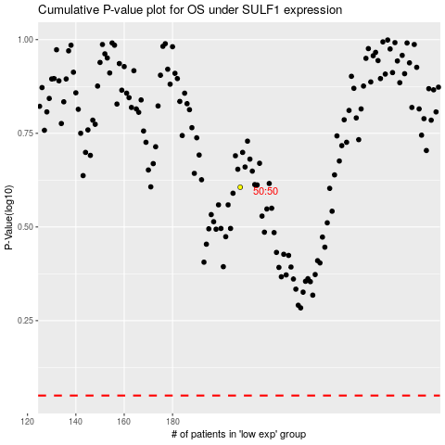

 |  |  |  |  |  | cases_OS | p_OS | rank | exp
 |  |  |  |  |  |  | cases_RFS | p_RFS | rank | exp

