SULT1A1 _multivariate
Reported by Tex Li-Hsing Chi. tex@gate.sinica.edu.tw 2019-08-15

Table 2. The clinicopathological features of HNSCC cohort and SULT1A1 expression. (Chi square test)
Cutoff at -0.302 (49.8%)
 |  | SULT1A1 expression |  | SULT1A1 expression |  | (Optimised)
 | Features | Low | (%) | High | (%) | Case no | P-value | Remark | Matthews
Gender | Female | 148 | 35.7 | 158 | 38.1 | 415 | 0.3567 | 0 | 0
2 | Male | 59 | 14.2 | 50 | 12
Age at diagnosis | <=65y | 137 | 33 | 137 | 33 | 415 | 1 | 0 | 0
4 | >65y | 70 | 16.9 | 71 | 17.1
Clinical T Status | T1+T2 | 82 | 19.8 | 67 | 16.1 | 415 | 0.1417 | 0 | 0
6 | T3+T4 | 125 | 30.1 | 141 | 34
Clinical N Status | N0 | 112 | 27 | 104 | 25.1 | 415 | 0.4599 | 0 | 0
8 | N1-3 | 95 | 22.9 | 104 | 25.1
Clinical M Status | M0 | 206 | 49.6 | 206 | 49.6 | 415 | 1 | 0 | 0
10 | M1 | 1 | 0.2 | 2 | 0.5
Clinical Stage | Stage I+II | 61 | 14.7 | 41 | 9.9 | 415 | 0.0282 | 1 | 0
12 | Stage III+IV | 146 | 35.2 | 167 | 40.2
Surgical Margin status | Negative | 161 | 38.8 | 157 | 37.8 | 415 | 0.6429 | 0 | 0
14 | Positive | 46 | 11.1 | 51 | 12.3
Tobacco Exposure | Low | 92 | 22.2 | 69 | 16.6 | 415 | 0.0206 | 1 | 0
16 | High | 115 | 27.7 | 139 | 33.5

Table 3. Univariate/Multivariate Cox's proportional hazards regression analyses on OS time of SULT1A1 gene expression in HNSCC

 |  | Univariate |  |  |  | Multivariate
 | Features | HR | CI95%(L) | CI95%(H) | P-value | HR | CI95%(L) | CI95%(H) | P-value
1 | Female | 1 |  |  |  | 1
Gender | Male | 1.157 | 0.843 | 1.587 | 0.367 | 1.2 | 0.859 | 1.677 | 0.285
11 | <=65y | 1 |  |  |  | 1
Age at diagnosis | >65y | 1.329 | 0.99 | 1.784 | 0.058 | 1.391 | 1.023 | 1.891 | 0.035
12 | T1+T2 | 1 |  |  |  | 1
Clinical T Status | T3+T4 | 1.409 | 1.028 | 1.931 | 0.033 | 2.201 | 1.164 | 4.161 | 0.015
13 | N0 | 1 |  |  |  | 1
Clinical N Status | N1-3 | 1.185 | 0.89 | 1.577 | 0.246 | 1.241 | 0.87 | 1.771 | 0.234
14 | M0 | 1 |  |  |  | 1
Clinical M Status | M1 | 4.097 | 1.009 | 16.644 | 0.049 | 9.303 | 2.024 | 42.751 | 0.004
15 | Stage I+II | 1 |  |  |  | 1
Clinical Stage | Stage III+IV | 1.245 | 0.882 | 1.759 | 0.213 | 0.503 | 0.234 | 1.08 | 0.078
16 | Negative | 1 |  |  |  | 1
Surgical Margin status | Positive | 1.591 | 1.155 | 2.191 | 0.004 | 1.671 | 1.209 | 2.309 | 0.002
17 | Low | 1 |  |  |  | 1
Tobacco Exposure | High | 1.364 | 1.008 | 1.844 | 0.044 | 1.449 | 1.051 | 1.998 | 0.024
18 | Low | 1 |  |  |  | 1
RNAseq(z-score) | High | 1.099 | 0.825 | 1.463 | 0.521 | 1.038 | 0.776 | 1.387 | 0.804

Table 4. Univariate/Multivariate Cox's proportional hazards regression analyses on RFS time of SULT1A1 gene expression in HNSCC

 |  | Univariate |  |  |  | Multivariate
 | Features | HR | CI95%(L) | CI95%(H) | P-value | HR | CI95%(L) | CI95%(H) | P-value
1 | Female | 1 |  |  |  | 1
Gender | Male | 1.157 | 0.843 | 1.587 | 0.367 | 1.2 | 0.859 | 1.677 | 0.285
11 | <=65y | 1 |  |  |  | 1
Age at diagnosis | >65y | 1.329 | 0.99 | 1.784 | 0.058 | 1.391 | 1.023 | 1.891 | 0.035
12 | T1+T2 | 1 |  |  |  | 1
Clinical T Status | T3+T4 | 1.409 | 1.028 | 1.931 | 0.033 | 2.201 | 1.164 | 4.161 | 0.015
13 | N0 | 1 |  |  |  | 1
Clinical N Status | N1-3 | 1.185 | 0.89 | 1.577 | 0.246 | 1.241 | 0.87 | 1.771 | 0.234
14 | M0 | 1 |  |  |  | 1
Clinical M Status | M1 | 4.097 | 1.009 | 16.644 | 0.049 | 9.303 | 2.024 | 42.751 | 0.004
15 | Stage I+II | 1 |  |  |  | 1
Clinical Stage | Stage III+IV | 1.245 | 0.882 | 1.759 | 0.213 | 0.503 | 0.234 | 1.08 | 0.078
16 | Negative | 1 |  |  |  | 1
Surgical Margin status | Positive | 1.591 | 1.155 | 2.191 | 0.004 | 1.671 | 1.209 | 2.309 | 0.002
17 | Low | 1 |  |  |  | 1
Tobacco Exposure | High | 1.364 | 1.008 | 1.844 | 0.044 | 1.449 | 1.051 | 1.998 | 0.024
18 | Low | 1 |  |  |  | 1
RNAseq(z-score) | High | 1.099 | 0.825 | 1.463 | 0.521 | 1.038 | 0.776 | 1.387 | 0.804

Kaplan-Meier survival estimate: Cutoff at -0.302 (49.8%)



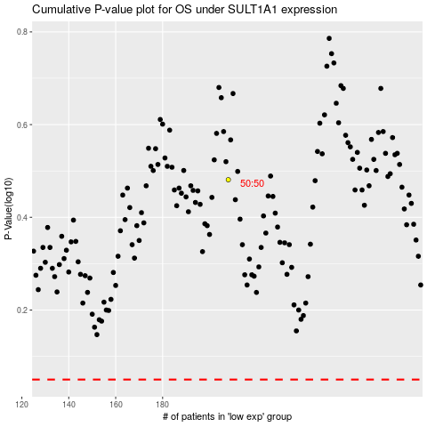

 |  |  |  |  |  | cases_OS | p_OS | rank | exp
 |  |  |  |  |  |  | cases_RFS | p_RFS | rank | exp

