SULT1A2 _multivariate
Reported by Tex Li-Hsing Chi. tex@gate.sinica.edu.tw 2019-08-15

Table 2. The clinicopathological features of HNSCC cohort and SULT1A2 expression. (Chi square test)
Cutoff at -0.281 (49.8%)
 |  | SULT1A2 expression |  | SULT1A2 expression |  | (Optimised)
 | Features | Low | (%) | High | (%) | Case no | P-value | Remark | Matthews
Gender | Female | 143 | 34.5 | 163 | 39.3 | 415 | 0.0416 | 1 | 0
2 | Male | 64 | 15.4 | 45 | 10.8
Age at diagnosis | <=65y | 132 | 31.8 | 142 | 34.2 | 415 | 0.3874 | 0 | 0
4 | >65y | 75 | 18.1 | 66 | 15.9
Clinical T Status | T1+T2 | 85 | 20.5 | 64 | 15.4 | 415 | 0.0372 | 1 | 0
6 | T3+T4 | 122 | 29.4 | 144 | 34.7
Clinical N Status | N0 | 104 | 25.1 | 112 | 27 | 415 | 0.5243 | 0 | 0
8 | N1-3 | 103 | 24.8 | 96 | 23.1
Clinical M Status | M0 | 205 | 49.4 | 207 | 49.9 | 415 | 0.6232 | 0 | 0
10 | M1 | 2 | 0.5 | 1 | 0.2
Clinical Stage | Stage I+II | 59 | 14.2 | 43 | 10.4 | 415 | 0.0822 | 0 | 0
12 | Stage III+IV | 148 | 35.7 | 165 | 39.8
Surgical Margin status | Negative | 158 | 38.1 | 160 | 38.6 | 415 | 0.9081 | 0 | 0
14 | Positive | 49 | 11.8 | 48 | 11.6
Tobacco Exposure | Low | 93 | 22.4 | 68 | 16.4 | 415 | 0.0118 | 1 | 0
16 | High | 114 | 27.5 | 140 | 33.7

Table 3. Univariate/Multivariate Cox's proportional hazards regression analyses on OS time of SULT1A2 gene expression in HNSCC

 |  | Univariate |  |  |  | Multivariate
 | Features | HR | CI95%(L) | CI95%(H) | P-value | HR | CI95%(L) | CI95%(H) | P-value
1 | Female | 1 |  |  |  | 1
Gender | Male | 1.157 | 0.843 | 1.587 | 0.367 | 1.198 | 0.858 | 1.674 | 0.289
11 | <=65y | 1 |  |  |  | 1
Age at diagnosis | >65y | 1.329 | 0.99 | 1.784 | 0.058 | 1.38 | 1.015 | 1.877 | 0.04
12 | T1+T2 | 1 |  |  |  | 1
Clinical T Status | T3+T4 | 1.409 | 1.028 | 1.931 | 0.033 | 2.245 | 1.186 | 4.25 | 0.013
13 | N0 | 1 |  |  |  | 1
Clinical N Status | N1-3 | 1.185 | 0.89 | 1.577 | 0.246 | 1.225 | 0.858 | 1.748 | 0.264
14 | M0 | 1 |  |  |  | 1
Clinical M Status | M1 | 4.097 | 1.009 | 16.644 | 0.049 | 9.434 | 2.058 | 43.256 | 0.004
15 | Stage I+II | 1 |  |  |  | 1
Clinical Stage | Stage III+IV | 1.245 | 0.882 | 1.759 | 0.213 | 0.51 | 0.238 | 1.096 | 0.085
16 | Negative | 1 |  |  |  | 1
Surgical Margin status | Positive | 1.591 | 1.155 | 2.191 | 0.004 | 1.688 | 1.221 | 2.334 | 0.002
17 | Low | 1 |  |  |  | 1
Tobacco Exposure | High | 1.364 | 1.008 | 1.844 | 0.044 | 1.501 | 1.083 | 2.081 | 0.015
18 | Low | 1 |  |  |  | 1
RNAseq(z-score) | High | 0.934 | 0.701 | 1.244 | 0.642 | 0.848 | 0.63 | 1.142 | 0.278

Table 4. Univariate/Multivariate Cox's proportional hazards regression analyses on RFS time of SULT1A2 gene expression in HNSCC

 |  | Univariate |  |  |  | Multivariate
 | Features | HR | CI95%(L) | CI95%(H) | P-value | HR | CI95%(L) | CI95%(H) | P-value
1 | Female | 1 |  |  |  | 1
Gender | Male | 1.157 | 0.843 | 1.587 | 0.367 | 1.198 | 0.858 | 1.674 | 0.289
11 | <=65y | 1 |  |  |  | 1
Age at diagnosis | >65y | 1.329 | 0.99 | 1.784 | 0.058 | 1.38 | 1.015 | 1.877 | 0.04
12 | T1+T2 | 1 |  |  |  | 1
Clinical T Status | T3+T4 | 1.409 | 1.028 | 1.931 | 0.033 | 2.245 | 1.186 | 4.25 | 0.013
13 | N0 | 1 |  |  |  | 1
Clinical N Status | N1-3 | 1.185 | 0.89 | 1.577 | 0.246 | 1.225 | 0.858 | 1.748 | 0.264
14 | M0 | 1 |  |  |  | 1
Clinical M Status | M1 | 4.097 | 1.009 | 16.644 | 0.049 | 9.434 | 2.058 | 43.256 | 0.004
15 | Stage I+II | 1 |  |  |  | 1
Clinical Stage | Stage III+IV | 1.245 | 0.882 | 1.759 | 0.213 | 0.51 | 0.238 | 1.096 | 0.085
16 | Negative | 1 |  |  |  | 1
Surgical Margin status | Positive | 1.591 | 1.155 | 2.191 | 0.004 | 1.688 | 1.221 | 2.334 | 0.002
17 | Low | 1 |  |  |  | 1
Tobacco Exposure | High | 1.364 | 1.008 | 1.844 | 0.044 | 1.501 | 1.083 | 2.081 | 0.015
18 | Low | 1 |  |  |  | 1
RNAseq(z-score) | High | 0.934 | 0.701 | 1.244 | 0.642 | 0.848 | 0.63 | 1.142 | 0.278

Kaplan-Meier survival estimate: Cutoff at -0.281 (49.8%)



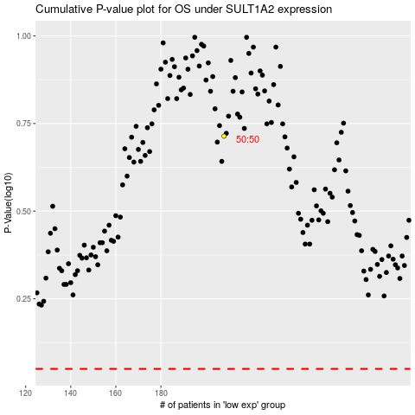

 |  |  |  |  |  | cases_OS | p_OS | rank | exp
 |  |  |  |  |  |  | cases_RFS | p_RFS | rank | exp

