SULT1A3 _multivariate
Reported by Tex Li-Hsing Chi. tex@gate.sinica.edu.tw 2019-08-15

Table 2. The clinicopathological features of HNSCC cohort and SULT1A3 expression. (Chi square test)
Cutoff at -0.286 (49.8%)
 |  | SULT1A3 expression |  | SULT1A3 expression |  | (Optimised)
 | Features | Low | (%) | High | (%) | Case no | P-value | Remark | Matthews
Gender | Female | 143 | 34.5 | 163 | 39.3 | 415 | 0.0416 | 1 | 0
2 | Male | 64 | 15.4 | 45 | 10.8
Age at diagnosis | <=65y | 136 | 32.8 | 138 | 33.3 | 415 | 0.9719 | 0 | 0
4 | >65y | 71 | 17.1 | 70 | 16.9
Clinical T Status | T1+T2 | 74 | 17.8 | 75 | 18.1 | 415 | 1 | 0 | 0
6 | T3+T4 | 133 | 32 | 133 | 32
Clinical N Status | N0 | 108 | 26 | 108 | 26 | 415 | 1 | 0 | 0
8 | N1-3 | 99 | 23.9 | 100 | 24.1
Clinical M Status | M0 | 207 | 49.9 | 205 | 49.4 | 415 | 0.2482 | 0 | 0
10 | M1 | 0 | 0 | 3 | 0.7
Clinical Stage | Stage I+II | 52 | 12.5 | 50 | 12 | 415 | 0.8871 | 0 | 0
12 | Stage III+IV | 155 | 37.3 | 158 | 38.1
Surgical Margin status | Negative | 167 | 40.2 | 151 | 36.4 | 415 | 0.0632 | 0 | 0
14 | Positive | 40 | 9.6 | 57 | 13.7
Tobacco Exposure | Low | 88 | 21.2 | 73 | 17.6 | 415 | 0.1314 | 0 | 0
16 | High | 119 | 28.7 | 135 | 32.5

Table 3. Univariate/Multivariate Cox's proportional hazards regression analyses on OS time of SULT1A3 gene expression in HNSCC

 |  | Univariate |  |  |  | Multivariate
 | Features | HR | CI95%(L) | CI95%(H) | P-value | HR | CI95%(L) | CI95%(H) | P-value
1 | Female | 1 |  |  |  | 1
Gender | Male | 1.157 | 0.843 | 1.587 | 0.367 | 1.198 | 0.858 | 1.674 | 0.288
11 | <=65y | 1 |  |  |  | 1
Age at diagnosis | >65y | 1.329 | 0.99 | 1.784 | 0.058 | 1.397 | 1.027 | 1.9 | 0.033
12 | T1+T2 | 1 |  |  |  | 1
Clinical T Status | T3+T4 | 1.409 | 1.028 | 1.931 | 0.033 | 2.206 | 1.167 | 4.172 | 0.015
13 | N0 | 1 |  |  |  | 1
Clinical N Status | N1-3 | 1.185 | 0.89 | 1.577 | 0.246 | 1.239 | 0.869 | 1.768 | 0.237
14 | M0 | 1 |  |  |  | 1
Clinical M Status | M1 | 4.097 | 1.009 | 16.644 | 0.049 | 10.047 | 2.172 | 46.472 | 0.003
15 | Stage I+II | 1 |  |  |  | 1
Clinical Stage | Stage III+IV | 1.245 | 0.882 | 1.759 | 0.213 | 0.501 | 0.234 | 1.076 | 0.077
16 | Negative | 1 |  |  |  | 1
Surgical Margin status | Positive | 1.591 | 1.155 | 2.191 | 0.004 | 1.698 | 1.226 | 2.351 | 0.001
17 | Low | 1 |  |  |  | 1
Tobacco Exposure | High | 1.364 | 1.008 | 1.844 | 0.044 | 1.478 | 1.069 | 2.042 | 0.018
18 | Low | 1 |  |  |  | 1
RNAseq(z-score) | High | 0.967 | 0.725 | 1.29 | 0.821 | 0.887 | 0.66 | 1.192 | 0.426

Table 4. Univariate/Multivariate Cox's proportional hazards regression analyses on RFS time of SULT1A3 gene expression in HNSCC

 |  | Univariate |  |  |  | Multivariate
 | Features | HR | CI95%(L) | CI95%(H) | P-value | HR | CI95%(L) | CI95%(H) | P-value
1 | Female | 1 |  |  |  | 1
Gender | Male | 1.157 | 0.843 | 1.587 | 0.367 | 1.198 | 0.858 | 1.674 | 0.288
11 | <=65y | 1 |  |  |  | 1
Age at diagnosis | >65y | 1.329 | 0.99 | 1.784 | 0.058 | 1.397 | 1.027 | 1.9 | 0.033
12 | T1+T2 | 1 |  |  |  | 1
Clinical T Status | T3+T4 | 1.409 | 1.028 | 1.931 | 0.033 | 2.206 | 1.167 | 4.172 | 0.015
13 | N0 | 1 |  |  |  | 1
Clinical N Status | N1-3 | 1.185 | 0.89 | 1.577 | 0.246 | 1.239 | 0.869 | 1.768 | 0.237
14 | M0 | 1 |  |  |  | 1
Clinical M Status | M1 | 4.097 | 1.009 | 16.644 | 0.049 | 10.047 | 2.172 | 46.472 | 0.003
15 | Stage I+II | 1 |  |  |  | 1
Clinical Stage | Stage III+IV | 1.245 | 0.882 | 1.759 | 0.213 | 0.501 | 0.234 | 1.076 | 0.077
16 | Negative | 1 |  |  |  | 1
Surgical Margin status | Positive | 1.591 | 1.155 | 2.191 | 0.004 | 1.698 | 1.226 | 2.351 | 0.001
17 | Low | 1 |  |  |  | 1
Tobacco Exposure | High | 1.364 | 1.008 | 1.844 | 0.044 | 1.478 | 1.069 | 2.042 | 0.018
18 | Low | 1 |  |  |  | 1
RNAseq(z-score) | High | 0.967 | 0.725 | 1.29 | 0.821 | 0.887 | 0.66 | 1.192 | 0.426

Kaplan-Meier survival estimate: Cutoff at -0.286 (49.8%)



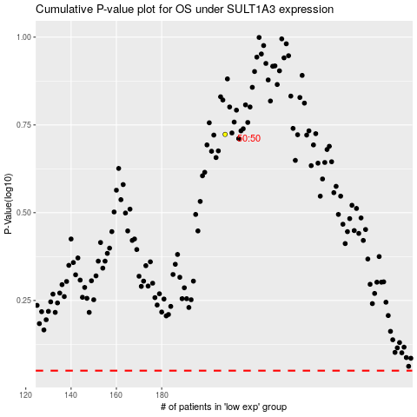

 |  |  |  |  |  | cases_OS | p_OS | rank | exp
 |  |  |  |  |  |  | cases_RFS | p_RFS | rank | exp

