SULT1E1 _multivariate
Reported by Tex Li-Hsing Chi. tex@gate.sinica.edu.tw 2019-08-15

Table 2. The clinicopathological features of HNSCC cohort and SULT1E1 expression. (Chi square test)
Cutoff at -0.235 (39.1%)
 |  | SULT1E1 expression |  | SULT1E1 expression |  | (Optimised)
 | Features | Low | (%) | High | (%) | Case no | P-value | Remark | Matthews
Gender | Female | 123 | 29.6 | 183 | 44.1 | 415 | 0.4856 | 0 | 0
2 | Male | 39 | 9.4 | 70 | 16.9
Age at diagnosis | <=65y | 100 | 24.1 | 174 | 41.9 | 415 | 0.17 | 0 | 0
4 | >65y | 62 | 14.9 | 79 | 19
Clinical T Status | T1+T2 | 60 | 14.5 | 89 | 21.4 | 415 | 0.7793 | 0 | 0
6 | T3+T4 | 102 | 24.6 | 164 | 39.5
Clinical N Status | N0 | 83 | 20 | 133 | 32 | 415 | 0.8691 | 0 | 0
8 | N1-3 | 79 | 19 | 120 | 28.9
Clinical M Status | M0 | 161 | 38.8 | 251 | 60.5 | 415 | 1 | 0 | 0
10 | M1 | 1 | 0.2 | 2 | 0.5
Clinical Stage | Stage I+II | 41 | 9.9 | 61 | 14.7 | 415 | 0.8732 | 0 | 0
12 | Stage III+IV | 121 | 29.2 | 192 | 46.3
Surgical Margin status | Negative | 117 | 28.2 | 201 | 48.4 | 415 | 0.0969 | 0 | 0
14 | Positive | 45 | 10.8 | 52 | 12.5
Tobacco Exposure | Low | 75 | 18.1 | 86 | 20.7 | 415 | 0.0133 | 1 | 0
16 | High | 87 | 21 | 167 | 40.2

Table 3. Univariate/Multivariate Cox's proportional hazards regression analyses on OS time of SULT1E1 gene expression in HNSCC

 |  | Univariate |  |  |  | Multivariate
 | Features | HR | CI95%(L) | CI95%(H) | P-value | HR | CI95%(L) | CI95%(H) | P-value
1 | Female | 1 |  |  |  | 1
Gender | Male | 1.157 | 0.843 | 1.587 | 0.367 | 1.228 | 0.878 | 1.716 | 0.23
11 | <=65y | 1 |  |  |  | 1
Age at diagnosis | >65y | 1.329 | 0.99 | 1.784 | 0.058 | 1.394 | 1.026 | 1.893 | 0.034
12 | T1+T2 | 1 |  |  |  | 1
Clinical T Status | T3+T4 | 1.409 | 1.028 | 1.931 | 0.033 | 2.2 | 1.165 | 4.154 | 0.015
13 | N0 | 1 |  |  |  | 1
Clinical N Status | N1-3 | 1.185 | 0.89 | 1.577 | 0.246 | 1.253 | 0.877 | 1.789 | 0.215
14 | M0 | 1 |  |  |  | 1
Clinical M Status | M1 | 4.097 | 1.009 | 16.644 | 0.049 | 10.026 | 2.186 | 45.985 | 0.003
15 | Stage I+II | 1 |  |  |  | 1
Clinical Stage | Stage III+IV | 1.245 | 0.882 | 1.759 | 0.213 | 0.519 | 0.241 | 1.116 | 0.093
16 | Negative | 1 |  |  |  | 1
Surgical Margin status | Positive | 1.591 | 1.155 | 2.191 | 0.004 | 1.587 | 1.146 | 2.198 | 0.005
17 | Low | 1 |  |  |  | 1
Tobacco Exposure | High | 1.364 | 1.008 | 1.844 | 0.044 | 1.521 | 1.102 | 2.1 | 0.011
18 | Low | 1 |  |  |  | 1
RNAseq(z-score) | High | 0.751 | 0.563 | 1.001 | 0.051 | 0.715 | 0.533 | 0.961 | 0.026

Table 4. Univariate/Multivariate Cox's proportional hazards regression analyses on RFS time of SULT1E1 gene expression in HNSCC

 |  | Univariate |  |  |  | Multivariate
 | Features | HR | CI95%(L) | CI95%(H) | P-value | HR | CI95%(L) | CI95%(H) | P-value
1 | Female | 1 |  |  |  | 1
Gender | Male | 1.157 | 0.843 | 1.587 | 0.367 | 1.228 | 0.878 | 1.716 | 0.23
11 | <=65y | 1 |  |  |  | 1
Age at diagnosis | >65y | 1.329 | 0.99 | 1.784 | 0.058 | 1.394 | 1.026 | 1.893 | 0.034
12 | T1+T2 | 1 |  |  |  | 1
Clinical T Status | T3+T4 | 1.409 | 1.028 | 1.931 | 0.033 | 2.2 | 1.165 | 4.154 | 0.015
13 | N0 | 1 |  |  |  | 1
Clinical N Status | N1-3 | 1.185 | 0.89 | 1.577 | 0.246 | 1.253 | 0.877 | 1.789 | 0.215
14 | M0 | 1 |  |  |  | 1
Clinical M Status | M1 | 4.097 | 1.009 | 16.644 | 0.049 | 10.026 | 2.186 | 45.985 | 0.003
15 | Stage I+II | 1 |  |  |  | 1
Clinical Stage | Stage III+IV | 1.245 | 0.882 | 1.759 | 0.213 | 0.519 | 0.241 | 1.116 | 0.093
16 | Negative | 1 |  |  |  | 1
Surgical Margin status | Positive | 1.591 | 1.155 | 2.191 | 0.004 | 1.587 | 1.146 | 2.198 | 0.005
17 | Low | 1 |  |  |  | 1
Tobacco Exposure | High | 1.364 | 1.008 | 1.844 | 0.044 | 1.521 | 1.102 | 2.1 | 0.011
18 | Low | 1 |  |  |  | 1
RNAseq(z-score) | High | 0.751 | 0.563 | 1.001 | 0.051 | 0.715 | 0.533 | 0.961 | 0.026

Kaplan-Meier survival estimate: Cutoff at -0.235 (39.1%)



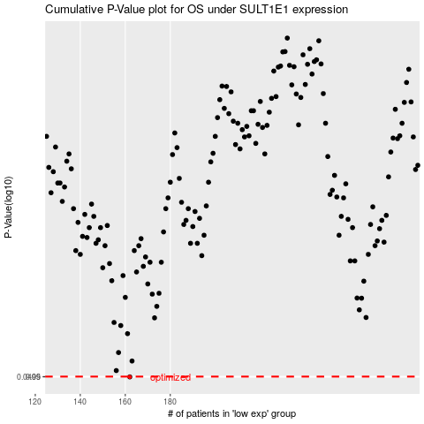

 |  |  |  |  |  | cases_OS | p_OS | rank | exp
 |  |  |  |  |  | 162 | 0.0499 | 388 | -0.235419026
 |  |  |  |  |  |  | cases_RFS | p_RFS | rank | exp
 |  |  |  |  |  |  | 161 | 0.0499 | 148 | -0.23570978005

