SUMF1 _multivariate
Reported by Tex Li-Hsing Chi. tex@gate.sinica.edu.tw 2019-08-15

Table 2. The clinicopathological features of HNSCC cohort and SUMF1 expression. (Chi square test)
Cutoff at -0.299 (49.8%)
 |  | SUMF1 expression |  | SUMF1 expression |  | (Optimised)
 | Features | Low | (%) | High | (%) | Case no | P-value | Remark | Matthews
Gender | Female | 154 | 37.1 | 152 | 36.6 | 415 | 0.8463 | 0 | 0
2 | Male | 53 | 12.8 | 56 | 13.5
Age at diagnosis | <=65y | 134 | 32.3 | 140 | 33.7 | 415 | 0.6529 | 0 | 0
4 | >65y | 73 | 17.6 | 68 | 16.4
Clinical T Status | T1+T2 | 71 | 17.1 | 78 | 18.8 | 415 | 0.5638 | 0 | 0
6 | T3+T4 | 136 | 32.8 | 130 | 31.3
Clinical N Status | N0 | 98 | 23.6 | 118 | 28.4 | 415 | 0.0694 | 0 | 0
8 | N1-3 | 109 | 26.3 | 90 | 21.7
Clinical M Status | M0 | 205 | 49.4 | 207 | 49.9 | 415 | 0.6232 | 0 | 0
10 | M1 | 2 | 0.5 | 1 | 0.2
Clinical Stage | Stage I+II | 45 | 10.8 | 57 | 13.7 | 415 | 0.2202 | 0 | 0
12 | Stage III+IV | 162 | 39 | 151 | 36.4
Surgical Margin status | Negative | 157 | 37.8 | 161 | 38.8 | 415 | 0.729 | 0 | 0
14 | Positive | 50 | 12 | 47 | 11.3
Tobacco Exposure | Low | 72 | 17.3 | 89 | 21.4 | 415 | 0.1071 | 0 | 0
16 | High | 135 | 32.5 | 119 | 28.7

Table 3. Univariate/Multivariate Cox's proportional hazards regression analyses on OS time of SUMF1 gene expression in HNSCC

 |  | Univariate |  |  |  | Multivariate
 | Features | HR | CI95%(L) | CI95%(H) | P-value | HR | CI95%(L) | CI95%(H) | P-value
1 | Female | 1 |  |  |  | 1
Gender | Male | 1.157 | 0.843 | 1.587 | 0.367 | 1.195 | 0.855 | 1.672 | 0.297
11 | <=65y | 1 |  |  |  | 1
Age at diagnosis | >65y | 1.329 | 0.99 | 1.784 | 0.058 | 1.399 | 1.028 | 1.903 | 0.033
12 | T1+T2 | 1 |  |  |  | 1
Clinical T Status | T3+T4 | 1.409 | 1.028 | 1.931 | 0.033 | 2.205 | 1.166 | 4.169 | 0.015
13 | N0 | 1 |  |  |  | 1
Clinical N Status | N1-3 | 1.185 | 0.89 | 1.577 | 0.246 | 1.252 | 0.875 | 1.792 | 0.219
14 | M0 | 1 |  |  |  | 1
Clinical M Status | M1 | 4.097 | 1.009 | 16.644 | 0.049 | 9.422 | 2.056 | 43.189 | 0.004
15 | Stage I+II | 1 |  |  |  | 1
Clinical Stage | Stage III+IV | 1.245 | 0.882 | 1.759 | 0.213 | 0.505 | 0.235 | 1.083 | 0.079
16 | Negative | 1 |  |  |  | 1
Surgical Margin status | Positive | 1.591 | 1.155 | 2.191 | 0.004 | 1.67 | 1.209 | 2.307 | 0.002
17 | Low | 1 |  |  |  | 1
Tobacco Exposure | High | 1.364 | 1.008 | 1.844 | 0.044 | 1.449 | 1.052 | 1.997 | 0.023
18 | Low | 1 |  |  |  | 1
RNAseq(z-score) | High | 1.004 | 0.754 | 1.338 | 0.977 | 1.057 | 0.789 | 1.418 | 0.709

Table 4. Univariate/Multivariate Cox's proportional hazards regression analyses on RFS time of SUMF1 gene expression in HNSCC

 |  | Univariate |  |  |  | Multivariate
 | Features | HR | CI95%(L) | CI95%(H) | P-value | HR | CI95%(L) | CI95%(H) | P-value
1 | Female | 1 |  |  |  | 1
Gender | Male | 1.157 | 0.843 | 1.587 | 0.367 | 1.195 | 0.855 | 1.672 | 0.297
11 | <=65y | 1 |  |  |  | 1
Age at diagnosis | >65y | 1.329 | 0.99 | 1.784 | 0.058 | 1.399 | 1.028 | 1.903 | 0.033
12 | T1+T2 | 1 |  |  |  | 1
Clinical T Status | T3+T4 | 1.409 | 1.028 | 1.931 | 0.033 | 2.205 | 1.166 | 4.169 | 0.015
13 | N0 | 1 |  |  |  | 1
Clinical N Status | N1-3 | 1.185 | 0.89 | 1.577 | 0.246 | 1.252 | 0.875 | 1.792 | 0.219
14 | M0 | 1 |  |  |  | 1
Clinical M Status | M1 | 4.097 | 1.009 | 16.644 | 0.049 | 9.422 | 2.056 | 43.189 | 0.004
15 | Stage I+II | 1 |  |  |  | 1
Clinical Stage | Stage III+IV | 1.245 | 0.882 | 1.759 | 0.213 | 0.505 | 0.235 | 1.083 | 0.079
16 | Negative | 1 |  |  |  | 1
Surgical Margin status | Positive | 1.591 | 1.155 | 2.191 | 0.004 | 1.67 | 1.209 | 2.307 | 0.002
17 | Low | 1 |  |  |  | 1
Tobacco Exposure | High | 1.364 | 1.008 | 1.844 | 0.044 | 1.449 | 1.052 | 1.997 | 0.023
18 | Low | 1 |  |  |  | 1
RNAseq(z-score) | High | 1.004 | 0.754 | 1.338 | 0.977 | 1.057 | 0.789 | 1.418 | 0.709

Kaplan-Meier survival estimate: Cutoff at -0.299 (49.8%)



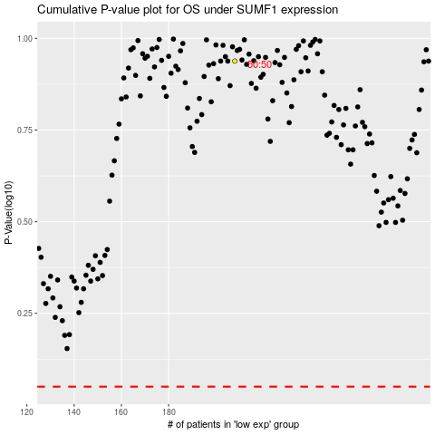

 |  |  |  |  |  | cases_OS | p_OS | rank | exp
 |  |  |  |  |  |  | cases_RFS | p_RFS | rank | exp

