SUPT4H1 _multivariate
Reported by Tex Li-Hsing Chi. tex@gate.sinica.edu.tw 2019-08-15

Table 2. The clinicopathological features of HNSCC cohort and SUPT4H1 expression. (Chi square test)
Cutoff at -0.183 (50.0%)
 |  | SUPT4H1 expression |  | SUPT4H1 expression |  | (Optimised)
 | Features | Low | (%) | High | (%) | Case no | P-value | Remark | Matthews
Gender | Female | 149 | 35.9 | 157 | 37.8 | 415 | 0.4848 | 0 | 0
2 | Male | 58 | 14 | 51 | 12.3
Age at diagnosis | <=65y | 142 | 34.2 | 132 | 31.8 | 415 | 0.3167 | 0 | 0
4 | >65y | 65 | 15.7 | 76 | 18.3
Clinical T Status | T1+T2 | 70 | 16.9 | 79 | 19 | 415 | 0.4343 | 0 | 0
6 | T3+T4 | 137 | 33 | 129 | 31.1
Clinical N Status | N0 | 114 | 27.5 | 102 | 24.6 | 415 | 0.2576 | 1 | 0
8 | N1-3 | 93 | 22.4 | 106 | 25.5
Clinical M Status | M0 | 207 | 49.9 | 205 | 49.4 | 415 | 0.2482 | 0 | 0
10 | M1 | 0 | 0 | 3 | 0.7
Clinical Stage | Stage I+II | 52 | 12.5 | 50 | 12 | 415 | 0.8871 | 0 | 0
12 | Stage III+IV | 155 | 37.3 | 158 | 38.1
Surgical Margin status | Negative | 170 | 41 | 148 | 35.7 | 415 | 0.0105 | 1 | 0
14 | Positive | 37 | 8.9 | 60 | 14.5
Tobacco Exposure | Low | 78 | 18.8 | 83 | 20 | 415 | 0.6873 | 0 | 0
16 | High | 129 | 31.1 | 125 | 30.1

Table 3. Univariate/Multivariate Cox's proportional hazards regression analyses on OS time of SUPT4H1 gene expression in HNSCC

 |  | Univariate |  |  |  | Multivariate
 | Features | HR | CI95%(L) | CI95%(H) | P-value | HR | CI95%(L) | CI95%(H) | P-value
1 | Female | 1 |  |  |  | 1
Gender | Male | 1.157 | 0.843 | 1.587 | 0.367 | 1.207 | 0.864 | 1.685 | 0.27
11 | <=65y | 1 |  |  |  | 1
Age at diagnosis | >65y | 1.329 | 0.99 | 1.784 | 0.058 | 1.381 | 1.015 | 1.877 | 0.04
12 | T1+T2 | 1 |  |  |  | 1
Clinical T Status | T3+T4 | 1.409 | 1.028 | 1.931 | 0.033 | 2.238 | 1.182 | 4.238 | 0.013
13 | N0 | 1 |  |  |  | 1
Clinical N Status | N1-3 | 1.185 | 0.89 | 1.577 | 0.246 | 1.229 | 0.861 | 1.755 | 0.256
14 | M0 | 1 |  |  |  | 1
Clinical M Status | M1 | 4.097 | 1.009 | 16.644 | 0.049 | 9.063 | 1.971 | 41.669 | 0.005
15 | Stage I+II | 1 |  |  |  | 1
Clinical Stage | Stage III+IV | 1.245 | 0.882 | 1.759 | 0.213 | 0.499 | 0.233 | 1.072 | 0.075
16 | Negative | 1 |  |  |  | 1
Surgical Margin status | Positive | 1.591 | 1.155 | 2.191 | 0.004 | 1.651 | 1.192 | 2.285 | 0.003
17 | Low | 1 |  |  |  | 1
Tobacco Exposure | High | 1.364 | 1.008 | 1.844 | 0.044 | 1.454 | 1.056 | 2.003 | 0.022
18 | Low | 1 |  |  |  | 1
RNAseq(z-score) | High | 1.16 | 0.871 | 1.545 | 0.309 | 1.118 | 0.835 | 1.498 | 0.455

Table 4. Univariate/Multivariate Cox's proportional hazards regression analyses on RFS time of SUPT4H1 gene expression in HNSCC

 |  | Univariate |  |  |  | Multivariate
 | Features | HR | CI95%(L) | CI95%(H) | P-value | HR | CI95%(L) | CI95%(H) | P-value
1 | Female | 1 |  |  |  | 1
Gender | Male | 1.157 | 0.843 | 1.587 | 0.367 | 1.207 | 0.864 | 1.685 | 0.27
11 | <=65y | 1 |  |  |  | 1
Age at diagnosis | >65y | 1.329 | 0.99 | 1.784 | 0.058 | 1.381 | 1.015 | 1.877 | 0.04
12 | T1+T2 | 1 |  |  |  | 1
Clinical T Status | T3+T4 | 1.409 | 1.028 | 1.931 | 0.033 | 2.238 | 1.182 | 4.238 | 0.013
13 | N0 | 1 |  |  |  | 1
Clinical N Status | N1-3 | 1.185 | 0.89 | 1.577 | 0.246 | 1.229 | 0.861 | 1.755 | 0.256
14 | M0 | 1 |  |  |  | 1
Clinical M Status | M1 | 4.097 | 1.009 | 16.644 | 0.049 | 9.063 | 1.971 | 41.669 | 0.005
15 | Stage I+II | 1 |  |  |  | 1
Clinical Stage | Stage III+IV | 1.245 | 0.882 | 1.759 | 0.213 | 0.499 | 0.233 | 1.072 | 0.075
16 | Negative | 1 |  |  |  | 1
Surgical Margin status | Positive | 1.591 | 1.155 | 2.191 | 0.004 | 1.651 | 1.192 | 2.285 | 0.003
17 | Low | 1 |  |  |  | 1
Tobacco Exposure | High | 1.364 | 1.008 | 1.844 | 0.044 | 1.454 | 1.056 | 2.003 | 0.022
18 | Low | 1 |  |  |  | 1
RNAseq(z-score) | High | 1.16 | 0.871 | 1.545 | 0.309 | 1.118 | 0.835 | 1.498 | 0.455

Kaplan-Meier survival estimate: Cutoff at -0.183 (50.0%)



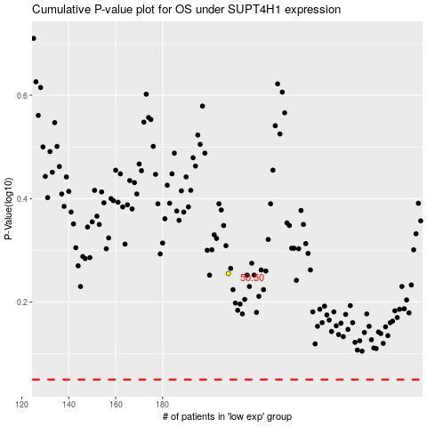

 |  |  |  |  |  | cases_OS | p_OS | rank | exp
 |  |  |  |  |  |  | cases_RFS | p_RFS | rank | exp

