SUPT5H _multivariate
Reported by Tex Li-Hsing Chi. tex@gate.sinica.edu.tw 2019-08-15

Table 2. The clinicopathological features of HNSCC cohort and SUPT5H expression. (Chi square test)
Cutoff at -0.065 (50.0%)
 |  | SUPT5H expression |  | SUPT5H expression |  | (Optimised)
 | Features | Low | (%) | High | (%) | Case no | P-value | Remark | Matthews
Gender | Female | 153 | 36.9 | 153 | 36.9 | 415 | 1 | 0 | 0
2 | Male | 54 | 13 | 55 | 13.3
Age at diagnosis | <=65y | 150 | 36.1 | 124 | 29.9 | 415 | 0.0078 | 1 | 0
4 | >65y | 57 | 13.7 | 84 | 20.2
Clinical T Status | T1+T2 | 85 | 20.5 | 64 | 15.4 | 415 | 0.0372 | 1 | 0
6 | T3+T4 | 122 | 29.4 | 144 | 34.7
Clinical N Status | N0 | 104 | 25.1 | 112 | 27 | 415 | 0.5243 | 0 | 0
8 | N1-3 | 103 | 24.8 | 96 | 23.1
Clinical M Status | M0 | 205 | 49.4 | 207 | 49.9 | 415 | 0.6232 | 0 | 0
10 | M1 | 2 | 0.5 | 1 | 0.2
Clinical Stage | Stage I+II | 54 | 13 | 48 | 11.6 | 415 | 0.5498 | 0 | 0
12 | Stage III+IV | 153 | 36.9 | 160 | 38.6
Surgical Margin status | Negative | 153 | 36.9 | 165 | 39.8 | 415 | 0.2036 | 0 | 0
14 | Positive | 54 | 13 | 43 | 10.4
Tobacco Exposure | Low | 76 | 18.3 | 85 | 20.5 | 415 | 0.4207 | 0 | 0
16 | High | 131 | 31.6 | 123 | 29.6

Table 3. Univariate/Multivariate Cox's proportional hazards regression analyses on OS time of SUPT5H gene expression in HNSCC

 |  | Univariate |  |  |  | Multivariate
 | Features | HR | CI95%(L) | CI95%(H) | P-value | HR | CI95%(L) | CI95%(H) | P-value
1 | Female | 1 |  |  |  | 1
Gender | Male | 1.157 | 0.843 | 1.587 | 0.367 | 1.201 | 0.86 | 1.678 | 0.282
11 | <=65y | 1 |  |  |  | 1
Age at diagnosis | >65y | 1.329 | 0.99 | 1.784 | 0.058 | 1.401 | 1.029 | 1.907 | 0.032
12 | T1+T2 | 1 |  |  |  | 1
Clinical T Status | T3+T4 | 1.409 | 1.028 | 1.931 | 0.033 | 2.231 | 1.176 | 4.233 | 0.014
13 | N0 | 1 |  |  |  | 1
Clinical N Status | N1-3 | 1.185 | 0.89 | 1.577 | 0.246 | 1.242 | 0.871 | 1.772 | 0.232
14 | M0 | 1 |  |  |  | 1
Clinical M Status | M1 | 4.097 | 1.009 | 16.644 | 0.049 | 9.436 | 2.058 | 43.261 | 0.004
15 | Stage I+II | 1 |  |  |  | 1
Clinical Stage | Stage III+IV | 1.245 | 0.882 | 1.759 | 0.213 | 0.5 | 0.233 | 1.075 | 0.076
16 | Negative | 1 |  |  |  | 1
Surgical Margin status | Positive | 1.591 | 1.155 | 2.191 | 0.004 | 1.666 | 1.205 | 2.303 | 0.002
17 | Low | 1 |  |  |  | 1
Tobacco Exposure | High | 1.364 | 1.008 | 1.844 | 0.044 | 1.449 | 1.051 | 1.996 | 0.024
18 | Low | 1 |  |  |  | 1
RNAseq(z-score) | High | 0.996 | 0.745 | 1.331 | 0.979 | 0.942 | 0.7 | 1.266 | 0.691

Table 4. Univariate/Multivariate Cox's proportional hazards regression analyses on RFS time of SUPT5H gene expression in HNSCC

 |  | Univariate |  |  |  | Multivariate
 | Features | HR | CI95%(L) | CI95%(H) | P-value | HR | CI95%(L) | CI95%(H) | P-value
1 | Female | 1 |  |  |  | 1
Gender | Male | 1.157 | 0.843 | 1.587 | 0.367 | 1.201 | 0.86 | 1.678 | 0.282
11 | <=65y | 1 |  |  |  | 1
Age at diagnosis | >65y | 1.329 | 0.99 | 1.784 | 0.058 | 1.401 | 1.029 | 1.907 | 0.032
12 | T1+T2 | 1 |  |  |  | 1
Clinical T Status | T3+T4 | 1.409 | 1.028 | 1.931 | 0.033 | 2.231 | 1.176 | 4.233 | 0.014
13 | N0 | 1 |  |  |  | 1
Clinical N Status | N1-3 | 1.185 | 0.89 | 1.577 | 0.246 | 1.242 | 0.871 | 1.772 | 0.232
14 | M0 | 1 |  |  |  | 1
Clinical M Status | M1 | 4.097 | 1.009 | 16.644 | 0.049 | 9.436 | 2.058 | 43.261 | 0.004
15 | Stage I+II | 1 |  |  |  | 1
Clinical Stage | Stage III+IV | 1.245 | 0.882 | 1.759 | 0.213 | 0.5 | 0.233 | 1.075 | 0.076
16 | Negative | 1 |  |  |  | 1
Surgical Margin status | Positive | 1.591 | 1.155 | 2.191 | 0.004 | 1.666 | 1.205 | 2.303 | 0.002
17 | Low | 1 |  |  |  | 1
Tobacco Exposure | High | 1.364 | 1.008 | 1.844 | 0.044 | 1.449 | 1.051 | 1.996 | 0.024
18 | Low | 1 |  |  |  | 1
RNAseq(z-score) | High | 0.996 | 0.745 | 1.331 | 0.979 | 0.942 | 0.7 | 1.266 | 0.691

Kaplan-Meier survival estimate: Cutoff at -0.065 (50.0%)



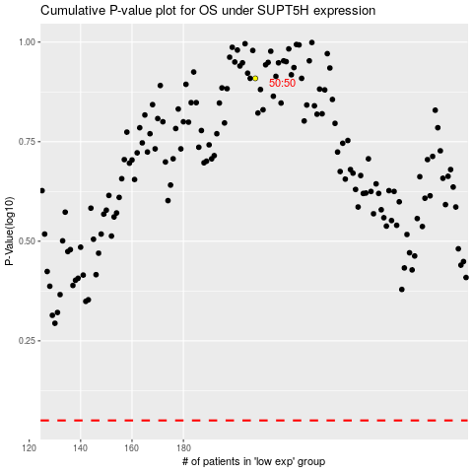

 |  |  |  |  |  | cases_OS | p_OS | rank | exp
 |  |  |  |  |  |  | cases_RFS | p_RFS | rank | exp

