SUPV3L1 _multivariate
Reported by Tex Li-Hsing Chi. tex@gate.sinica.edu.tw 2019-08-15

Table 2. The clinicopathological features of HNSCC cohort and SUPV3L1 expression. (Chi square test)
Cutoff at -0.176 (49.8%)
 |  | SUPV3L1 expression |  | SUPV3L1 expression |  | (Optimised)
 | Features | Low | (%) | High | (%) | Case no | P-value | Remark | Matthews
Gender | Female | 136 | 32.8 | 170 | 41 | 415 | 3e-04 | 1 | 0
2 | Male | 71 | 17.1 | 38 | 9.2
Age at diagnosis | <=65y | 131 | 31.6 | 143 | 34.5 | 415 | 0.2839 | 0 | 0
4 | >65y | 76 | 18.3 | 65 | 15.7
Clinical T Status | T1+T2 | 85 | 20.5 | 64 | 15.4 | 415 | 0.0372 | 1 | 0
6 | T3+T4 | 122 | 29.4 | 144 | 34.7
Clinical N Status | N0 | 118 | 28.4 | 98 | 23.6 | 415 | 0.0551 | 1 | 0
8 | N1-3 | 89 | 21.4 | 110 | 26.5
Clinical M Status | M0 | 207 | 49.9 | 205 | 49.4 | 415 | 0.2482 | 0 | 0
10 | M1 | 0 | 0 | 3 | 0.7
Clinical Stage | Stage I+II | 63 | 15.2 | 39 | 9.4 | 415 | 0.008 | 1 | 0
12 | Stage III+IV | 144 | 34.7 | 169 | 40.7
Surgical Margin status | Negative | 160 | 38.6 | 158 | 38.1 | 415 | 0.8167 | 0 | 0
14 | Positive | 47 | 11.3 | 50 | 12
Tobacco Exposure | Low | 91 | 21.9 | 70 | 16.9 | 415 | 0.0346 | 1 | 0
16 | High | 116 | 28 | 138 | 33.3

Table 3. Univariate/Multivariate Cox's proportional hazards regression analyses on OS time of SUPV3L1 gene expression in HNSCC

 |  | Univariate |  |  |  | Multivariate
 | Features | HR | CI95%(L) | CI95%(H) | P-value | HR | CI95%(L) | CI95%(H) | P-value
1 | Female | 1 |  |  |  | 1
Gender | Male | 1.157 | 0.843 | 1.587 | 0.367 | 1.19 | 0.85 | 1.665 | 0.31
11 | <=65y | 1 |  |  |  | 1
Age at diagnosis | >65y | 1.329 | 0.99 | 1.784 | 0.058 | 1.392 | 1.024 | 1.893 | 0.035
12 | T1+T2 | 1 |  |  |  | 1
Clinical T Status | T3+T4 | 1.409 | 1.028 | 1.931 | 0.033 | 2.211 | 1.169 | 4.183 | 0.015
13 | N0 | 1 |  |  |  | 1
Clinical N Status | N1-3 | 1.185 | 0.89 | 1.577 | 0.246 | 1.245 | 0.873 | 1.776 | 0.226
14 | M0 | 1 |  |  |  | 1
Clinical M Status | M1 | 4.097 | 1.009 | 16.644 | 0.049 | 9.766 | 2.116 | 45.067 | 0.003
15 | Stage I+II | 1 |  |  |  | 1
Clinical Stage | Stage III+IV | 1.245 | 0.882 | 1.759 | 0.213 | 0.509 | 0.237 | 1.094 | 0.084
16 | Negative | 1 |  |  |  | 1
Surgical Margin status | Positive | 1.591 | 1.155 | 2.191 | 0.004 | 1.677 | 1.213 | 2.318 | 0.002
17 | Low | 1 |  |  |  | 1
Tobacco Exposure | High | 1.364 | 1.008 | 1.844 | 0.044 | 1.457 | 1.057 | 2.007 | 0.021
18 | Low | 1 |  |  |  | 1
RNAseq(z-score) | High | 1.004 | 0.753 | 1.338 | 0.978 | 0.924 | 0.687 | 1.242 | 0.6

Table 4. Univariate/Multivariate Cox's proportional hazards regression analyses on RFS time of SUPV3L1 gene expression in HNSCC

 |  | Univariate |  |  |  | Multivariate
 | Features | HR | CI95%(L) | CI95%(H) | P-value | HR | CI95%(L) | CI95%(H) | P-value
1 | Female | 1 |  |  |  | 1
Gender | Male | 1.157 | 0.843 | 1.587 | 0.367 | 1.19 | 0.85 | 1.665 | 0.31
11 | <=65y | 1 |  |  |  | 1
Age at diagnosis | >65y | 1.329 | 0.99 | 1.784 | 0.058 | 1.392 | 1.024 | 1.893 | 0.035
12 | T1+T2 | 1 |  |  |  | 1
Clinical T Status | T3+T4 | 1.409 | 1.028 | 1.931 | 0.033 | 2.211 | 1.169 | 4.183 | 0.015
13 | N0 | 1 |  |  |  | 1
Clinical N Status | N1-3 | 1.185 | 0.89 | 1.577 | 0.246 | 1.245 | 0.873 | 1.776 | 0.226
14 | M0 | 1 |  |  |  | 1
Clinical M Status | M1 | 4.097 | 1.009 | 16.644 | 0.049 | 9.766 | 2.116 | 45.067 | 0.003
15 | Stage I+II | 1 |  |  |  | 1
Clinical Stage | Stage III+IV | 1.245 | 0.882 | 1.759 | 0.213 | 0.509 | 0.237 | 1.094 | 0.084
16 | Negative | 1 |  |  |  | 1
Surgical Margin status | Positive | 1.591 | 1.155 | 2.191 | 0.004 | 1.677 | 1.213 | 2.318 | 0.002
17 | Low | 1 |  |  |  | 1
Tobacco Exposure | High | 1.364 | 1.008 | 1.844 | 0.044 | 1.457 | 1.057 | 2.007 | 0.021
18 | Low | 1 |  |  |  | 1
RNAseq(z-score) | High | 1.004 | 0.753 | 1.338 | 0.978 | 0.924 | 0.687 | 1.242 | 0.6

Kaplan-Meier survival estimate: Cutoff at -0.176 (49.8%)

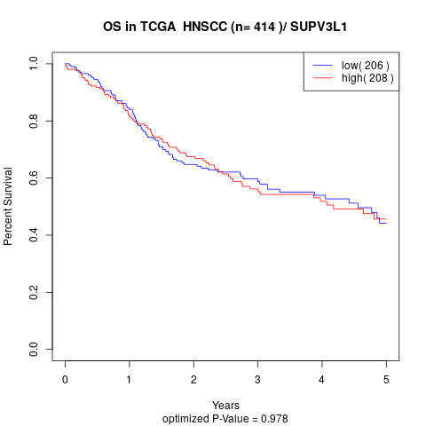

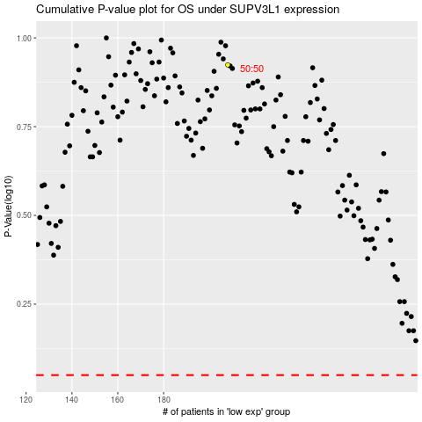

 |  |  |  |  |  | cases_OS | p_OS | rank | exp
 |  |  |  |  |  |  | cases_RFS | p_RFS | rank | exp

