SURF6 _multivariate
Reported by Tex Li-Hsing Chi. tex@gate.sinica.edu.tw 2019-08-15

Table 2. The clinicopathological features of HNSCC cohort and SURF6 expression. (Chi square test)
Cutoff at -0.196 (50.0%)
 |  | SURF6 expression |  | SURF6 expression |  | (Optimised)
 | Features | Low | (%) | High | (%) | Case no | P-value | Remark | Matthews
Gender | Female | 147 | 35.4 | 159 | 38.3 | 415 | 0.2523 | 0 | 0
2 | Male | 60 | 14.5 | 49 | 11.8
Age at diagnosis | <=65y | 132 | 31.8 | 142 | 34.2 | 415 | 0.3874 | 0 | 0
4 | >65y | 75 | 18.1 | 66 | 15.9
Clinical T Status | T1+T2 | 79 | 19 | 70 | 16.9 | 415 | 0.3924 | 0 | 0
6 | T3+T4 | 128 | 30.8 | 138 | 33.3
Clinical N Status | N0 | 114 | 27.5 | 102 | 24.6 | 415 | 0.2576 | 1 | 0
8 | N1-3 | 93 | 22.4 | 106 | 25.5
Clinical M Status | M0 | 206 | 49.6 | 206 | 49.6 | 415 | 1 | 0 | 0
10 | M1 | 1 | 0.2 | 2 | 0.5
Clinical Stage | Stage I+II | 57 | 13.7 | 45 | 10.8 | 415 | 0.1998 | 0 | 0
12 | Stage III+IV | 150 | 36.1 | 163 | 39.3
Surgical Margin status | Negative | 162 | 39 | 156 | 37.6 | 415 | 0.4867 | 0 | 0
14 | Positive | 45 | 10.8 | 52 | 12.5
Tobacco Exposure | Low | 93 | 22.4 | 68 | 16.4 | 415 | 0.0118 | 1 | 0
16 | High | 114 | 27.5 | 140 | 33.7

Table 3. Univariate/Multivariate Cox's proportional hazards regression analyses on OS time of SURF6 gene expression in HNSCC

 |  | Univariate |  |  |  | Multivariate
 | Features | HR | CI95%(L) | CI95%(H) | P-value | HR | CI95%(L) | CI95%(H) | P-value
1 | Female | 1 |  |  |  | 1
Gender | Male | 1.157 | 0.843 | 1.587 | 0.367 | 1.203 | 0.86 | 1.681 | 0.28
11 | <=65y | 1 |  |  |  | 1
Age at diagnosis | >65y | 1.329 | 0.99 | 1.784 | 0.058 | 1.376 | 1.011 | 1.873 | 0.043
12 | T1+T2 | 1 |  |  |  | 1
Clinical T Status | T3+T4 | 1.409 | 1.028 | 1.931 | 0.033 | 2.199 | 1.163 | 4.157 | 0.015
13 | N0 | 1 |  |  |  | 1
Clinical N Status | N1-3 | 1.185 | 0.89 | 1.577 | 0.246 | 1.225 | 0.857 | 1.751 | 0.265
14 | M0 | 1 |  |  |  | 1
Clinical M Status | M1 | 4.097 | 1.009 | 16.644 | 0.049 | 9.316 | 2.032 | 42.722 | 0.004
15 | Stage I+II | 1 |  |  |  | 1
Clinical Stage | Stage III+IV | 1.245 | 0.882 | 1.759 | 0.213 | 0.501 | 0.233 | 1.075 | 0.076
16 | Negative | 1 |  |  |  | 1
Surgical Margin status | Positive | 1.591 | 1.155 | 2.191 | 0.004 | 1.657 | 1.199 | 2.292 | 0.002
17 | Low | 1 |  |  |  | 1
Tobacco Exposure | High | 1.364 | 1.008 | 1.844 | 0.044 | 1.446 | 1.049 | 1.994 | 0.024
18 | Low | 1 |  |  |  | 1
RNAseq(z-score) | High | 1.242 | 0.931 | 1.656 | 0.14 | 1.121 | 0.836 | 1.503 | 0.446

Table 4. Univariate/Multivariate Cox's proportional hazards regression analyses on RFS time of SURF6 gene expression in HNSCC

 |  | Univariate |  |  |  | Multivariate
 | Features | HR | CI95%(L) | CI95%(H) | P-value | HR | CI95%(L) | CI95%(H) | P-value
1 | Female | 1 |  |  |  | 1
Gender | Male | 1.157 | 0.843 | 1.587 | 0.367 | 1.203 | 0.86 | 1.681 | 0.28
11 | <=65y | 1 |  |  |  | 1
Age at diagnosis | >65y | 1.329 | 0.99 | 1.784 | 0.058 | 1.376 | 1.011 | 1.873 | 0.043
12 | T1+T2 | 1 |  |  |  | 1
Clinical T Status | T3+T4 | 1.409 | 1.028 | 1.931 | 0.033 | 2.199 | 1.163 | 4.157 | 0.015
13 | N0 | 1 |  |  |  | 1
Clinical N Status | N1-3 | 1.185 | 0.89 | 1.577 | 0.246 | 1.225 | 0.857 | 1.751 | 0.265
14 | M0 | 1 |  |  |  | 1
Clinical M Status | M1 | 4.097 | 1.009 | 16.644 | 0.049 | 9.316 | 2.032 | 42.722 | 0.004
15 | Stage I+II | 1 |  |  |  | 1
Clinical Stage | Stage III+IV | 1.245 | 0.882 | 1.759 | 0.213 | 0.501 | 0.233 | 1.075 | 0.076
16 | Negative | 1 |  |  |  | 1
Surgical Margin status | Positive | 1.591 | 1.155 | 2.191 | 0.004 | 1.657 | 1.199 | 2.292 | 0.002
17 | Low | 1 |  |  |  | 1
Tobacco Exposure | High | 1.364 | 1.008 | 1.844 | 0.044 | 1.446 | 1.049 | 1.994 | 0.024
18 | Low | 1 |  |  |  | 1
RNAseq(z-score) | High | 1.242 | 0.931 | 1.656 | 0.14 | 1.121 | 0.836 | 1.503 | 0.446

Kaplan-Meier survival estimate: Cutoff at -0.196 (50.0%)



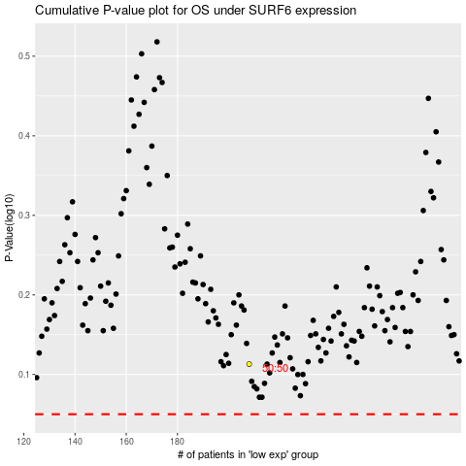

 |  |  |  |  |  | cases_OS | p_OS | rank | exp
 |  |  |  |  |  |  | cases_RFS | p_RFS | rank | exp

