SUSD1 _multivariate
Reported by Tex Li-Hsing Chi. tex@gate.sinica.edu.tw 2019-08-15

Table 2. The clinicopathological features of HNSCC cohort and SUSD1 expression. (Chi square test)
Cutoff at 0.366 (69.8%)
 |  | SUSD1 expression |  | SUSD1 expression |  | (Optimised)
 | Features | Low | (%) | High | (%) | Case no | P-value | Remark | Matthews
Gender | Female | 216 | 52 | 90 | 21.7 | 415 | 0.685 | 0 | 0
2 | Male | 74 | 17.8 | 35 | 8.4
Age at diagnosis | <=65y | 198 | 47.7 | 76 | 18.3 | 415 | 0.1731 | 0 | 0
4 | >65y | 92 | 22.2 | 49 | 11.8
Clinical T Status | T1+T2 | 106 | 25.5 | 43 | 10.4 | 415 | 0.7583 | 0 | 0
6 | T3+T4 | 184 | 44.3 | 82 | 19.8
Clinical N Status | N0 | 149 | 35.9 | 67 | 16.1 | 415 | 0.7578 | 0 | 0
8 | N1-3 | 141 | 34 | 58 | 14
Clinical M Status | M0 | 287 | 69.2 | 125 | 30.1 | 415 | 0.5571 | 0 | 0
10 | M1 | 3 | 0.7 | 0 | 0
Clinical Stage | Stage I+II | 69 | 16.6 | 33 | 8 | 415 | 0.6588 | 0 | 0
12 | Stage III+IV | 221 | 53.3 | 92 | 22.2
Surgical Margin status | Negative | 224 | 54 | 94 | 22.7 | 415 | 0.7047 | 0 | 0
14 | Positive | 66 | 15.9 | 31 | 7.5
Tobacco Exposure | Low | 115 | 27.7 | 46 | 11.1 | 415 | 0.6607 | 0 | 0
16 | High | 175 | 42.2 | 79 | 19

Table 3. Univariate/Multivariate Cox's proportional hazards regression analyses on OS time of SUSD1 gene expression in HNSCC

 |  | Univariate |  |  |  | Multivariate
 | Features | HR | CI95%(L) | CI95%(H) | P-value | HR | CI95%(L) | CI95%(H) | P-value
1 | Female | 1 |  |  |  | 1
Gender | Male | 1.157 | 0.843 | 1.587 | 0.367 | 1.218 | 0.871 | 1.702 | 0.248
11 | <=65y | 1 |  |  |  | 1
Age at diagnosis | >65y | 1.329 | 0.99 | 1.784 | 0.058 | 1.328 | 0.974 | 1.812 | 0.073
12 | T1+T2 | 1 |  |  |  | 1
Clinical T Status | T3+T4 | 1.409 | 1.028 | 1.931 | 0.033 | 2.099 | 1.109 | 3.975 | 0.023
13 | N0 | 1 |  |  |  | 1
Clinical N Status | N1-3 | 1.185 | 0.89 | 1.577 | 0.246 | 1.243 | 0.871 | 1.775 | 0.23
14 | M0 | 1 |  |  |  | 1
Clinical M Status | M1 | 4.097 | 1.009 | 16.644 | 0.049 | 10.332 | 2.25 | 47.45 | 0.003
15 | Stage I+II | 1 |  |  |  | 1
Clinical Stage | Stage III+IV | 1.245 | 0.882 | 1.759 | 0.213 | 0.541 | 0.252 | 1.165 | 0.117
16 | Negative | 1 |  |  |  | 1
Surgical Margin status | Positive | 1.591 | 1.155 | 2.191 | 0.004 | 1.675 | 1.212 | 2.315 | 0.002
17 | Low | 1 |  |  |  | 1
Tobacco Exposure | High | 1.364 | 1.008 | 1.844 | 0.044 | 1.454 | 1.055 | 2.004 | 0.022
18 | Low | 1 |  |  |  | 1
RNAseq(z-score) | High | 1.561 | 1.157 | 2.104 | 0.004 | 1.526 | 1.126 | 2.068 | 0.006

Table 4. Univariate/Multivariate Cox's proportional hazards regression analyses on RFS time of SUSD1 gene expression in HNSCC

 |  | Univariate |  |  |  | Multivariate
 | Features | HR | CI95%(L) | CI95%(H) | P-value | HR | CI95%(L) | CI95%(H) | P-value
1 | Female | 1 |  |  |  | 1
Gender | Male | 1.157 | 0.843 | 1.587 | 0.367 | 1.218 | 0.871 | 1.702 | 0.248
11 | <=65y | 1 |  |  |  | 1
Age at diagnosis | >65y | 1.329 | 0.99 | 1.784 | 0.058 | 1.328 | 0.974 | 1.812 | 0.073
12 | T1+T2 | 1 |  |  |  | 1
Clinical T Status | T3+T4 | 1.409 | 1.028 | 1.931 | 0.033 | 2.099 | 1.109 | 3.975 | 0.023
13 | N0 | 1 |  |  |  | 1
Clinical N Status | N1-3 | 1.185 | 0.89 | 1.577 | 0.246 | 1.243 | 0.871 | 1.775 | 0.23
14 | M0 | 1 |  |  |  | 1
Clinical M Status | M1 | 4.097 | 1.009 | 16.644 | 0.049 | 10.332 | 2.25 | 47.45 | 0.003
15 | Stage I+II | 1 |  |  |  | 1
Clinical Stage | Stage III+IV | 1.245 | 0.882 | 1.759 | 0.213 | 0.541 | 0.252 | 1.165 | 0.117
16 | Negative | 1 |  |  |  | 1
Surgical Margin status | Positive | 1.591 | 1.155 | 2.191 | 0.004 | 1.675 | 1.212 | 2.315 | 0.002
17 | Low | 1 |  |  |  | 1
Tobacco Exposure | High | 1.364 | 1.008 | 1.844 | 0.044 | 1.454 | 1.055 | 2.004 | 0.022
18 | Low | 1 |  |  |  | 1
RNAseq(z-score) | High | 1.561 | 1.157 | 2.104 | 0.004 | 1.526 | 1.126 | 2.068 | 0.006

Kaplan-Meier survival estimate: Cutoff at 0.366 (69.8%)

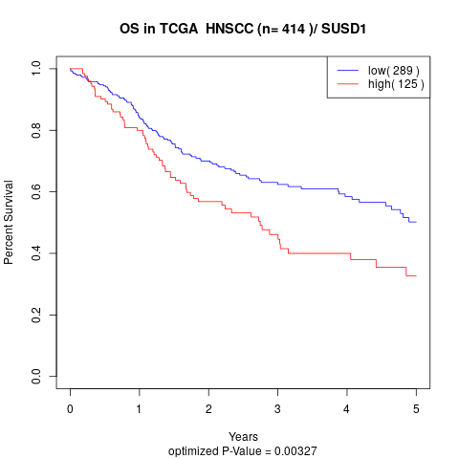

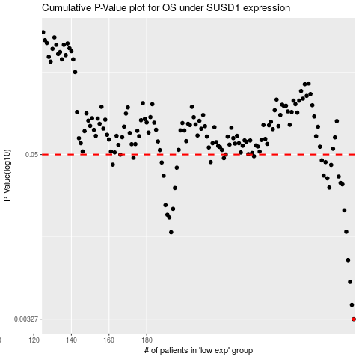

 |  |  |  |  |  | cases_OS | p_OS | rank | exp
 |  |  |  |  |  | 290 | 0.00327 | 220 | 0.36579614553
 |  |  |  |  |  | 289 | 0.00414 | 340 | 0.3651067536
 |  |  |  |  |  | 288 | 0.00605 | 301 | 0.36170764127
 |  |  |  |  |  | 287 | 0.00869 | 71 | 0.36084346017
 |  |  |  |  |  | 193 | 0.0138 | 394 | -0.24465747787
 |  |  |  |  |  | 286 | 0.0139 | 110 | 0.35908189779
 |  |  |  |  |  | 192 | 0.0176 | 152 | -0.25212751789
 |  |  |  |  |  | 191 | 0.0184 | 356 | -0.25731846335
 |  |  |  |  |  | 285 | 0.0198 | 45 | 0.34997137839
 |  |  |  |  |  | 194 | 0.0203 | 276 | -0.24412041617
 |  |  |  |  |  | 190 | 0.0216 | 156 | -0.27913879201
 |  |  |  |  |  | 195 | 0.0287 | 21 | -0.23755459276
 |  |  |  |  |  | 277 | 0.0289 | 99 | 0.29952663755
 |  |  |  |  |  | 284 | 0.0305 | 63 | 0.3474227765
 |  |  |  |  |  | 283 | 0.0312 | 179 | 0.34732512892
 |  |  |  |  |  | 276 | 0.0337 | 252 | 0.29752290917
 |  |  |  |  |  | 282 | 0.0347 | 415 | 0.33997910133
 |  |  |  |  |  | 189 | 0.0352 | 182 | -0.28196178361
 |  |  |  |  |  | 274 | 0.0353 | 410 | 0.29403005516
 |  |  |  |  |  | 196 | 0.0402 | 113 | -0.23564167663
 |  |  |  |  |  | 278 | 0.0421 | 253 | 0.31734732126
 |  |  |  |  |  | 162 | 0.0423 | 90 | -0.40243155843
 |  |  |  |  |  | 188 | 0.0438 | 121 | -0.29027745169
 |  |  |  |  |  | 275 | 0.0441 | 242 | 0.29553285145
 |  |  |  |  |  | 214 | 0.0441 | 289 | -0.10306067222
 |  |  |  |  |  | 273 | 0.0454 | 151 | 0.28626414297
 |  |  |  |  |  | 221 | 0.0471 | 279 | -0.080673987577
 |  |  |  |  |  | 173 | 0.0474 | 143 | -0.36177208177
 |  |  |  |  |  | 237 | 0.0486 | 76 | -0.018136570185
 |  |  |  |  |  | 166 | 0.0499 | 296 | -0.39714589481
 |  |  |  |  |  | 222 | 0.05 | 214 | -0.067771812573
 |  |  |  |  |  |  | cases_RFS | p_RFS | rank | exp
 |  |  |  |  |  |  | 289 | 0.00327 | 340 | 0.3651067536
 |  |  |  |  |  |  | 288 | 0.00414 | 301 | 0.36170764127
 |  |  |  |  |  |  | 287 | 0.00605 | 71 | 0.36084346017
 |  |  |  |  |  |  | 286 | 0.00869 | 110 | 0.35908189779
 |  |  |  |  |  |  | 192 | 0.0138 | 152 | -0.25212751789
 |  |  |  |  |  |  | 285 | 0.0139 | 45 | 0.34997137839
 |  |  |  |  |  |  | 191 | 0.0176 | 356 | -0.25731846335
 |  |  |  |  |  |  | 190 | 0.0184 | 156 | -0.27913879201
 |  |  |  |  |  |  | 284 | 0.0198 | 63 | 0.3474227765
 |  |  |  |  |  |  | 193 | 0.0203 | 394 | -0.24465747787
 |  |  |  |  |  |  | 189 | 0.0216 | 182 | -0.28196178361
 |  |  |  |  |  |  | 194 | 0.0287 | 276 | -0.24412041617
 |  |  |  |  |  |  | 276 | 0.0289 | 252 | 0.29752290917
 |  |  |  |  |  |  | 283 | 0.0305 | 179 | 0.34732512892
 |  |  |  |  |  |  | 282 | 0.0312 | 415 | 0.33997910133
 |  |  |  |  |  |  | 275 | 0.0337 | 242 | 0.29553285145
 |  |  |  |  |  |  | 281 | 0.0347 | 245 | 0.33729281635
 |  |  |  |  |  |  | 188 | 0.0352 | 121 | -0.29027745169
 |  |  |  |  |  |  | 273 | 0.0353 | 151 | 0.28626414297
 |  |  |  |  |  |  | 195 | 0.0402 | 21 | -0.23755459276
 |  |  |  |  |  |  | 277 | 0.0421 | 99 | 0.29952663755
 |  |  |  |  |  |  | 161 | 0.0423 | 75 | -0.40637163836
 |  |  |  |  |  |  | 187 | 0.0438 | 169 | -0.29496355914
 |  |  |  |  |  |  | 213 | 0.0441 | 193 | -0.12153071235
 |  |  |  |  |  |  | 274 | 0.0441 | 410 | 0.29403005516
 |  |  |  |  |  |  | 272 | 0.0454 | 262 | 0.27335122673
 |  |  |  |  |  |  | 220 | 0.0471 | 103 | -0.086255523362
 |  |  |  |  |  |  | 172 | 0.0474 | 44 | -0.37566733269
 |  |  |  |  |  |  | 236 | 0.0486 | 298 | -0.019723343392
 |  |  |  |  |  |  | 165 | 0.0499 | 167 | -0.39727186019
 |  |  |  |  |  |  | 221 | 0.05 | 279 | -0.080673987577

