SUSD2 _multivariate
Reported by Tex Li-Hsing Chi. tex@gate.sinica.edu.tw 2019-08-15

Table 2. The clinicopathological features of HNSCC cohort and SUSD2 expression. (Chi square test)
Cutoff at -0.074 (49.8%)
 |  | SUSD2 expression |  | SUSD2 expression |  | (Optimised)
 | Features | Low | (%) | High | (%) | Case no | P-value | Remark | Matthews
Gender | Female | 150 | 36.1 | 156 | 37.6 | 415 | 0.6344 | 0 | 0
2 | Male | 57 | 13.7 | 52 | 12.5
Age at diagnosis | <=65y | 138 | 33.3 | 136 | 32.8 | 415 | 0.8634 | 0 | 0
4 | >65y | 69 | 16.6 | 72 | 17.3
Clinical T Status | T1+T2 | 75 | 18.1 | 74 | 17.8 | 415 | 0.9707 | 0 | 0
6 | T3+T4 | 132 | 31.8 | 134 | 32.3
Clinical N Status | N0 | 108 | 26 | 108 | 26 | 415 | 1 | 0 | 0
8 | N1-3 | 99 | 23.9 | 100 | 24.1
Clinical M Status | M0 | 205 | 49.4 | 207 | 49.9 | 415 | 0.6232 | 0 | 0
10 | M1 | 2 | 0.5 | 1 | 0.2
Clinical Stage | Stage I+II | 45 | 10.8 | 57 | 13.7 | 415 | 0.2202 | 0 | 0
12 | Stage III+IV | 162 | 39 | 151 | 36.4
Surgical Margin status | Negative | 155 | 37.3 | 163 | 39.3 | 415 | 0.4187 | 0 | 0
14 | Positive | 52 | 12.5 | 45 | 10.8
Tobacco Exposure | Low | 83 | 20 | 78 | 18.8 | 415 | 0.6152 | 0 | 0
16 | High | 124 | 29.9 | 130 | 31.3

Table 3. Univariate/Multivariate Cox's proportional hazards regression analyses on OS time of SUSD2 gene expression in HNSCC

 |  | Univariate |  |  |  | Multivariate
 | Features | HR | CI95%(L) | CI95%(H) | P-value | HR | CI95%(L) | CI95%(H) | P-value
1 | Female | 1 |  |  |  | 1
Gender | Male | 1.157 | 0.843 | 1.587 | 0.367 | 1.197 | 0.857 | 1.672 | 0.292
11 | <=65y | 1 |  |  |  | 1
Age at diagnosis | >65y | 1.329 | 0.99 | 1.784 | 0.058 | 1.392 | 1.024 | 1.891 | 0.035
12 | T1+T2 | 1 |  |  |  | 1
Clinical T Status | T3+T4 | 1.409 | 1.028 | 1.931 | 0.033 | 2.286 | 1.207 | 4.329 | 0.011
13 | N0 | 1 |  |  |  | 1
Clinical N Status | N1-3 | 1.185 | 0.89 | 1.577 | 0.246 | 1.255 | 0.88 | 1.79 | 0.21
14 | M0 | 1 |  |  |  | 1
Clinical M Status | M1 | 4.097 | 1.009 | 16.644 | 0.049 | 9.433 | 2.058 | 43.247 | 0.004
15 | Stage I+II | 1 |  |  |  | 1
Clinical Stage | Stage III+IV | 1.245 | 0.882 | 1.759 | 0.213 | 0.482 | 0.224 | 1.036 | 0.062
16 | Negative | 1 |  |  |  | 1
Surgical Margin status | Positive | 1.591 | 1.155 | 2.191 | 0.004 | 1.677 | 1.213 | 2.318 | 0.002
17 | Low | 1 |  |  |  | 1
Tobacco Exposure | High | 1.364 | 1.008 | 1.844 | 0.044 | 1.479 | 1.071 | 2.043 | 0.017
18 | Low | 1 |  |  |  | 1
RNAseq(z-score) | High | 0.842 | 0.632 | 1.122 | 0.241 | 0.798 | 0.597 | 1.065 | 0.126

Table 4. Univariate/Multivariate Cox's proportional hazards regression analyses on RFS time of SUSD2 gene expression in HNSCC

 |  | Univariate |  |  |  | Multivariate
 | Features | HR | CI95%(L) | CI95%(H) | P-value | HR | CI95%(L) | CI95%(H) | P-value
1 | Female | 1 |  |  |  | 1
Gender | Male | 1.157 | 0.843 | 1.587 | 0.367 | 1.197 | 0.857 | 1.672 | 0.292
11 | <=65y | 1 |  |  |  | 1
Age at diagnosis | >65y | 1.329 | 0.99 | 1.784 | 0.058 | 1.392 | 1.024 | 1.891 | 0.035
12 | T1+T2 | 1 |  |  |  | 1
Clinical T Status | T3+T4 | 1.409 | 1.028 | 1.931 | 0.033 | 2.286 | 1.207 | 4.329 | 0.011
13 | N0 | 1 |  |  |  | 1
Clinical N Status | N1-3 | 1.185 | 0.89 | 1.577 | 0.246 | 1.255 | 0.88 | 1.79 | 0.21
14 | M0 | 1 |  |  |  | 1
Clinical M Status | M1 | 4.097 | 1.009 | 16.644 | 0.049 | 9.433 | 2.058 | 43.247 | 0.004
15 | Stage I+II | 1 |  |  |  | 1
Clinical Stage | Stage III+IV | 1.245 | 0.882 | 1.759 | 0.213 | 0.482 | 0.224 | 1.036 | 0.062
16 | Negative | 1 |  |  |  | 1
Surgical Margin status | Positive | 1.591 | 1.155 | 2.191 | 0.004 | 1.677 | 1.213 | 2.318 | 0.002
17 | Low | 1 |  |  |  | 1
Tobacco Exposure | High | 1.364 | 1.008 | 1.844 | 0.044 | 1.479 | 1.071 | 2.043 | 0.017
18 | Low | 1 |  |  |  | 1
RNAseq(z-score) | High | 0.842 | 0.632 | 1.122 | 0.241 | 0.798 | 0.597 | 1.065 | 0.126

Kaplan-Meier survival estimate: Cutoff at -0.074 (49.8%)



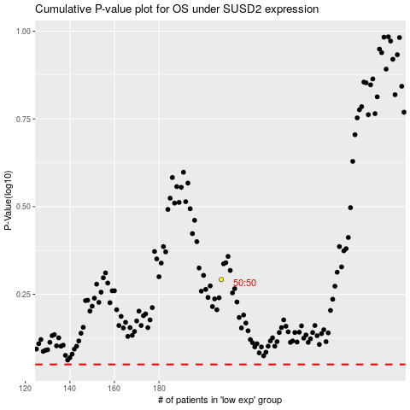

 |  |  |  |  |  | cases_OS | p_OS | rank | exp
 |  |  |  |  |  |  | cases_RFS | p_RFS | rank | exp

