SUV39H1 _multivariate
Reported by Tex Li-Hsing Chi. tex@gate.sinica.edu.tw 2019-08-15

Table 2. The clinicopathological features of HNSCC cohort and SUV39H1 expression. (Chi square test)
Cutoff at -0.244 (49.8%)
 |  | SUV39H1 expression |  | SUV39H1 expression |  | (Optimised)
 | Features | Low | (%) | High | (%) | Case no | P-value | Remark | Matthews
Gender | Female | 142 | 34.2 | 164 | 39.5 | 415 | 0.0238 | 1 | 0
2 | Male | 65 | 15.7 | 44 | 10.6
Age at diagnosis | <=65y | 138 | 33.3 | 136 | 32.8 | 415 | 0.8634 | 0 | 0
4 | >65y | 69 | 16.6 | 72 | 17.3
Clinical T Status | T1+T2 | 71 | 17.1 | 78 | 18.8 | 415 | 0.5638 | 0 | 0
6 | T3+T4 | 136 | 32.8 | 130 | 31.3
Clinical N Status | N0 | 116 | 28 | 100 | 24.1 | 415 | 0.1273 | 1 | 0
8 | N1-3 | 91 | 21.9 | 108 | 26
Clinical M Status | M0 | 207 | 49.9 | 205 | 49.4 | 415 | 0.2482 | 0 | 0
10 | M1 | 0 | 0 | 3 | 0.7
Clinical Stage | Stage I+II | 54 | 13 | 48 | 11.6 | 415 | 0.5498 | 0 | 0
12 | Stage III+IV | 153 | 36.9 | 160 | 38.6
Surgical Margin status | Negative | 164 | 39.5 | 154 | 37.1 | 415 | 0.2462 | 0 | 0
14 | Positive | 43 | 10.4 | 54 | 13
Tobacco Exposure | Low | 82 | 19.8 | 79 | 19 | 415 | 0.763 | 0 | 0
16 | High | 125 | 30.1 | 129 | 31.1

Table 3. Univariate/Multivariate Cox's proportional hazards regression analyses on OS time of SUV39H1 gene expression in HNSCC

 |  | Univariate |  |  |  | Multivariate
 | Features | HR | CI95%(L) | CI95%(H) | P-value | HR | CI95%(L) | CI95%(H) | P-value
1 | Female | 1 |  |  |  | 1
Gender | Male | 1.157 | 0.843 | 1.587 | 0.367 | 1.213 | 0.867 | 1.698 | 0.26
11 | <=65y | 1 |  |  |  | 1
Age at diagnosis | >65y | 1.329 | 0.99 | 1.784 | 0.058 | 1.39 | 1.022 | 1.89 | 0.036
12 | T1+T2 | 1 |  |  |  | 1
Clinical T Status | T3+T4 | 1.409 | 1.028 | 1.931 | 0.033 | 2.217 | 1.172 | 4.193 | 0.014
13 | N0 | 1 |  |  |  | 1
Clinical N Status | N1-3 | 1.185 | 0.89 | 1.577 | 0.246 | 1.234 | 0.864 | 1.761 | 0.248
14 | M0 | 1 |  |  |  | 1
Clinical M Status | M1 | 4.097 | 1.009 | 16.644 | 0.049 | 9.072 | 1.971 | 41.758 | 0.005
15 | Stage I+II | 1 |  |  |  | 1
Clinical Stage | Stage III+IV | 1.245 | 0.882 | 1.759 | 0.213 | 0.504 | 0.235 | 1.083 | 0.079
16 | Negative | 1 |  |  |  | 1
Surgical Margin status | Positive | 1.591 | 1.155 | 2.191 | 0.004 | 1.654 | 1.195 | 2.289 | 0.002
17 | Low | 1 |  |  |  | 1
Tobacco Exposure | High | 1.364 | 1.008 | 1.844 | 0.044 | 1.465 | 1.061 | 2.021 | 0.02
18 | Low | 1 |  |  |  | 1
RNAseq(z-score) | High | 1.113 | 0.836 | 1.483 | 0.463 | 1.097 | 0.819 | 1.469 | 0.535

Table 4. Univariate/Multivariate Cox's proportional hazards regression analyses on RFS time of SUV39H1 gene expression in HNSCC

 |  | Univariate |  |  |  | Multivariate
 | Features | HR | CI95%(L) | CI95%(H) | P-value | HR | CI95%(L) | CI95%(H) | P-value
1 | Female | 1 |  |  |  | 1
Gender | Male | 1.157 | 0.843 | 1.587 | 0.367 | 1.213 | 0.867 | 1.698 | 0.26
11 | <=65y | 1 |  |  |  | 1
Age at diagnosis | >65y | 1.329 | 0.99 | 1.784 | 0.058 | 1.39 | 1.022 | 1.89 | 0.036
12 | T1+T2 | 1 |  |  |  | 1
Clinical T Status | T3+T4 | 1.409 | 1.028 | 1.931 | 0.033 | 2.217 | 1.172 | 4.193 | 0.014
13 | N0 | 1 |  |  |  | 1
Clinical N Status | N1-3 | 1.185 | 0.89 | 1.577 | 0.246 | 1.234 | 0.864 | 1.761 | 0.248
14 | M0 | 1 |  |  |  | 1
Clinical M Status | M1 | 4.097 | 1.009 | 16.644 | 0.049 | 9.072 | 1.971 | 41.758 | 0.005
15 | Stage I+II | 1 |  |  |  | 1
Clinical Stage | Stage III+IV | 1.245 | 0.882 | 1.759 | 0.213 | 0.504 | 0.235 | 1.083 | 0.079
16 | Negative | 1 |  |  |  | 1
Surgical Margin status | Positive | 1.591 | 1.155 | 2.191 | 0.004 | 1.654 | 1.195 | 2.289 | 0.002
17 | Low | 1 |  |  |  | 1
Tobacco Exposure | High | 1.364 | 1.008 | 1.844 | 0.044 | 1.465 | 1.061 | 2.021 | 0.02
18 | Low | 1 |  |  |  | 1
RNAseq(z-score) | High | 1.113 | 0.836 | 1.483 | 0.463 | 1.097 | 0.819 | 1.469 | 0.535

Kaplan-Meier survival estimate: Cutoff at -0.244 (49.8%)



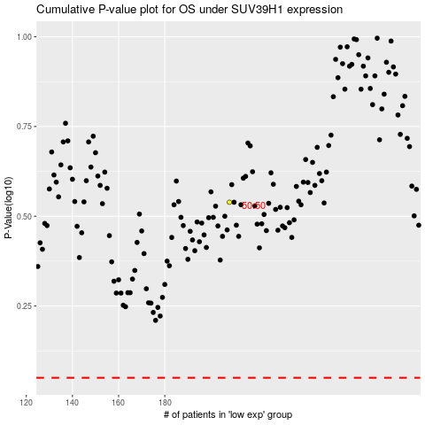

 |  |  |  |  |  | cases_OS | p_OS | rank | exp
 |  |  |  |  |  |  | cases_RFS | p_RFS | rank | exp

