SUV420H2 _multivariate
Reported by Tex Li-Hsing Chi. tex@gate.sinica.edu.tw 2019-08-15

Table 2. The clinicopathological features of HNSCC cohort and SUV420H2 expression. (Chi square test)
Cutoff at -0.229 (50.0%)
 |  | SUV420H2 expression |  | SUV420H2 expression |  | (Optimised)
 | Features | Low | (%) | High | (%) | Case no | P-value | Remark | Matthews
Gender | Female | 142 | 34.2 | 164 | 39.5 | 415 | 0.0238 | 1 | 0
2 | Male | 65 | 15.7 | 44 | 10.6
Age at diagnosis | <=65y | 139 | 33.5 | 135 | 32.5 | 415 | 0.7044 | 0 | 0
4 | >65y | 68 | 16.4 | 73 | 17.6
Clinical T Status | T1+T2 | 74 | 17.8 | 75 | 18.1 | 415 | 1 | 0 | 0
6 | T3+T4 | 133 | 32 | 133 | 32
Clinical N Status | N0 | 105 | 25.3 | 111 | 26.7 | 415 | 0.6598 | 0 | 0
8 | N1-3 | 102 | 24.6 | 97 | 23.4
Clinical M Status | M0 | 206 | 49.6 | 206 | 49.6 | 415 | 1 | 0 | 0
10 | M1 | 1 | 0.2 | 2 | 0.5
Clinical Stage | Stage I+II | 55 | 13.3 | 47 | 11.3 | 415 | 0.4087 | 0 | 0
12 | Stage III+IV | 152 | 36.6 | 161 | 38.8
Surgical Margin status | Negative | 163 | 39.3 | 155 | 37.3 | 415 | 0.3537 | 0 | 0
14 | Positive | 44 | 10.6 | 53 | 12.8
Tobacco Exposure | Low | 86 | 20.7 | 75 | 18.1 | 415 | 0.2687 | 0 | 0
16 | High | 121 | 29.2 | 133 | 32

Table 3. Univariate/Multivariate Cox's proportional hazards regression analyses on OS time of SUV420H2 gene expression in HNSCC

 |  | Univariate |  |  |  | Multivariate
 | Features | HR | CI95%(L) | CI95%(H) | P-value | HR | CI95%(L) | CI95%(H) | P-value
1 | Female | 1 |  |  |  | 1
Gender | Male | 1.157 | 0.843 | 1.587 | 0.367 | 1.187 | 0.846 | 1.666 | 0.32
11 | <=65y | 1 |  |  |  | 1
Age at diagnosis | >65y | 1.329 | 0.99 | 1.784 | 0.058 | 1.398 | 1.028 | 1.902 | 0.033
12 | T1+T2 | 1 |  |  |  | 1
Clinical T Status | T3+T4 | 1.409 | 1.028 | 1.931 | 0.033 | 2.184 | 1.154 | 4.134 | 0.016
13 | N0 | 1 |  |  |  | 1
Clinical N Status | N1-3 | 1.185 | 0.89 | 1.577 | 0.246 | 1.237 | 0.867 | 1.765 | 0.24
14 | M0 | 1 |  |  |  | 1
Clinical M Status | M1 | 4.097 | 1.009 | 16.644 | 0.049 | 9.5 | 2.072 | 43.569 | 0.004
15 | Stage I+II | 1 |  |  |  | 1
Clinical Stage | Stage III+IV | 1.245 | 0.882 | 1.759 | 0.213 | 0.513 | 0.238 | 1.105 | 0.088
16 | Negative | 1 |  |  |  | 1
Surgical Margin status | Positive | 1.591 | 1.155 | 2.191 | 0.004 | 1.678 | 1.214 | 2.319 | 0.002
17 | Low | 1 |  |  |  | 1
Tobacco Exposure | High | 1.364 | 1.008 | 1.844 | 0.044 | 1.458 | 1.058 | 2.01 | 0.021
18 | Low | 1 |  |  |  | 1
RNAseq(z-score) | High | 0.974 | 0.729 | 1.302 | 0.859 | 0.936 | 0.694 | 1.263 | 0.667

Table 4. Univariate/Multivariate Cox's proportional hazards regression analyses on RFS time of SUV420H2 gene expression in HNSCC

 |  | Univariate |  |  |  | Multivariate
 | Features | HR | CI95%(L) | CI95%(H) | P-value | HR | CI95%(L) | CI95%(H) | P-value
1 | Female | 1 |  |  |  | 1
Gender | Male | 1.157 | 0.843 | 1.587 | 0.367 | 1.187 | 0.846 | 1.666 | 0.32
11 | <=65y | 1 |  |  |  | 1
Age at diagnosis | >65y | 1.329 | 0.99 | 1.784 | 0.058 | 1.398 | 1.028 | 1.902 | 0.033
12 | T1+T2 | 1 |  |  |  | 1
Clinical T Status | T3+T4 | 1.409 | 1.028 | 1.931 | 0.033 | 2.184 | 1.154 | 4.134 | 0.016
13 | N0 | 1 |  |  |  | 1
Clinical N Status | N1-3 | 1.185 | 0.89 | 1.577 | 0.246 | 1.237 | 0.867 | 1.765 | 0.24
14 | M0 | 1 |  |  |  | 1
Clinical M Status | M1 | 4.097 | 1.009 | 16.644 | 0.049 | 9.5 | 2.072 | 43.569 | 0.004
15 | Stage I+II | 1 |  |  |  | 1
Clinical Stage | Stage III+IV | 1.245 | 0.882 | 1.759 | 0.213 | 0.513 | 0.238 | 1.105 | 0.088
16 | Negative | 1 |  |  |  | 1
Surgical Margin status | Positive | 1.591 | 1.155 | 2.191 | 0.004 | 1.678 | 1.214 | 2.319 | 0.002
17 | Low | 1 |  |  |  | 1
Tobacco Exposure | High | 1.364 | 1.008 | 1.844 | 0.044 | 1.458 | 1.058 | 2.01 | 0.021
18 | Low | 1 |  |  |  | 1
RNAseq(z-score) | High | 0.974 | 0.729 | 1.302 | 0.859 | 0.936 | 0.694 | 1.263 | 0.667

Kaplan-Meier survival estimate: Cutoff at -0.229 (50.0%)



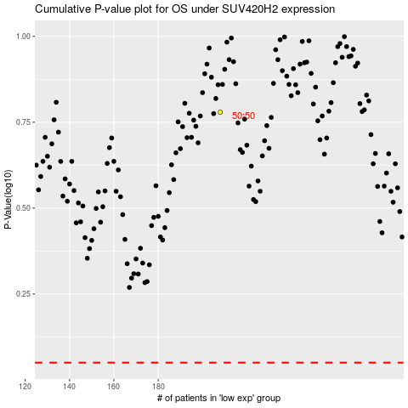

 |  |  |  |  |  | cases_OS | p_OS | rank | exp
 |  |  |  |  |  |  | cases_RFS | p_RFS | rank | exp

