SUZ12P _multivariate
Reported by Tex Li-Hsing Chi. tex@gate.sinica.edu.tw 2019-08-15

Table 2. The clinicopathological features of HNSCC cohort and SUZ12P expression. (Chi square test)
Cutoff at -0.304 (47.1%)
 |  | SUZ12P expression |  | SUZ12P expression |  | (Optimised)
 | Features | Low | (%) | High | (%) | Case no | P-value | Remark | Matthews
Gender | Female | 135 | 32.5 | 171 | 41.2 | 415 | 0.0439 | 1 | 0
2 | Male | 61 | 14.7 | 48 | 11.6
Age at diagnosis | <=65y | 130 | 31.3 | 144 | 34.7 | 415 | 0.9846 | 0 | 0
4 | >65y | 66 | 15.9 | 75 | 18.1
Clinical T Status | T1+T2 | 74 | 17.8 | 75 | 18.1 | 415 | 0.5213 | 0 | 0
6 | T3+T4 | 122 | 29.4 | 144 | 34.7
Clinical N Status | N0 | 100 | 24.1 | 116 | 28 | 415 | 0.7656 | 0 | 0
8 | N1-3 | 96 | 23.1 | 103 | 24.8
Clinical M Status | M0 | 194 | 46.7 | 218 | 52.5 | 415 | 0.6044 | 0 | 0
10 | M1 | 2 | 0.5 | 1 | 0.2
Clinical Stage | Stage I+II | 55 | 13.3 | 47 | 11.3 | 415 | 0.1485 | 0 | 0
12 | Stage III+IV | 141 | 34 | 172 | 41.4
Surgical Margin status | Negative | 158 | 38.1 | 160 | 38.6 | 415 | 0.0814 | 0 | 0
14 | Positive | 38 | 9.2 | 59 | 14.2
Tobacco Exposure | Low | 82 | 19.8 | 79 | 19 | 415 | 0.2671 | 0 | 0
16 | High | 114 | 27.5 | 140 | 33.7

Table 3. Univariate/Multivariate Cox's proportional hazards regression analyses on OS time of SUZ12P gene expression in HNSCC

 |  | Univariate |  |  |  | Multivariate
 | Features | HR | CI95%(L) | CI95%(H) | P-value | HR | CI95%(L) | CI95%(H) | P-value
1 | Female | 1 |  |  |  | 1
Gender | Male | 1.157 | 0.843 | 1.587 | 0.367 | 1.125 | 0.803 | 1.578 | 0.494
11 | <=65y | 1 |  |  |  | 1
Age at diagnosis | >65y | 1.329 | 0.99 | 1.784 | 0.058 | 1.46 | 1.071 | 1.991 | 0.017
12 | T1+T2 | 1 |  |  |  | 1
Clinical T Status | T3+T4 | 1.409 | 1.028 | 1.931 | 0.033 | 2.133 | 1.128 | 4.033 | 0.02
13 | N0 | 1 |  |  |  | 1
Clinical N Status | N1-3 | 1.185 | 0.89 | 1.577 | 0.246 | 1.217 | 0.853 | 1.737 | 0.278
14 | M0 | 1 |  |  |  | 1
Clinical M Status | M1 | 4.097 | 1.009 | 16.644 | 0.049 | 8.077 | 1.755 | 37.177 | 0.007
15 | Stage I+II | 1 |  |  |  | 1
Clinical Stage | Stage III+IV | 1.245 | 0.882 | 1.759 | 0.213 | 0.551 | 0.256 | 1.186 | 0.128
16 | Negative | 1 |  |  |  | 1
Surgical Margin status | Positive | 1.591 | 1.155 | 2.191 | 0.004 | 1.737 | 1.256 | 2.404 | 0.001
17 | Low | 1 |  |  |  | 1
Tobacco Exposure | High | 1.364 | 1.008 | 1.844 | 0.044 | 1.54 | 1.113 | 2.13 | 0.009
18 | Low | 1 |  |  |  | 1
RNAseq(z-score) | High | 0.739 | 0.553 | 0.988 | 0.041 | 0.674 | 0.497 | 0.913 | 0.011

Table 4. Univariate/Multivariate Cox's proportional hazards regression analyses on RFS time of SUZ12P gene expression in HNSCC

 |  | Univariate |  |  |  | Multivariate
 | Features | HR | CI95%(L) | CI95%(H) | P-value | HR | CI95%(L) | CI95%(H) | P-value
1 | Female | 1 |  |  |  | 1
Gender | Male | 1.157 | 0.843 | 1.587 | 0.367 | 1.125 | 0.803 | 1.578 | 0.494
11 | <=65y | 1 |  |  |  | 1
Age at diagnosis | >65y | 1.329 | 0.99 | 1.784 | 0.058 | 1.46 | 1.071 | 1.991 | 0.017
12 | T1+T2 | 1 |  |  |  | 1
Clinical T Status | T3+T4 | 1.409 | 1.028 | 1.931 | 0.033 | 2.133 | 1.128 | 4.033 | 0.02
13 | N0 | 1 |  |  |  | 1
Clinical N Status | N1-3 | 1.185 | 0.89 | 1.577 | 0.246 | 1.217 | 0.853 | 1.737 | 0.278
14 | M0 | 1 |  |  |  | 1
Clinical M Status | M1 | 4.097 | 1.009 | 16.644 | 0.049 | 8.077 | 1.755 | 37.177 | 0.007
15 | Stage I+II | 1 |  |  |  | 1
Clinical Stage | Stage III+IV | 1.245 | 0.882 | 1.759 | 0.213 | 0.551 | 0.256 | 1.186 | 0.128
16 | Negative | 1 |  |  |  | 1
Surgical Margin status | Positive | 1.591 | 1.155 | 2.191 | 0.004 | 1.737 | 1.256 | 2.404 | 0.001
17 | Low | 1 |  |  |  | 1
Tobacco Exposure | High | 1.364 | 1.008 | 1.844 | 0.044 | 1.54 | 1.113 | 2.13 | 0.009
18 | Low | 1 |  |  |  | 1
RNAseq(z-score) | High | 0.739 | 0.553 | 0.988 | 0.041 | 0.674 | 0.497 | 0.913 | 0.011

Kaplan-Meier survival estimate: Cutoff at -0.304 (47.1%)



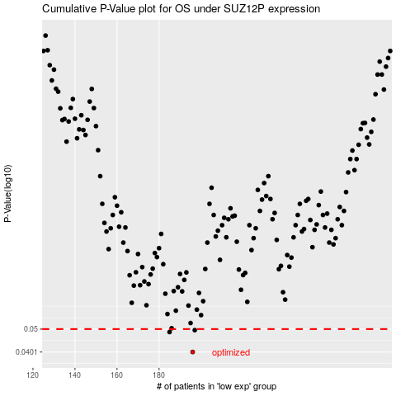

 |  |  |  |  |  | cases_OS | p_OS | rank | exp
 |  |  |  |  |  | 196 | 0.0401 | 139 | -0.30408660749
 |  |  |  |  |  | 185 | 0.0486 | 356 | -0.34619816207
 |  |  |  |  |  | 197 | 0.0495 | 328 | -0.30182643639
 |  |  |  |  |  |  | cases_RFS | p_RFS | rank | exp
 |  |  |  |  |  |  | 195 | 0.0401 | 69 | -0.30579377352
 |  |  |  |  |  |  | 184 | 0.0486 | 209 | -0.35219512993
 |  |  |  |  |  |  | 196 | 0.0495 | 139 | -0.30408660749

