SV2A _multivariate
Reported by Tex Li-Hsing Chi. tex@gate.sinica.edu.tw 2019-08-15

Table 2. The clinicopathological features of HNSCC cohort and SV2A expression. (Chi square test)
Cutoff at -0.327 (49.8%)
 |  | SV2A expression |  | SV2A expression |  | (Optimised)
 | Features | Low | (%) | High | (%) | Case no | P-value | Remark | Matthews
Gender | Female | 139 | 33.5 | 167 | 40.2 | 415 | 0.0034 | 1 | 0
2 | Male | 68 | 16.4 | 41 | 9.9
Age at diagnosis | <=65y | 136 | 32.8 | 138 | 33.3 | 415 | 0.9719 | 0 | 0
4 | >65y | 71 | 17.1 | 70 | 16.9
Clinical T Status | T1+T2 | 72 | 17.3 | 77 | 18.6 | 415 | 0.7095 | 0 | 0
6 | T3+T4 | 135 | 32.5 | 131 | 31.6
Clinical N Status | N0 | 107 | 25.8 | 109 | 26.3 | 415 | 0.9624 | 0 | 0
8 | N1-3 | 100 | 24.1 | 99 | 23.9
Clinical M Status | M0 | 204 | 49.2 | 208 | 50.1 | 415 | 0.1232 | 0 | 0
10 | M1 | 3 | 0.7 | 0 | 0
Clinical Stage | Stage I+II | 49 | 11.8 | 53 | 12.8 | 415 | 0.7535 | 0 | 0
12 | Stage III+IV | 158 | 38.1 | 155 | 37.3
Surgical Margin status | Negative | 159 | 38.3 | 159 | 38.3 | 415 | 1 | 0 | 0
14 | Positive | 48 | 11.6 | 49 | 11.8
Tobacco Exposure | Low | 100 | 24.1 | 61 | 14.7 | 415 | 1e-04 | 1 | 0
16 | High | 107 | 25.8 | 147 | 35.4

Table 3. Univariate/Multivariate Cox's proportional hazards regression analyses on OS time of SV2A gene expression in HNSCC

 |  | Univariate |  |  |  | Multivariate
 | Features | HR | CI95%(L) | CI95%(H) | P-value | HR | CI95%(L) | CI95%(H) | P-value
1 | Female | 1 |  |  |  | 1
Gender | Male | 1.157 | 0.843 | 1.587 | 0.367 | 1.207 | 0.862 | 1.69 | 0.272
11 | <=65y | 1 |  |  |  | 1
Age at diagnosis | >65y | 1.329 | 0.99 | 1.784 | 0.058 | 1.389 | 1.021 | 1.889 | 0.036
12 | T1+T2 | 1 |  |  |  | 1
Clinical T Status | T3+T4 | 1.409 | 1.028 | 1.931 | 0.033 | 2.21 | 1.168 | 4.181 | 0.015
13 | N0 | 1 |  |  |  | 1
Clinical N Status | N1-3 | 1.185 | 0.89 | 1.577 | 0.246 | 1.244 | 0.871 | 1.776 | 0.229
14 | M0 | 1 |  |  |  | 1
Clinical M Status | M1 | 4.097 | 1.009 | 16.644 | 0.049 | 9.613 | 2.076 | 44.523 | 0.004
15 | Stage I+II | 1 |  |  |  | 1
Clinical Stage | Stage III+IV | 1.245 | 0.882 | 1.759 | 0.213 | 0.502 | 0.234 | 1.079 | 0.078
16 | Negative | 1 |  |  |  | 1
Surgical Margin status | Positive | 1.591 | 1.155 | 2.191 | 0.004 | 1.676 | 1.212 | 2.318 | 0.002
17 | Low | 1 |  |  |  | 1
Tobacco Exposure | High | 1.364 | 1.008 | 1.844 | 0.044 | 1.442 | 1.04 | 1.999 | 0.028
18 | Low | 1 |  |  |  | 1
RNAseq(z-score) | High | 1.028 | 0.77 | 1.372 | 0.853 | 1.038 | 0.768 | 1.403 | 0.809

Table 4. Univariate/Multivariate Cox's proportional hazards regression analyses on RFS time of SV2A gene expression in HNSCC

 |  | Univariate |  |  |  | Multivariate
 | Features | HR | CI95%(L) | CI95%(H) | P-value | HR | CI95%(L) | CI95%(H) | P-value
1 | Female | 1 |  |  |  | 1
Gender | Male | 1.157 | 0.843 | 1.587 | 0.367 | 1.207 | 0.862 | 1.69 | 0.272
11 | <=65y | 1 |  |  |  | 1
Age at diagnosis | >65y | 1.329 | 0.99 | 1.784 | 0.058 | 1.389 | 1.021 | 1.889 | 0.036
12 | T1+T2 | 1 |  |  |  | 1
Clinical T Status | T3+T4 | 1.409 | 1.028 | 1.931 | 0.033 | 2.21 | 1.168 | 4.181 | 0.015
13 | N0 | 1 |  |  |  | 1
Clinical N Status | N1-3 | 1.185 | 0.89 | 1.577 | 0.246 | 1.244 | 0.871 | 1.776 | 0.229
14 | M0 | 1 |  |  |  | 1
Clinical M Status | M1 | 4.097 | 1.009 | 16.644 | 0.049 | 9.613 | 2.076 | 44.523 | 0.004
15 | Stage I+II | 1 |  |  |  | 1
Clinical Stage | Stage III+IV | 1.245 | 0.882 | 1.759 | 0.213 | 0.502 | 0.234 | 1.079 | 0.078
16 | Negative | 1 |  |  |  | 1
Surgical Margin status | Positive | 1.591 | 1.155 | 2.191 | 0.004 | 1.676 | 1.212 | 2.318 | 0.002
17 | Low | 1 |  |  |  | 1
Tobacco Exposure | High | 1.364 | 1.008 | 1.844 | 0.044 | 1.442 | 1.04 | 1.999 | 0.028
18 | Low | 1 |  |  |  | 1
RNAseq(z-score) | High | 1.028 | 0.77 | 1.372 | 0.853 | 1.038 | 0.768 | 1.403 | 0.809

Kaplan-Meier survival estimate: Cutoff at -0.327 (49.8%)



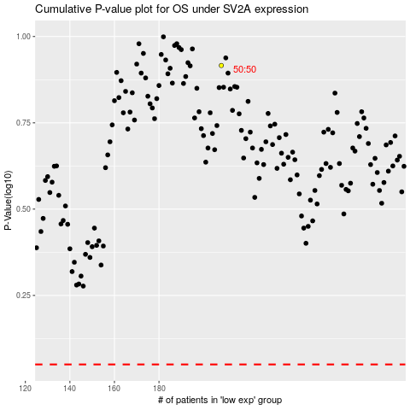

 |  |  |  |  |  | cases_OS | p_OS | rank | exp
 |  |  |  |  |  |  | cases_RFS | p_RFS | rank | exp

