SV2B _multivariate
Reported by Tex Li-Hsing Chi. tex@gate.sinica.edu.tw 2019-08-15

Table 2. The clinicopathological features of HNSCC cohort and SV2B expression. (Chi square test)
Cutoff at -0.282 (49.8%)
 |  | SV2B expression |  | SV2B expression |  | (Optimised)
 | Features | Low | (%) | High | (%) | Case no | P-value | Remark | Matthews
Gender | Female | 147 | 35.4 | 159 | 38.3 | 415 | 0.2523 | 0 | 0
2 | Male | 60 | 14.5 | 49 | 11.8
Age at diagnosis | <=65y | 135 | 32.5 | 139 | 33.5 | 415 | 0.8084 | 0 | 0
4 | >65y | 72 | 17.3 | 69 | 16.6
Clinical T Status | T1+T2 | 57 | 13.7 | 92 | 22.2 | 415 | 6e-04 | 1 | 0
6 | T3+T4 | 150 | 36.1 | 116 | 28
Clinical N Status | N0 | 118 | 28.4 | 98 | 23.6 | 415 | 0.0551 | 1 | 0
8 | N1-3 | 89 | 21.4 | 110 | 26.5
Clinical M Status | M0 | 205 | 49.4 | 207 | 49.9 | 415 | 0.6232 | 0 | 0
10 | M1 | 2 | 0.5 | 1 | 0.2
Clinical Stage | Stage I+II | 43 | 10.4 | 59 | 14.2 | 415 | 0.0925 | 0 | 0
12 | Stage III+IV | 164 | 39.5 | 149 | 35.9
Surgical Margin status | Negative | 155 | 37.3 | 163 | 39.3 | 415 | 0.4187 | 0 | 0
14 | Positive | 52 | 12.5 | 45 | 10.8
Tobacco Exposure | Low | 84 | 20.2 | 77 | 18.6 | 415 | 0.4816 | 0 | 0
16 | High | 123 | 29.6 | 131 | 31.6

Table 3. Univariate/Multivariate Cox's proportional hazards regression analyses on OS time of SV2B gene expression in HNSCC

 |  | Univariate |  |  |  | Multivariate
 | Features | HR | CI95%(L) | CI95%(H) | P-value | HR | CI95%(L) | CI95%(H) | P-value
1 | Female | 1 |  |  |  | 1
Gender | Male | 1.157 | 0.843 | 1.587 | 0.367 | 1.19 | 0.85 | 1.665 | 0.311
11 | <=65y | 1 |  |  |  | 1
Age at diagnosis | >65y | 1.329 | 0.99 | 1.784 | 0.058 | 1.389 | 1.022 | 1.888 | 0.036
12 | T1+T2 | 1 |  |  |  | 1
Clinical T Status | T3+T4 | 1.409 | 1.028 | 1.931 | 0.033 | 2.144 | 1.13 | 4.07 | 0.02
13 | N0 | 1 |  |  |  | 1
Clinical N Status | N1-3 | 1.185 | 0.89 | 1.577 | 0.246 | 1.256 | 0.879 | 1.794 | 0.211
14 | M0 | 1 |  |  |  | 1
Clinical M Status | M1 | 4.097 | 1.009 | 16.644 | 0.049 | 8.858 | 1.916 | 40.956 | 0.005
15 | Stage I+II | 1 |  |  |  | 1
Clinical Stage | Stage III+IV | 1.245 | 0.882 | 1.759 | 0.213 | 0.507 | 0.236 | 1.089 | 0.082
16 | Negative | 1 |  |  |  | 1
Surgical Margin status | Positive | 1.591 | 1.155 | 2.191 | 0.004 | 1.662 | 1.203 | 2.298 | 0.002
17 | Low | 1 |  |  |  | 1
Tobacco Exposure | High | 1.364 | 1.008 | 1.844 | 0.044 | 1.464 | 1.061 | 2.019 | 0.02
18 | Low | 1 |  |  |  | 1
RNAseq(z-score) | High | 0.834 | 0.626 | 1.111 | 0.216 | 0.897 | 0.668 | 1.204 | 0.47

Table 4. Univariate/Multivariate Cox's proportional hazards regression analyses on RFS time of SV2B gene expression in HNSCC

 |  | Univariate |  |  |  | Multivariate
 | Features | HR | CI95%(L) | CI95%(H) | P-value | HR | CI95%(L) | CI95%(H) | P-value
1 | Female | 1 |  |  |  | 1
Gender | Male | 1.157 | 0.843 | 1.587 | 0.367 | 1.19 | 0.85 | 1.665 | 0.311
11 | <=65y | 1 |  |  |  | 1
Age at diagnosis | >65y | 1.329 | 0.99 | 1.784 | 0.058 | 1.389 | 1.022 | 1.888 | 0.036
12 | T1+T2 | 1 |  |  |  | 1
Clinical T Status | T3+T4 | 1.409 | 1.028 | 1.931 | 0.033 | 2.144 | 1.13 | 4.07 | 0.02
13 | N0 | 1 |  |  |  | 1
Clinical N Status | N1-3 | 1.185 | 0.89 | 1.577 | 0.246 | 1.256 | 0.879 | 1.794 | 0.211
14 | M0 | 1 |  |  |  | 1
Clinical M Status | M1 | 4.097 | 1.009 | 16.644 | 0.049 | 8.858 | 1.916 | 40.956 | 0.005
15 | Stage I+II | 1 |  |  |  | 1
Clinical Stage | Stage III+IV | 1.245 | 0.882 | 1.759 | 0.213 | 0.507 | 0.236 | 1.089 | 0.082
16 | Negative | 1 |  |  |  | 1
Surgical Margin status | Positive | 1.591 | 1.155 | 2.191 | 0.004 | 1.662 | 1.203 | 2.298 | 0.002
17 | Low | 1 |  |  |  | 1
Tobacco Exposure | High | 1.364 | 1.008 | 1.844 | 0.044 | 1.464 | 1.061 | 2.019 | 0.02
18 | Low | 1 |  |  |  | 1
RNAseq(z-score) | High | 0.834 | 0.626 | 1.111 | 0.216 | 0.897 | 0.668 | 1.204 | 0.47

Kaplan-Meier survival estimate: Cutoff at -0.282 (49.8%)



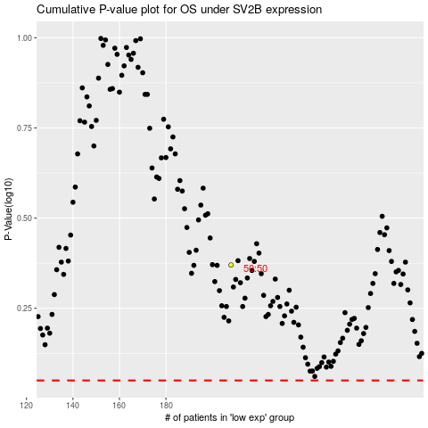

 |  |  |  |  |  | cases_OS | p_OS | rank | exp
 |  |  |  |  |  |  | cases_RFS | p_RFS | rank | exp

