SV2C _multivariate
Reported by Tex Li-Hsing Chi. tex@gate.sinica.edu.tw 2019-08-15

Table 2. The clinicopathological features of HNSCC cohort and SV2C expression. (Chi square test)
Cutoff at -0.288 (50.0%)
 |  | SV2C expression |  | SV2C expression |  | (Optimised)
 | Features | Low | (%) | High | (%) | Case no | P-value | Remark | Matthews
Gender | Female | 168 | 40.5 | 138 | 33.3 | 415 | 9e-04 | 1 | 0
2 | Male | 39 | 9.4 | 70 | 16.9
Age at diagnosis | <=65y | 137 | 33 | 137 | 33 | 415 | 1 | 0 | 0
4 | >65y | 70 | 16.9 | 71 | 17.1
Clinical T Status | T1+T2 | 73 | 17.6 | 76 | 18.3 | 415 | 0.8666 | 0 | 0
6 | T3+T4 | 134 | 32.3 | 132 | 31.8
Clinical N Status | N0 | 109 | 26.3 | 107 | 25.8 | 415 | 0.8812 | 0 | 0
8 | N1-3 | 98 | 23.6 | 101 | 24.3
Clinical M Status | M0 | 206 | 49.6 | 206 | 49.6 | 415 | 1 | 0 | 0
10 | M1 | 1 | 0.2 | 2 | 0.5
Clinical Stage | Stage I+II | 48 | 11.6 | 54 | 13 | 415 | 0.5878 | 0 | 0
12 | Stage III+IV | 159 | 38.3 | 154 | 37.1
Surgical Margin status | Negative | 163 | 39.3 | 155 | 37.3 | 415 | 0.3537 | 0 | 0
14 | Positive | 44 | 10.6 | 53 | 12.8
Tobacco Exposure | Low | 74 | 17.8 | 87 | 21 | 415 | 0.227 | 0 | 0
16 | High | 133 | 32 | 121 | 29.2

Table 3. Univariate/Multivariate Cox's proportional hazards regression analyses on OS time of SV2C gene expression in HNSCC

 |  | Univariate |  |  |  | Multivariate
 | Features | HR | CI95%(L) | CI95%(H) | P-value | HR | CI95%(L) | CI95%(H) | P-value
1 | Female | 1 |  |  |  | 1
Gender | Male | 1.157 | 0.843 | 1.587 | 0.367 | 1.192 | 0.85 | 1.672 | 0.309
11 | <=65y | 1 |  |  |  | 1
Age at diagnosis | >65y | 1.329 | 0.99 | 1.784 | 0.058 | 1.393 | 1.025 | 1.894 | 0.034
12 | T1+T2 | 1 |  |  |  | 1
Clinical T Status | T3+T4 | 1.409 | 1.028 | 1.931 | 0.033 | 2.209 | 1.168 | 4.178 | 0.015
13 | N0 | 1 |  |  |  | 1
Clinical N Status | N1-3 | 1.185 | 0.89 | 1.577 | 0.246 | 1.243 | 0.871 | 1.773 | 0.231
14 | M0 | 1 |  |  |  | 1
Clinical M Status | M1 | 4.097 | 1.009 | 16.644 | 0.049 | 9.279 | 2.019 | 42.648 | 0.004
15 | Stage I+II | 1 |  |  |  | 1
Clinical Stage | Stage III+IV | 1.245 | 0.882 | 1.759 | 0.213 | 0.504 | 0.235 | 1.081 | 0.078
16 | Negative | 1 |  |  |  | 1
Surgical Margin status | Positive | 1.591 | 1.155 | 2.191 | 0.004 | 1.673 | 1.211 | 2.313 | 0.002
17 | Low | 1 |  |  |  | 1
Tobacco Exposure | High | 1.364 | 1.008 | 1.844 | 0.044 | 1.457 | 1.057 | 2.009 | 0.022
18 | Low | 1 |  |  |  | 1
RNAseq(z-score) | High | 1.043 | 0.783 | 1.389 | 0.774 | 1.046 | 0.78 | 1.403 | 0.762

Table 4. Univariate/Multivariate Cox's proportional hazards regression analyses on RFS time of SV2C gene expression in HNSCC

 |  | Univariate |  |  |  | Multivariate
 | Features | HR | CI95%(L) | CI95%(H) | P-value | HR | CI95%(L) | CI95%(H) | P-value
1 | Female | 1 |  |  |  | 1
Gender | Male | 1.157 | 0.843 | 1.587 | 0.367 | 1.192 | 0.85 | 1.672 | 0.309
11 | <=65y | 1 |  |  |  | 1
Age at diagnosis | >65y | 1.329 | 0.99 | 1.784 | 0.058 | 1.393 | 1.025 | 1.894 | 0.034
12 | T1+T2 | 1 |  |  |  | 1
Clinical T Status | T3+T4 | 1.409 | 1.028 | 1.931 | 0.033 | 2.209 | 1.168 | 4.178 | 0.015
13 | N0 | 1 |  |  |  | 1
Clinical N Status | N1-3 | 1.185 | 0.89 | 1.577 | 0.246 | 1.243 | 0.871 | 1.773 | 0.231
14 | M0 | 1 |  |  |  | 1
Clinical M Status | M1 | 4.097 | 1.009 | 16.644 | 0.049 | 9.279 | 2.019 | 42.648 | 0.004
15 | Stage I+II | 1 |  |  |  | 1
Clinical Stage | Stage III+IV | 1.245 | 0.882 | 1.759 | 0.213 | 0.504 | 0.235 | 1.081 | 0.078
16 | Negative | 1 |  |  |  | 1
Surgical Margin status | Positive | 1.591 | 1.155 | 2.191 | 0.004 | 1.673 | 1.211 | 2.313 | 0.002
17 | Low | 1 |  |  |  | 1
Tobacco Exposure | High | 1.364 | 1.008 | 1.844 | 0.044 | 1.457 | 1.057 | 2.009 | 0.022
18 | Low | 1 |  |  |  | 1
RNAseq(z-score) | High | 1.043 | 0.783 | 1.389 | 0.774 | 1.046 | 0.78 | 1.403 | 0.762

Kaplan-Meier survival estimate: Cutoff at -0.288 (50.0%)



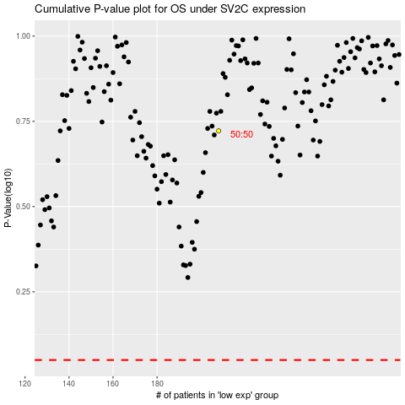

 |  |  |  |  |  | cases_OS | p_OS | rank | exp
 |  |  |  |  |  |  | cases_RFS | p_RFS | rank | exp

