SYBU _multivariate
Reported by Tex Li-Hsing Chi. tex@gate.sinica.edu.tw 2019-08-15

Table 2. The clinicopathological features of HNSCC cohort and SYBU expression. (Chi square test)
Cutoff at -0.315 (49.8%)
 |  | SYBU expression |  | SYBU expression |  | (Optimised)
 | Features | Low | (%) | High | (%) | Case no | P-value | Remark | Matthews
Gender | Female | 145 | 34.9 | 161 | 38.8 | 415 | 0.1116 | 0 | 0
2 | Male | 62 | 14.9 | 47 | 11.3
Age at diagnosis | <=65y | 127 | 30.6 | 147 | 35.4 | 415 | 0.0573 | 0 | 0
4 | >65y | 80 | 19.3 | 61 | 14.7
Clinical T Status | T1+T2 | 70 | 16.9 | 79 | 19 | 415 | 0.4343 | 0 | 0
6 | T3+T4 | 137 | 33 | 129 | 31.1
Clinical N Status | N0 | 105 | 25.3 | 111 | 26.7 | 415 | 0.6598 | 0 | 0
8 | N1-3 | 102 | 24.6 | 97 | 23.4
Clinical M Status | M0 | 204 | 49.2 | 208 | 50.1 | 415 | 0.1232 | 0 | 0
10 | M1 | 3 | 0.7 | 0 | 0
Clinical Stage | Stage I+II | 48 | 11.6 | 54 | 13 | 415 | 0.5878 | 0 | 0
12 | Stage III+IV | 159 | 38.3 | 154 | 37.1
Surgical Margin status | Negative | 155 | 37.3 | 163 | 39.3 | 415 | 0.4187 | 0 | 0
14 | Positive | 52 | 12.5 | 45 | 10.8
Tobacco Exposure | Low | 90 | 21.7 | 71 | 17.1 | 415 | 0.0559 | 0 | 0
16 | High | 117 | 28.2 | 137 | 33

Table 3. Univariate/Multivariate Cox's proportional hazards regression analyses on OS time of SYBU gene expression in HNSCC

 |  | Univariate |  |  |  | Multivariate
 | Features | HR | CI95%(L) | CI95%(H) | P-value | HR | CI95%(L) | CI95%(H) | P-value
1 | Female | 1 |  |  |  | 1
Gender | Male | 1.157 | 0.843 | 1.587 | 0.367 | 1.209 | 0.864 | 1.69 | 0.268
11 | <=65y | 1 |  |  |  | 1
Age at diagnosis | >65y | 1.329 | 0.99 | 1.784 | 0.058 | 1.399 | 1.028 | 1.904 | 0.033
12 | T1+T2 | 1 |  |  |  | 1
Clinical T Status | T3+T4 | 1.409 | 1.028 | 1.931 | 0.033 | 2.222 | 1.173 | 4.207 | 0.014
13 | N0 | 1 |  |  |  | 1
Clinical N Status | N1-3 | 1.185 | 0.89 | 1.577 | 0.246 | 1.244 | 0.872 | 1.776 | 0.228
14 | M0 | 1 |  |  |  | 1
Clinical M Status | M1 | 4.097 | 1.009 | 16.644 | 0.049 | 9.789 | 2.108 | 45.458 | 0.004
15 | Stage I+II | 1 |  |  |  | 1
Clinical Stage | Stage III+IV | 1.245 | 0.882 | 1.759 | 0.213 | 0.5 | 0.232 | 1.074 | 0.076
16 | Negative | 1 |  |  |  | 1
Surgical Margin status | Positive | 1.591 | 1.155 | 2.191 | 0.004 | 1.675 | 1.212 | 2.315 | 0.002
17 | Low | 1 |  |  |  | 1
Tobacco Exposure | High | 1.364 | 1.008 | 1.844 | 0.044 | 1.448 | 1.051 | 1.996 | 0.023
18 | Low | 1 |  |  |  | 1
RNAseq(z-score) | High | 0.978 | 0.731 | 1.309 | 0.881 | 1.062 | 0.788 | 1.431 | 0.692

Table 4. Univariate/Multivariate Cox's proportional hazards regression analyses on RFS time of SYBU gene expression in HNSCC

 |  | Univariate |  |  |  | Multivariate
 | Features | HR | CI95%(L) | CI95%(H) | P-value | HR | CI95%(L) | CI95%(H) | P-value
1 | Female | 1 |  |  |  | 1
Gender | Male | 1.157 | 0.843 | 1.587 | 0.367 | 1.209 | 0.864 | 1.69 | 0.268
11 | <=65y | 1 |  |  |  | 1
Age at diagnosis | >65y | 1.329 | 0.99 | 1.784 | 0.058 | 1.399 | 1.028 | 1.904 | 0.033
12 | T1+T2 | 1 |  |  |  | 1
Clinical T Status | T3+T4 | 1.409 | 1.028 | 1.931 | 0.033 | 2.222 | 1.173 | 4.207 | 0.014
13 | N0 | 1 |  |  |  | 1
Clinical N Status | N1-3 | 1.185 | 0.89 | 1.577 | 0.246 | 1.244 | 0.872 | 1.776 | 0.228
14 | M0 | 1 |  |  |  | 1
Clinical M Status | M1 | 4.097 | 1.009 | 16.644 | 0.049 | 9.789 | 2.108 | 45.458 | 0.004
15 | Stage I+II | 1 |  |  |  | 1
Clinical Stage | Stage III+IV | 1.245 | 0.882 | 1.759 | 0.213 | 0.5 | 0.232 | 1.074 | 0.076
16 | Negative | 1 |  |  |  | 1
Surgical Margin status | Positive | 1.591 | 1.155 | 2.191 | 0.004 | 1.675 | 1.212 | 2.315 | 0.002
17 | Low | 1 |  |  |  | 1
Tobacco Exposure | High | 1.364 | 1.008 | 1.844 | 0.044 | 1.448 | 1.051 | 1.996 | 0.023
18 | Low | 1 |  |  |  | 1
RNAseq(z-score) | High | 0.978 | 0.731 | 1.309 | 0.881 | 1.062 | 0.788 | 1.431 | 0.692

Kaplan-Meier survival estimate: Cutoff at -0.315 (49.8%)



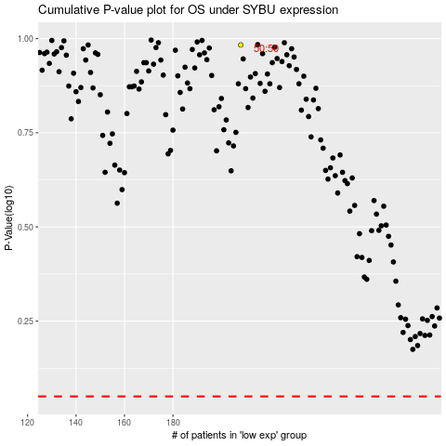

 |  |  |  |  |  | cases_OS | p_OS | rank | exp
 |  |  |  |  |  |  | cases_RFS | p_RFS | rank | exp

