SYCE1 _multivariate
Reported by Tex Li-Hsing Chi. tex@gate.sinica.edu.tw 2019-08-15

Table 2. The clinicopathological features of HNSCC cohort and SYCE1 expression. (Chi square test)
Cutoff at -0.142 (52.9%)
 |  | SYCE1 expression |  | SYCE1 expression |  | (Optimised)
 | Features | Low | (%) | High | (%) | Case no | P-value | Remark | Matthews
Gender | Female | 161 | 38.8 | 145 | 34.9 | 415 | 0.8727 | 0 | 0
2 | Male | 59 | 14.2 | 50 | 12
Age at diagnosis | <=65y | 140 | 33.7 | 134 | 32.3 | 415 | 0.3236 | 0 | 0
4 | >65y | 80 | 19.3 | 61 | 14.7
Clinical T Status | T1+T2 | 75 | 18.1 | 74 | 17.8 | 415 | 0.4745 | 0 | 0
6 | T3+T4 | 145 | 34.9 | 121 | 29.2
Clinical N Status | N0 | 121 | 29.2 | 95 | 22.9 | 415 | 0.238 | 1 | 0
8 | N1-3 | 99 | 23.9 | 100 | 24.1
Clinical M Status | M0 | 217 | 52.3 | 195 | 47 | 415 | 0.2509 | 0 | 0
10 | M1 | 3 | 0.7 | 0 | 0
Clinical Stage | Stage I+II | 53 | 12.8 | 49 | 11.8 | 415 | 0.896 | 0 | 0
12 | Stage III+IV | 167 | 40.2 | 146 | 35.2
Surgical Margin status | Negative | 170 | 41 | 148 | 35.7 | 415 | 0.8163 | 0 | 0
14 | Positive | 50 | 12 | 47 | 11.3
Tobacco Exposure | Low | 97 | 23.4 | 64 | 15.4 | 415 | 0.0204 | 1 | 0
16 | High | 123 | 29.6 | 131 | 31.6

Table 3. Univariate/Multivariate Cox's proportional hazards regression analyses on OS time of SYCE1 gene expression in HNSCC

 |  | Univariate |  |  |  | Multivariate
 | Features | HR | CI95%(L) | CI95%(H) | P-value | HR | CI95%(L) | CI95%(H) | P-value
1 | Female | 1 |  |  |  | 1
Gender | Male | 1.157 | 0.843 | 1.587 | 0.367 | 1.207 | 0.865 | 1.684 | 0.268
11 | <=65y | 1 |  |  |  | 1
Age at diagnosis | >65y | 1.329 | 0.99 | 1.784 | 0.058 | 1.387 | 1.021 | 1.884 | 0.036
12 | T1+T2 | 1 |  |  |  | 1
Clinical T Status | T3+T4 | 1.409 | 1.028 | 1.931 | 0.033 | 2.242 | 1.185 | 4.244 | 0.013
13 | N0 | 1 |  |  |  | 1
Clinical N Status | N1-3 | 1.185 | 0.89 | 1.577 | 0.246 | 1.221 | 0.855 | 1.742 | 0.272
14 | M0 | 1 |  |  |  | 1
Clinical M Status | M1 | 4.097 | 1.009 | 16.644 | 0.049 | 11.001 | 2.376 | 50.937 | 0.002
15 | Stage I+II | 1 |  |  |  | 1
Clinical Stage | Stage III+IV | 1.245 | 0.882 | 1.759 | 0.213 | 0.509 | 0.237 | 1.092 | 0.083
16 | Negative | 1 |  |  |  | 1
Surgical Margin status | Positive | 1.591 | 1.155 | 2.191 | 0.004 | 1.656 | 1.198 | 2.289 | 0.002
17 | Low | 1 |  |  |  | 1
Tobacco Exposure | High | 1.364 | 1.008 | 1.844 | 0.044 | 1.37 | 0.99 | 1.896 | 0.057
18 | Low | 1 |  |  |  | 1
RNAseq(z-score) | High | 1.348 | 1.011 | 1.798 | 0.042 | 1.326 | 0.986 | 1.783 | 0.062

Table 4. Univariate/Multivariate Cox's proportional hazards regression analyses on RFS time of SYCE1 gene expression in HNSCC

 |  | Univariate |  |  |  | Multivariate
 | Features | HR | CI95%(L) | CI95%(H) | P-value | HR | CI95%(L) | CI95%(H) | P-value
1 | Female | 1 |  |  |  | 1
Gender | Male | 1.157 | 0.843 | 1.587 | 0.367 | 1.207 | 0.865 | 1.684 | 0.268
11 | <=65y | 1 |  |  |  | 1
Age at diagnosis | >65y | 1.329 | 0.99 | 1.784 | 0.058 | 1.387 | 1.021 | 1.884 | 0.036
12 | T1+T2 | 1 |  |  |  | 1
Clinical T Status | T3+T4 | 1.409 | 1.028 | 1.931 | 0.033 | 2.242 | 1.185 | 4.244 | 0.013
13 | N0 | 1 |  |  |  | 1
Clinical N Status | N1-3 | 1.185 | 0.89 | 1.577 | 0.246 | 1.221 | 0.855 | 1.742 | 0.272
14 | M0 | 1 |  |  |  | 1
Clinical M Status | M1 | 4.097 | 1.009 | 16.644 | 0.049 | 11.001 | 2.376 | 50.937 | 0.002
15 | Stage I+II | 1 |  |  |  | 1
Clinical Stage | Stage III+IV | 1.245 | 0.882 | 1.759 | 0.213 | 0.509 | 0.237 | 1.092 | 0.083
16 | Negative | 1 |  |  |  | 1
Surgical Margin status | Positive | 1.591 | 1.155 | 2.191 | 0.004 | 1.656 | 1.198 | 2.289 | 0.002
17 | Low | 1 |  |  |  | 1
Tobacco Exposure | High | 1.364 | 1.008 | 1.844 | 0.044 | 1.37 | 0.99 | 1.896 | 0.057
18 | Low | 1 |  |  |  | 1
RNAseq(z-score) | High | 1.348 | 1.011 | 1.798 | 0.042 | 1.326 | 0.986 | 1.783 | 0.062

Kaplan-Meier survival estimate: Cutoff at -0.142 (52.9%)



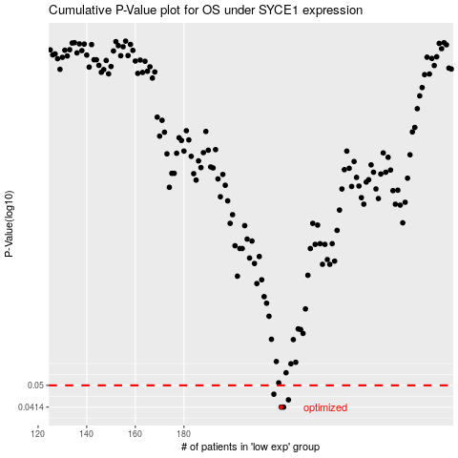

 |  |  |  |  |  | cases_OS | p_OS | rank | exp
 |  |  |  |  |  | 220 | 0.0414 | 173 | -0.14157301844
 |  |  |  |  |  | 221 | 0.0414 | 285 | -0.14157301844
 |  |  |  |  |  | 223 | 0.0441 | 289 | -0.14122605245
 |  |  |  |  |  | 217 | 0.0463 | 80 | -0.14168037562
 |  |  |  |  |  |  | cases_RFS | p_RFS | rank | exp
 |  |  |  |  |  |  | 219 | 0.0414 | 34 | -0.14160258056
 |  |  |  |  |  |  | 220 | 0.0414 | 173 | -0.14157301844
 |  |  |  |  |  |  | 222 | 0.0441 | 363 | -0.14144854633
 |  |  |  |  |  |  | 216 | 0.0463 | 270 | -0.14176439429

