SYCE1L _multivariate
Reported by Tex Li-Hsing Chi. tex@gate.sinica.edu.tw 2019-08-15

Table 2. The clinicopathological features of HNSCC cohort and SYCE1L expression. (Chi square test)
Cutoff at -0.109 (68.8%)
 |  | SYCE1L expression |  | SYCE1L expression |  | (Optimised)
 | Features | Low | (%) | High | (%) | Case no | P-value | Remark | Matthews
Gender | Female | 202 | 48.7 | 104 | 25.1 | 415 | 0.0434 | 1 | 0
2 | Male | 84 | 20.2 | 25 | 6
Age at diagnosis | <=65y | 187 | 45.1 | 87 | 21 | 415 | 0.766 | 0 | 0
4 | >65y | 99 | 23.9 | 42 | 10.1
Clinical T Status | T1+T2 | 109 | 26.3 | 40 | 9.6 | 415 | 0.1985 | 0 | 0
6 | T3+T4 | 177 | 42.7 | 89 | 21.4
Clinical N Status | N0 | 151 | 36.4 | 65 | 15.7 | 415 | 0.7274 | 0 | 0
8 | N1-3 | 135 | 32.5 | 64 | 15.4
Clinical M Status | M0 | 284 | 68.4 | 128 | 30.8 | 415 | 1 | 0 | 0
10 | M1 | 2 | 0.5 | 1 | 0.2
Clinical Stage | Stage I+II | 77 | 18.6 | 25 | 6 | 415 | 0.1263 | 0 | 0
12 | Stage III+IV | 209 | 50.4 | 104 | 25.1
Surgical Margin status | Negative | 228 | 54.9 | 90 | 21.7 | 415 | 0.0329 | 1 | 0
14 | Positive | 58 | 14 | 39 | 9.4
Tobacco Exposure | Low | 112 | 27 | 49 | 11.8 | 415 | 0.8287 | 0 | 0
16 | High | 174 | 41.9 | 80 | 19.3

Table 3. Univariate/Multivariate Cox's proportional hazards regression analyses on OS time of SYCE1L gene expression in HNSCC

 |  | Univariate |  |  |  | Multivariate
 | Features | HR | CI95%(L) | CI95%(H) | P-value | HR | CI95%(L) | CI95%(H) | P-value
1 | Female | 1 |  |  |  | 1
Gender | Male | 1.157 | 0.843 | 1.587 | 0.367 | 1.145 | 0.82 | 1.599 | 0.426
11 | <=65y | 1 |  |  |  | 1
Age at diagnosis | >65y | 1.329 | 0.99 | 1.784 | 0.058 | 1.396 | 1.026 | 1.899 | 0.034
12 | T1+T2 | 1 |  |  |  | 1
Clinical T Status | T3+T4 | 1.409 | 1.028 | 1.931 | 0.033 | 2.274 | 1.203 | 4.3 | 0.011
13 | N0 | 1 |  |  |  | 1
Clinical N Status | N1-3 | 1.185 | 0.89 | 1.577 | 0.246 | 1.253 | 0.879 | 1.786 | 0.213
14 | M0 | 1 |  |  |  | 1
Clinical M Status | M1 | 4.097 | 1.009 | 16.644 | 0.049 | 9.862 | 2.15 | 45.231 | 0.003
15 | Stage I+II | 1 |  |  |  | 1
Clinical Stage | Stage III+IV | 1.245 | 0.882 | 1.759 | 0.213 | 0.499 | 0.232 | 1.071 | 0.075
16 | Negative | 1 |  |  |  | 1
Surgical Margin status | Positive | 1.591 | 1.155 | 2.191 | 0.004 | 1.703 | 1.233 | 2.353 | 0.001
17 | Low | 1 |  |  |  | 1
Tobacco Exposure | High | 1.364 | 1.008 | 1.844 | 0.044 | 1.451 | 1.055 | 1.997 | 0.022
18 | Low | 1 |  |  |  | 1
RNAseq(z-score) | High | 0.679 | 0.482 | 0.955 | 0.026 | 0.648 | 0.458 | 0.915 | 0.014

Table 4. Univariate/Multivariate Cox's proportional hazards regression analyses on RFS time of SYCE1L gene expression in HNSCC

 |  | Univariate |  |  |  | Multivariate
 | Features | HR | CI95%(L) | CI95%(H) | P-value | HR | CI95%(L) | CI95%(H) | P-value
1 | Female | 1 |  |  |  | 1
Gender | Male | 1.157 | 0.843 | 1.587 | 0.367 | 1.145 | 0.82 | 1.599 | 0.426
11 | <=65y | 1 |  |  |  | 1
Age at diagnosis | >65y | 1.329 | 0.99 | 1.784 | 0.058 | 1.396 | 1.026 | 1.899 | 0.034
12 | T1+T2 | 1 |  |  |  | 1
Clinical T Status | T3+T4 | 1.409 | 1.028 | 1.931 | 0.033 | 2.274 | 1.203 | 4.3 | 0.011
13 | N0 | 1 |  |  |  | 1
Clinical N Status | N1-3 | 1.185 | 0.89 | 1.577 | 0.246 | 1.253 | 0.879 | 1.786 | 0.213
14 | M0 | 1 |  |  |  | 1
Clinical M Status | M1 | 4.097 | 1.009 | 16.644 | 0.049 | 9.862 | 2.15 | 45.231 | 0.003
15 | Stage I+II | 1 |  |  |  | 1
Clinical Stage | Stage III+IV | 1.245 | 0.882 | 1.759 | 0.213 | 0.499 | 0.232 | 1.071 | 0.075
16 | Negative | 1 |  |  |  | 1
Surgical Margin status | Positive | 1.591 | 1.155 | 2.191 | 0.004 | 1.703 | 1.233 | 2.353 | 0.001
17 | Low | 1 |  |  |  | 1
Tobacco Exposure | High | 1.364 | 1.008 | 1.844 | 0.044 | 1.451 | 1.055 | 1.997 | 0.022
18 | Low | 1 |  |  |  | 1
RNAseq(z-score) | High | 0.679 | 0.482 | 0.955 | 0.026 | 0.648 | 0.458 | 0.915 | 0.014

Kaplan-Meier survival estimate: Cutoff at -0.109 (68.8%)

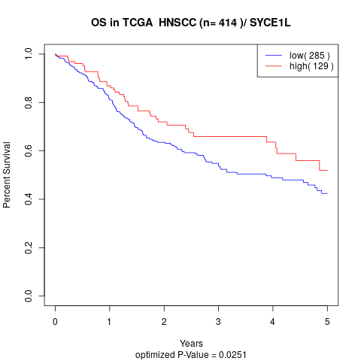

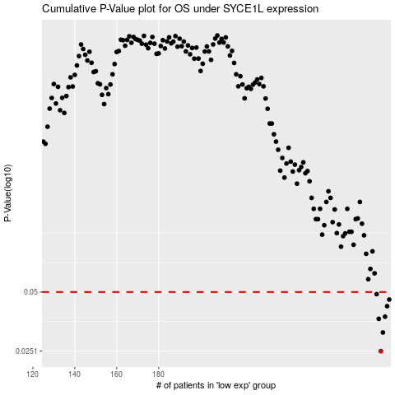

 |  |  |  |  |  | cases_OS | p_OS | rank | exp
 |  |  |  |  |  | 286 | 0.0251 | 328 | -0.10940569586
 |  |  |  |  |  | 287 | 0.0312 | 95 | -0.10904070064
 |  |  |  |  |  | 285 | 0.0366 | 224 | -0.11390453848
 |  |  |  |  |  | 288 | 0.0375 | 360 | -0.10863422869
 |  |  |  |  |  | 289 | 0.0424 | 384 | -0.10706364319
 |  |  |  |  |  | 290 | 0.0458 | 306 | -0.09932408541
 |  |  |  |  |  | 284 | 0.0488 | 385 | -0.11604197263
 |  |  |  |  |  |  | cases_RFS | p_RFS | rank | exp
 |  |  |  |  |  |  | 285 | 0.0251 | 224 | -0.11390453848
 |  |  |  |  |  |  | 286 | 0.0312 | 328 | -0.10940569586
 |  |  |  |  |  |  | 284 | 0.0366 | 385 | -0.11604197263
 |  |  |  |  |  |  | 287 | 0.0375 | 95 | -0.10904070064
 |  |  |  |  |  |  | 288 | 0.0424 | 360 | -0.10863422869
 |  |  |  |  |  |  | 289 | 0.0458 | 384 | -0.10706364319
 |  |  |  |  |  |  | 283 | 0.0488 | 369 | -0.11634890042

