SYCE2 _multivariate
Reported by Tex Li-Hsing Chi. tex@gate.sinica.edu.tw 2019-08-15

Table 2. The clinicopathological features of HNSCC cohort and SYCE2 expression. (Chi square test)
Cutoff at -0.27 (49.8%)
 |  | SYCE2 expression |  | SYCE2 expression |  | (Optimised)
 | Features | Low | (%) | High | (%) | Case no | P-value | Remark | Matthews
Gender | Female | 147 | 35.4 | 159 | 38.3 | 415 | 0.2523 | 0 | 0
2 | Male | 60 | 14.5 | 49 | 11.8
Age at diagnosis | <=65y | 135 | 32.5 | 139 | 33.5 | 415 | 0.8084 | 0 | 0
4 | >65y | 72 | 17.3 | 69 | 16.6
Clinical T Status | T1+T2 | 72 | 17.3 | 77 | 18.6 | 415 | 0.7095 | 0 | 0
6 | T3+T4 | 135 | 32.5 | 131 | 31.6
Clinical N Status | N0 | 107 | 25.8 | 109 | 26.3 | 415 | 0.9624 | 0 | 0
8 | N1-3 | 100 | 24.1 | 99 | 23.9
Clinical M Status | M0 | 204 | 49.2 | 208 | 50.1 | 415 | 0.1232 | 0 | 0
10 | M1 | 3 | 0.7 | 0 | 0
Clinical Stage | Stage I+II | 54 | 13 | 48 | 11.6 | 415 | 0.5498 | 0 | 0
12 | Stage III+IV | 153 | 36.9 | 160 | 38.6
Surgical Margin status | Negative | 164 | 39.5 | 154 | 37.1 | 415 | 0.2462 | 0 | 0
14 | Positive | 43 | 10.4 | 54 | 13
Tobacco Exposure | Low | 84 | 20.2 | 77 | 18.6 | 415 | 0.4816 | 0 | 0
16 | High | 123 | 29.6 | 131 | 31.6

Table 3. Univariate/Multivariate Cox's proportional hazards regression analyses on OS time of SYCE2 gene expression in HNSCC

 |  | Univariate |  |  |  | Multivariate
 | Features | HR | CI95%(L) | CI95%(H) | P-value | HR | CI95%(L) | CI95%(H) | P-value
1 | Female | 1 |  |  |  | 1
Gender | Male | 1.157 | 0.843 | 1.587 | 0.367 | 1.211 | 0.866 | 1.692 | 0.264
11 | <=65y | 1 |  |  |  | 1
Age at diagnosis | >65y | 1.329 | 0.99 | 1.784 | 0.058 | 1.385 | 1.019 | 1.882 | 0.038
12 | T1+T2 | 1 |  |  |  | 1
Clinical T Status | T3+T4 | 1.409 | 1.028 | 1.931 | 0.033 | 2.266 | 1.194 | 4.302 | 0.012
13 | N0 | 1 |  |  |  | 1
Clinical N Status | N1-3 | 1.185 | 0.89 | 1.577 | 0.246 | 1.255 | 0.879 | 1.793 | 0.212
14 | M0 | 1 |  |  |  | 1
Clinical M Status | M1 | 4.097 | 1.009 | 16.644 | 0.049 | 10.22 | 2.195 | 47.582 | 0.003
15 | Stage I+II | 1 |  |  |  | 1
Clinical Stage | Stage III+IV | 1.245 | 0.882 | 1.759 | 0.213 | 0.482 | 0.223 | 1.044 | 0.064
16 | Negative | 1 |  |  |  | 1
Surgical Margin status | Positive | 1.591 | 1.155 | 2.191 | 0.004 | 1.643 | 1.186 | 2.277 | 0.003
17 | Low | 1 |  |  |  | 1
Tobacco Exposure | High | 1.364 | 1.008 | 1.844 | 0.044 | 1.444 | 1.048 | 1.99 | 0.025
18 | Low | 1 |  |  |  | 1
RNAseq(z-score) | High | 1.13 | 0.848 | 1.505 | 0.405 | 1.121 | 0.834 | 1.508 | 0.449

Table 4. Univariate/Multivariate Cox's proportional hazards regression analyses on RFS time of SYCE2 gene expression in HNSCC

 |  | Univariate |  |  |  | Multivariate
 | Features | HR | CI95%(L) | CI95%(H) | P-value | HR | CI95%(L) | CI95%(H) | P-value
1 | Female | 1 |  |  |  | 1
Gender | Male | 1.157 | 0.843 | 1.587 | 0.367 | 1.211 | 0.866 | 1.692 | 0.264
11 | <=65y | 1 |  |  |  | 1
Age at diagnosis | >65y | 1.329 | 0.99 | 1.784 | 0.058 | 1.385 | 1.019 | 1.882 | 0.038
12 | T1+T2 | 1 |  |  |  | 1
Clinical T Status | T3+T4 | 1.409 | 1.028 | 1.931 | 0.033 | 2.266 | 1.194 | 4.302 | 0.012
13 | N0 | 1 |  |  |  | 1
Clinical N Status | N1-3 | 1.185 | 0.89 | 1.577 | 0.246 | 1.255 | 0.879 | 1.793 | 0.212
14 | M0 | 1 |  |  |  | 1
Clinical M Status | M1 | 4.097 | 1.009 | 16.644 | 0.049 | 10.22 | 2.195 | 47.582 | 0.003
15 | Stage I+II | 1 |  |  |  | 1
Clinical Stage | Stage III+IV | 1.245 | 0.882 | 1.759 | 0.213 | 0.482 | 0.223 | 1.044 | 0.064
16 | Negative | 1 |  |  |  | 1
Surgical Margin status | Positive | 1.591 | 1.155 | 2.191 | 0.004 | 1.643 | 1.186 | 2.277 | 0.003
17 | Low | 1 |  |  |  | 1
Tobacco Exposure | High | 1.364 | 1.008 | 1.844 | 0.044 | 1.444 | 1.048 | 1.99 | 0.025
18 | Low | 1 |  |  |  | 1
RNAseq(z-score) | High | 1.13 | 0.848 | 1.505 | 0.405 | 1.121 | 0.834 | 1.508 | 0.449

Kaplan-Meier survival estimate: Cutoff at -0.27 (49.8%)



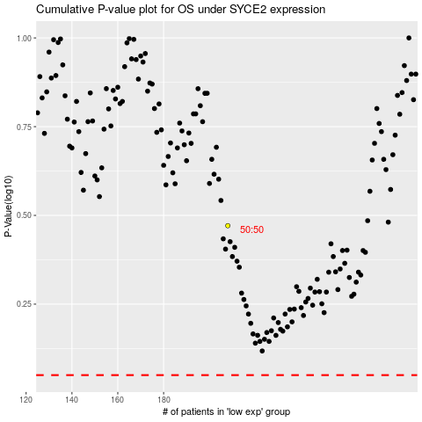

 |  |  |  |  |  | cases_OS | p_OS | rank | exp
 |  |  |  |  |  |  | cases_RFS | p_RFS | rank | exp

