SYDE1 _multivariate
Reported by Tex Li-Hsing Chi. tex@gate.sinica.edu.tw 2019-08-15

Table 2. The clinicopathological features of HNSCC cohort and SYDE1 expression. (Chi square test)
Cutoff at -0.135 (49.8%)
 |  | SYDE1 expression |  | SYDE1 expression |  | (Optimised)
 | Features | Low | (%) | High | (%) | Case no | P-value | Remark | Matthews
Gender | Female | 154 | 37.1 | 152 | 36.6 | 415 | 0.8463 | 0 | 0
2 | Male | 53 | 12.8 | 56 | 13.5
Age at diagnosis | <=65y | 143 | 34.5 | 131 | 31.6 | 415 | 0.2269 | 0 | 0
4 | >65y | 64 | 15.4 | 77 | 18.6
Clinical T Status | T1+T2 | 79 | 19 | 70 | 16.9 | 415 | 0.3924 | 0 | 0
6 | T3+T4 | 128 | 30.8 | 138 | 33.3
Clinical N Status | N0 | 105 | 25.3 | 111 | 26.7 | 415 | 0.6598 | 0 | 0
8 | N1-3 | 102 | 24.6 | 97 | 23.4
Clinical M Status | M0 | 204 | 49.2 | 208 | 50.1 | 415 | 0.1232 | 0 | 0
10 | M1 | 3 | 0.7 | 0 | 0
Clinical Stage | Stage I+II | 47 | 11.3 | 55 | 13.3 | 415 | 0.4413 | 0 | 0
12 | Stage III+IV | 160 | 38.6 | 153 | 36.9
Surgical Margin status | Negative | 160 | 38.6 | 158 | 38.1 | 415 | 0.8167 | 0 | 0
14 | Positive | 47 | 11.3 | 50 | 12
Tobacco Exposure | Low | 79 | 19 | 82 | 19.8 | 415 | 0.8405 | 0 | 0
16 | High | 128 | 30.8 | 126 | 30.4

Table 3. Univariate/Multivariate Cox's proportional hazards regression analyses on OS time of SYDE1 gene expression in HNSCC

 |  | Univariate |  |  |  | Multivariate
 | Features | HR | CI95%(L) | CI95%(H) | P-value | HR | CI95%(L) | CI95%(H) | P-value
1 | Female | 1 |  |  |  | 1
Gender | Male | 1.157 | 0.843 | 1.587 | 0.367 | 1.204 | 0.862 | 1.682 | 0.277
11 | <=65y | 1 |  |  |  | 1
Age at diagnosis | >65y | 1.329 | 0.99 | 1.784 | 0.058 | 1.396 | 1.027 | 1.898 | 0.033
12 | T1+T2 | 1 |  |  |  | 1
Clinical T Status | T3+T4 | 1.409 | 1.028 | 1.931 | 0.033 | 2.233 | 1.177 | 4.236 | 0.014
13 | N0 | 1 |  |  |  | 1
Clinical N Status | N1-3 | 1.185 | 0.89 | 1.577 | 0.246 | 1.242 | 0.871 | 1.772 | 0.232
14 | M0 | 1 |  |  |  | 1
Clinical M Status | M1 | 4.097 | 1.009 | 16.644 | 0.049 | 9.243 | 2.012 | 42.466 | 0.004
15 | Stage I+II | 1 |  |  |  | 1
Clinical Stage | Stage III+IV | 1.245 | 0.882 | 1.759 | 0.213 | 0.496 | 0.23 | 1.069 | 0.073
16 | Negative | 1 |  |  |  | 1
Surgical Margin status | Positive | 1.591 | 1.155 | 2.191 | 0.004 | 1.673 | 1.211 | 2.311 | 0.002
17 | Low | 1 |  |  |  | 1
Tobacco Exposure | High | 1.364 | 1.008 | 1.844 | 0.044 | 1.451 | 1.053 | 2 | 0.023
18 | Low | 1 |  |  |  | 1
RNAseq(z-score) | High | 0.953 | 0.715 | 1.27 | 0.742 | 0.94 | 0.702 | 1.26 | 0.68

Table 4. Univariate/Multivariate Cox's proportional hazards regression analyses on RFS time of SYDE1 gene expression in HNSCC

 |  | Univariate |  |  |  | Multivariate
 | Features | HR | CI95%(L) | CI95%(H) | P-value | HR | CI95%(L) | CI95%(H) | P-value
1 | Female | 1 |  |  |  | 1
Gender | Male | 1.157 | 0.843 | 1.587 | 0.367 | 1.204 | 0.862 | 1.682 | 0.277
11 | <=65y | 1 |  |  |  | 1
Age at diagnosis | >65y | 1.329 | 0.99 | 1.784 | 0.058 | 1.396 | 1.027 | 1.898 | 0.033
12 | T1+T2 | 1 |  |  |  | 1
Clinical T Status | T3+T4 | 1.409 | 1.028 | 1.931 | 0.033 | 2.233 | 1.177 | 4.236 | 0.014
13 | N0 | 1 |  |  |  | 1
Clinical N Status | N1-3 | 1.185 | 0.89 | 1.577 | 0.246 | 1.242 | 0.871 | 1.772 | 0.232
14 | M0 | 1 |  |  |  | 1
Clinical M Status | M1 | 4.097 | 1.009 | 16.644 | 0.049 | 9.243 | 2.012 | 42.466 | 0.004
15 | Stage I+II | 1 |  |  |  | 1
Clinical Stage | Stage III+IV | 1.245 | 0.882 | 1.759 | 0.213 | 0.496 | 0.23 | 1.069 | 0.073
16 | Negative | 1 |  |  |  | 1
Surgical Margin status | Positive | 1.591 | 1.155 | 2.191 | 0.004 | 1.673 | 1.211 | 2.311 | 0.002
17 | Low | 1 |  |  |  | 1
Tobacco Exposure | High | 1.364 | 1.008 | 1.844 | 0.044 | 1.451 | 1.053 | 2 | 0.023
18 | Low | 1 |  |  |  | 1
RNAseq(z-score) | High | 0.953 | 0.715 | 1.27 | 0.742 | 0.94 | 0.702 | 1.26 | 0.68

Kaplan-Meier survival estimate: Cutoff at -0.135 (49.8%)



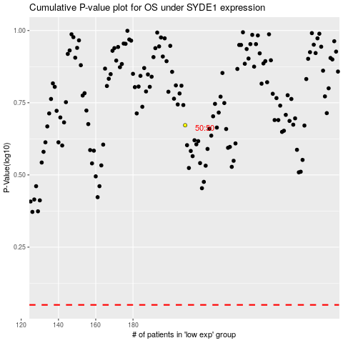

 |  |  |  |  |  | cases_OS | p_OS | rank | exp
 |  |  |  |  |  |  | cases_RFS | p_RFS | rank | exp

