SYMPK _multivariate
Reported by Tex Li-Hsing Chi. tex@gate.sinica.edu.tw 2019-08-15

Table 2. The clinicopathological features of HNSCC cohort and SYMPK expression. (Chi square test)
Cutoff at -0.127 (49.8%)
 |  | SYMPK expression |  | SYMPK expression |  | (Optimised)
 | Features | Low | (%) | High | (%) | Case no | P-value | Remark | Matthews
Gender | Female | 141 | 34 | 165 | 39.8 | 415 | 0.013 | 1 | 0
2 | Male | 66 | 15.9 | 43 | 10.4
Age at diagnosis | <=65y | 145 | 34.9 | 129 | 31.1 | 415 | 0.1046 | 0 | 0
4 | >65y | 62 | 14.9 | 79 | 19
Clinical T Status | T1+T2 | 81 | 19.5 | 68 | 16.4 | 415 | 0.206 | 0 | 0
6 | T3+T4 | 126 | 30.4 | 140 | 33.7
Clinical N Status | N0 | 113 | 27.2 | 103 | 24.8 | 415 | 0.3495 | 1 | 0
8 | N1-3 | 94 | 22.7 | 105 | 25.3
Clinical M Status | M0 | 204 | 49.2 | 208 | 50.1 | 415 | 0.1232 | 0 | 0
10 | M1 | 3 | 0.7 | 0 | 0
Clinical Stage | Stage I+II | 59 | 14.2 | 43 | 10.4 | 415 | 0.0822 | 0 | 0
12 | Stage III+IV | 148 | 35.7 | 165 | 39.8
Surgical Margin status | Negative | 164 | 39.5 | 154 | 37.1 | 415 | 0.2462 | 0 | 0
14 | Positive | 43 | 10.4 | 54 | 13
Tobacco Exposure | Low | 85 | 20.5 | 76 | 18.3 | 415 | 0.3655 | 0 | 0
16 | High | 122 | 29.4 | 132 | 31.8

Table 3. Univariate/Multivariate Cox's proportional hazards regression analyses on OS time of SYMPK gene expression in HNSCC

 |  | Univariate |  |  |  | Multivariate
 | Features | HR | CI95%(L) | CI95%(H) | P-value | HR | CI95%(L) | CI95%(H) | P-value
1 | Female | 1 |  |  |  | 1
Gender | Male | 1.157 | 0.843 | 1.587 | 0.367 | 1.17 | 0.834 | 1.639 | 0.363
11 | <=65y | 1 |  |  |  | 1
Age at diagnosis | >65y | 1.329 | 0.99 | 1.784 | 0.058 | 1.424 | 1.045 | 1.941 | 0.025
12 | T1+T2 | 1 |  |  |  | 1
Clinical T Status | T3+T4 | 1.409 | 1.028 | 1.931 | 0.033 | 2.198 | 1.163 | 4.157 | 0.015
13 | N0 | 1 |  |  |  | 1
Clinical N Status | N1-3 | 1.185 | 0.89 | 1.577 | 0.246 | 1.252 | 0.877 | 1.787 | 0.215
14 | M0 | 1 |  |  |  | 1
Clinical M Status | M1 | 4.097 | 1.009 | 16.644 | 0.049 | 8.615 | 1.864 | 39.806 | 0.006
15 | Stage I+II | 1 |  |  |  | 1
Clinical Stage | Stage III+IV | 1.245 | 0.882 | 1.759 | 0.213 | 0.511 | 0.238 | 1.097 | 0.085
16 | Negative | 1 |  |  |  | 1
Surgical Margin status | Positive | 1.591 | 1.155 | 2.191 | 0.004 | 1.692 | 1.223 | 2.34 | 0.001
17 | Low | 1 |  |  |  | 1
Tobacco Exposure | High | 1.364 | 1.008 | 1.844 | 0.044 | 1.463 | 1.061 | 2.017 | 0.02
18 | Low | 1 |  |  |  | 1
RNAseq(z-score) | High | 0.913 | 0.686 | 1.217 | 0.537 | 0.853 | 0.633 | 1.148 | 0.293

Table 4. Univariate/Multivariate Cox's proportional hazards regression analyses on RFS time of SYMPK gene expression in HNSCC

 |  | Univariate |  |  |  | Multivariate
 | Features | HR | CI95%(L) | CI95%(H) | P-value | HR | CI95%(L) | CI95%(H) | P-value
1 | Female | 1 |  |  |  | 1
Gender | Male | 1.157 | 0.843 | 1.587 | 0.367 | 1.17 | 0.834 | 1.639 | 0.363
11 | <=65y | 1 |  |  |  | 1
Age at diagnosis | >65y | 1.329 | 0.99 | 1.784 | 0.058 | 1.424 | 1.045 | 1.941 | 0.025
12 | T1+T2 | 1 |  |  |  | 1
Clinical T Status | T3+T4 | 1.409 | 1.028 | 1.931 | 0.033 | 2.198 | 1.163 | 4.157 | 0.015
13 | N0 | 1 |  |  |  | 1
Clinical N Status | N1-3 | 1.185 | 0.89 | 1.577 | 0.246 | 1.252 | 0.877 | 1.787 | 0.215
14 | M0 | 1 |  |  |  | 1
Clinical M Status | M1 | 4.097 | 1.009 | 16.644 | 0.049 | 8.615 | 1.864 | 39.806 | 0.006
15 | Stage I+II | 1 |  |  |  | 1
Clinical Stage | Stage III+IV | 1.245 | 0.882 | 1.759 | 0.213 | 0.511 | 0.238 | 1.097 | 0.085
16 | Negative | 1 |  |  |  | 1
Surgical Margin status | Positive | 1.591 | 1.155 | 2.191 | 0.004 | 1.692 | 1.223 | 2.34 | 0.001
17 | Low | 1 |  |  |  | 1
Tobacco Exposure | High | 1.364 | 1.008 | 1.844 | 0.044 | 1.463 | 1.061 | 2.017 | 0.02
18 | Low | 1 |  |  |  | 1
RNAseq(z-score) | High | 0.913 | 0.686 | 1.217 | 0.537 | 0.853 | 0.633 | 1.148 | 0.293

Kaplan-Meier survival estimate: Cutoff at -0.127 (49.8%)



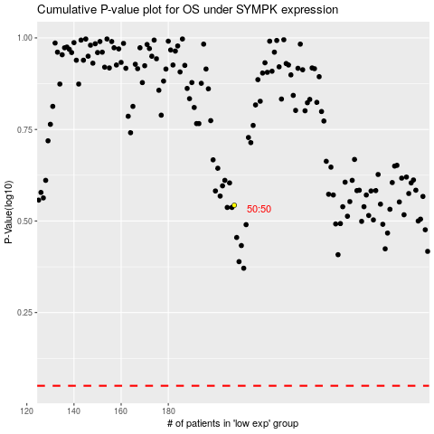

 |  |  |  |  |  | cases_OS | p_OS | rank | exp
 |  |  |  |  |  |  | cases_RFS | p_RFS | rank | exp

