SYN1 _multivariate
Reported by Tex Li-Hsing Chi. tex@gate.sinica.edu.tw 2019-08-15

Table 2. The clinicopathological features of HNSCC cohort and SYN1 expression. (Chi square test)
Cutoff at -0.298 (50.0%)
 |  | SYN1 expression |  | SYN1 expression |  | (Optimised)
 | Features | Low | (%) | High | (%) | Case no | P-value | Remark | Matthews
Gender | Female | 153 | 36.9 | 153 | 36.9 | 415 | 1 | 0 | 0
2 | Male | 54 | 13 | 55 | 13.3
Age at diagnosis | <=65y | 126 | 30.4 | 148 | 35.7 | 415 | 0.035 | 1 | 0
4 | >65y | 81 | 19.5 | 60 | 14.5
Clinical T Status | T1+T2 | 70 | 16.9 | 79 | 19 | 415 | 0.4343 | 0 | 0
6 | T3+T4 | 137 | 33 | 129 | 31.1
Clinical N Status | N0 | 108 | 26 | 108 | 26 | 415 | 1 | 0 | 0
8 | N1-3 | 99 | 23.9 | 100 | 24.1
Clinical M Status | M0 | 204 | 49.2 | 208 | 50.1 | 415 | 0.1232 | 0 | 0
10 | M1 | 3 | 0.7 | 0 | 0
Clinical Stage | Stage I+II | 45 | 10.8 | 57 | 13.7 | 415 | 0.2202 | 0 | 0
12 | Stage III+IV | 162 | 39 | 151 | 36.4
Surgical Margin status | Negative | 151 | 36.4 | 167 | 40.2 | 415 | 0.0828 | 0 | 0
14 | Positive | 56 | 13.5 | 41 | 9.9
Tobacco Exposure | Low | 87 | 21 | 74 | 17.8 | 415 | 0.1911 | 0 | 0
16 | High | 120 | 28.9 | 134 | 32.3

Table 3. Univariate/Multivariate Cox's proportional hazards regression analyses on OS time of SYN1 gene expression in HNSCC

 |  | Univariate |  |  |  | Multivariate
 | Features | HR | CI95%(L) | CI95%(H) | P-value | HR | CI95%(L) | CI95%(H) | P-value
1 | Female | 1 |  |  |  | 1
Gender | Male | 1.157 | 0.843 | 1.587 | 0.367 | 1.204 | 0.861 | 1.682 | 0.278
11 | <=65y | 1 |  |  |  | 1
Age at diagnosis | >65y | 1.329 | 0.99 | 1.784 | 0.058 | 1.398 | 1.026 | 1.905 | 0.034
12 | T1+T2 | 1 |  |  |  | 1
Clinical T Status | T3+T4 | 1.409 | 1.028 | 1.931 | 0.033 | 2.191 | 1.157 | 4.149 | 0.016
13 | N0 | 1 |  |  |  | 1
Clinical N Status | N1-3 | 1.185 | 0.89 | 1.577 | 0.246 | 1.237 | 0.866 | 1.767 | 0.242
14 | M0 | 1 |  |  |  | 1
Clinical M Status | M1 | 4.097 | 1.009 | 16.644 | 0.049 | 9.56 | 2.074 | 44.06 | 0.004
15 | Stage I+II | 1 |  |  |  | 1
Clinical Stage | Stage III+IV | 1.245 | 0.882 | 1.759 | 0.213 | 0.507 | 0.236 | 1.09 | 0.082
16 | Negative | 1 |  |  |  | 1
Surgical Margin status | Positive | 1.591 | 1.155 | 2.191 | 0.004 | 1.672 | 1.21 | 2.31 | 0.002
17 | Low | 1 |  |  |  | 1
Tobacco Exposure | High | 1.364 | 1.008 | 1.844 | 0.044 | 1.451 | 1.053 | 1.999 | 0.023
18 | Low | 1 |  |  |  | 1
RNAseq(z-score) | High | 1.022 | 0.767 | 1.363 | 0.88 | 1.038 | 0.772 | 1.396 | 0.805

Table 4. Univariate/Multivariate Cox's proportional hazards regression analyses on RFS time of SYN1 gene expression in HNSCC

 |  | Univariate |  |  |  | Multivariate
 | Features | HR | CI95%(L) | CI95%(H) | P-value | HR | CI95%(L) | CI95%(H) | P-value
1 | Female | 1 |  |  |  | 1
Gender | Male | 1.157 | 0.843 | 1.587 | 0.367 | 1.204 | 0.861 | 1.682 | 0.278
11 | <=65y | 1 |  |  |  | 1
Age at diagnosis | >65y | 1.329 | 0.99 | 1.784 | 0.058 | 1.398 | 1.026 | 1.905 | 0.034
12 | T1+T2 | 1 |  |  |  | 1
Clinical T Status | T3+T4 | 1.409 | 1.028 | 1.931 | 0.033 | 2.191 | 1.157 | 4.149 | 0.016
13 | N0 | 1 |  |  |  | 1
Clinical N Status | N1-3 | 1.185 | 0.89 | 1.577 | 0.246 | 1.237 | 0.866 | 1.767 | 0.242
14 | M0 | 1 |  |  |  | 1
Clinical M Status | M1 | 4.097 | 1.009 | 16.644 | 0.049 | 9.56 | 2.074 | 44.06 | 0.004
15 | Stage I+II | 1 |  |  |  | 1
Clinical Stage | Stage III+IV | 1.245 | 0.882 | 1.759 | 0.213 | 0.507 | 0.236 | 1.09 | 0.082
16 | Negative | 1 |  |  |  | 1
Surgical Margin status | Positive | 1.591 | 1.155 | 2.191 | 0.004 | 1.672 | 1.21 | 2.31 | 0.002
17 | Low | 1 |  |  |  | 1
Tobacco Exposure | High | 1.364 | 1.008 | 1.844 | 0.044 | 1.451 | 1.053 | 1.999 | 0.023
18 | Low | 1 |  |  |  | 1
RNAseq(z-score) | High | 1.022 | 0.767 | 1.363 | 0.88 | 1.038 | 0.772 | 1.396 | 0.805

Kaplan-Meier survival estimate: Cutoff at -0.298 (50.0%)



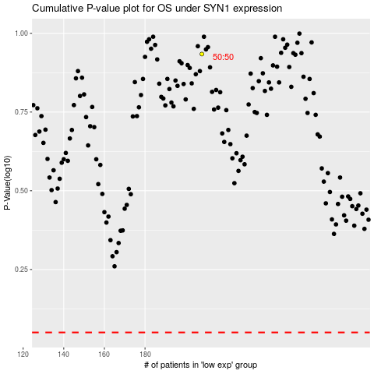

 |  |  |  |  |  | cases_OS | p_OS | rank | exp
 |  |  |  |  |  |  | cases_RFS | p_RFS | rank | exp

