SYN2 _multivariate
Reported by Tex Li-Hsing Chi. tex@gate.sinica.edu.tw 2019-08-15

Table 2. The clinicopathological features of HNSCC cohort and SYN2 expression. (Chi square test)
Cutoff at -0.264 (66.2%)
 |  | SYN2 expression |  | SYN2 expression |  | (Optimised)
 | Features | Low | (%) | High | (%) | Case no | P-value | Remark | Matthews
Gender | Female | 195 | 47 | 111 | 26.7 | 415 | 0.0863 | 0 | 0
2 | Male | 80 | 19.3 | 29 | 7
Age at diagnosis | <=65y | 173 | 41.7 | 101 | 24.3 | 415 | 0.077 | 0 | 0
4 | >65y | 102 | 24.6 | 39 | 9.4
Clinical T Status | T1+T2 | 103 | 24.8 | 46 | 11.1 | 415 | 0.4152 | 0 | 0
6 | T3+T4 | 172 | 41.4 | 94 | 22.7
Clinical N Status | N0 | 141 | 34 | 75 | 18.1 | 415 | 0.7344 | 0 | 0
8 | N1-3 | 134 | 32.3 | 65 | 15.7
Clinical M Status | M0 | 273 | 65.8 | 139 | 33.5 | 415 | 1 | 0 | 0
10 | M1 | 2 | 0.5 | 1 | 0.2
Clinical Stage | Stage I+II | 67 | 16.1 | 35 | 8.4 | 415 | 0.9826 | 0 | 0
12 | Stage III+IV | 208 | 50.1 | 105 | 25.3
Surgical Margin status | Negative | 212 | 51.1 | 106 | 25.5 | 415 | 0.8064 | 0 | 0
14 | Positive | 63 | 15.2 | 34 | 8.2
Tobacco Exposure | Low | 126 | 30.4 | 35 | 8.4 | 415 | 0 | 1 | 0
16 | High | 149 | 35.9 | 105 | 25.3

Table 3. Univariate/Multivariate Cox's proportional hazards regression analyses on OS time of SYN2 gene expression in HNSCC

 |  | Univariate |  |  |  | Multivariate
 | Features | HR | CI95%(L) | CI95%(H) | P-value | HR | CI95%(L) | CI95%(H) | P-value
1 | Female | 1 |  |  |  | 1
Gender | Male | 1.157 | 0.843 | 1.587 | 0.367 | 1.194 | 0.854 | 1.668 | 0.299
11 | <=65y | 1 |  |  |  | 1
Age at diagnosis | >65y | 1.329 | 0.99 | 1.784 | 0.058 | 1.395 | 1.027 | 1.895 | 0.033
12 | T1+T2 | 1 |  |  |  | 1
Clinical T Status | T3+T4 | 1.409 | 1.028 | 1.931 | 0.033 | 2.355 | 1.243 | 4.461 | 0.009
13 | N0 | 1 |  |  |  | 1
Clinical N Status | N1-3 | 1.185 | 0.89 | 1.577 | 0.246 | 1.25 | 0.877 | 1.783 | 0.217
14 | M0 | 1 |  |  |  | 1
Clinical M Status | M1 | 4.097 | 1.009 | 16.644 | 0.049 | 10.259 | 2.233 | 47.129 | 0.003
15 | Stage I+II | 1 |  |  |  | 1
Clinical Stage | Stage III+IV | 1.245 | 0.882 | 1.759 | 0.213 | 0.462 | 0.215 | 0.995 | 0.048
16 | Negative | 1 |  |  |  | 1
Surgical Margin status | Positive | 1.591 | 1.155 | 2.191 | 0.004 | 1.715 | 1.24 | 2.374 | 0.001
17 | Low | 1 |  |  |  | 1
Tobacco Exposure | High | 1.364 | 1.008 | 1.844 | 0.044 | 1.62 | 1.165 | 2.253 | 0.004
18 | Low | 1 |  |  |  | 1
RNAseq(z-score) | High | 0.723 | 0.526 | 0.994 | 0.046 | 0.62 | 0.447 | 0.862 | 0.004

Table 4. Univariate/Multivariate Cox's proportional hazards regression analyses on RFS time of SYN2 gene expression in HNSCC

 |  | Univariate |  |  |  | Multivariate
 | Features | HR | CI95%(L) | CI95%(H) | P-value | HR | CI95%(L) | CI95%(H) | P-value
1 | Female | 1 |  |  |  | 1
Gender | Male | 1.157 | 0.843 | 1.587 | 0.367 | 1.194 | 0.854 | 1.668 | 0.299
11 | <=65y | 1 |  |  |  | 1
Age at diagnosis | >65y | 1.329 | 0.99 | 1.784 | 0.058 | 1.395 | 1.027 | 1.895 | 0.033
12 | T1+T2 | 1 |  |  |  | 1
Clinical T Status | T3+T4 | 1.409 | 1.028 | 1.931 | 0.033 | 2.355 | 1.243 | 4.461 | 0.009
13 | N0 | 1 |  |  |  | 1
Clinical N Status | N1-3 | 1.185 | 0.89 | 1.577 | 0.246 | 1.25 | 0.877 | 1.783 | 0.217
14 | M0 | 1 |  |  |  | 1
Clinical M Status | M1 | 4.097 | 1.009 | 16.644 | 0.049 | 10.259 | 2.233 | 47.129 | 0.003
15 | Stage I+II | 1 |  |  |  | 1
Clinical Stage | Stage III+IV | 1.245 | 0.882 | 1.759 | 0.213 | 0.462 | 0.215 | 0.995 | 0.048
16 | Negative | 1 |  |  |  | 1
Surgical Margin status | Positive | 1.591 | 1.155 | 2.191 | 0.004 | 1.715 | 1.24 | 2.374 | 0.001
17 | Low | 1 |  |  |  | 1
Tobacco Exposure | High | 1.364 | 1.008 | 1.844 | 0.044 | 1.62 | 1.165 | 2.253 | 0.004
18 | Low | 1 |  |  |  | 1
RNAseq(z-score) | High | 0.723 | 0.526 | 0.994 | 0.046 | 0.62 | 0.447 | 0.862 | 0.004

Kaplan-Meier survival estimate: Cutoff at -0.264 (66.2%)



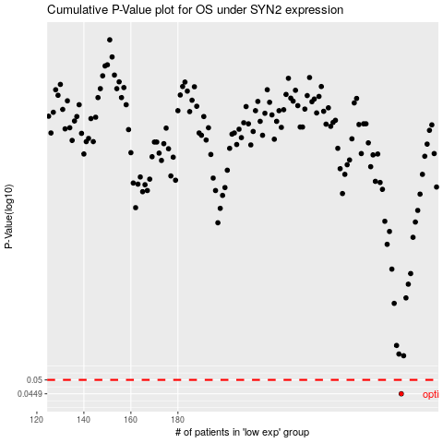

 |  |  |  |  |  | cases_OS | p_OS | rank | exp
 |  |  |  |  |  | 275 | 0.0449 | 32 | -0.26363571355
 |  |  |  |  |  |  | cases_RFS | p_RFS | rank | exp
 |  |  |  |  |  |  | 274 | 0.0449 | 199 | -0.26465839484

