SYNC _multivariate
Reported by Tex Li-Hsing Chi. tex@gate.sinica.edu.tw 2019-08-15

Table 2. The clinicopathological features of HNSCC cohort and SYNC expression. (Chi square test)
Cutoff at -0.484 (34.1%)
 |  | SYNC expression |  | SYNC expression |  | (Optimised)
 | Features | Low | (%) | High | (%) | Case no | P-value | Remark | Matthews
Gender | Female | 111 | 26.7 | 195 | 47 | 415 | 0.1239 | 0 | 0
2 | Male | 30 | 7.2 | 79 | 19
Age at diagnosis | <=65y | 89 | 21.4 | 185 | 44.6 | 415 | 0.4316 | 0 | 0
4 | >65y | 52 | 12.5 | 89 | 21.4
Clinical T Status | T1+T2 | 47 | 11.3 | 102 | 24.6 | 415 | 0.4997 | 0 | 0
6 | T3+T4 | 94 | 22.7 | 172 | 41.4
Clinical N Status | N0 | 72 | 17.3 | 144 | 34.7 | 415 | 0.8538 | 0 | 0
8 | N1-3 | 69 | 16.6 | 130 | 31.3
Clinical M Status | M0 | 140 | 33.7 | 272 | 65.5 | 415 | 1 | 0 | 0
10 | M1 | 1 | 0.2 | 2 | 0.5
Clinical Stage | Stage I+II | 27 | 6.5 | 75 | 18.1 | 415 | 0.085 | 0 | 0
12 | Stage III+IV | 114 | 27.5 | 199 | 48
Surgical Margin status | Negative | 111 | 26.7 | 207 | 49.9 | 415 | 0.5406 | 0 | 0
14 | Positive | 30 | 7.2 | 67 | 16.1
Tobacco Exposure | Low | 48 | 11.6 | 113 | 27.2 | 415 | 0.1676 | 0 | 0
16 | High | 93 | 22.4 | 161 | 38.8

Table 3. Univariate/Multivariate Cox's proportional hazards regression analyses on OS time of SYNC gene expression in HNSCC

 |  | Univariate |  |  |  | Multivariate
 | Features | HR | CI95%(L) | CI95%(H) | P-value | HR | CI95%(L) | CI95%(H) | P-value
1 | Female | 1 |  |  |  | 1
Gender | Male | 1.157 | 0.843 | 1.587 | 0.367 | 1.156 | 0.825 | 1.62 | 0.399
11 | <=65y | 1 |  |  |  | 1
Age at diagnosis | >65y | 1.329 | 0.99 | 1.784 | 0.058 | 1.412 | 1.038 | 1.921 | 0.028
12 | T1+T2 | 1 |  |  |  | 1
Clinical T Status | T3+T4 | 1.409 | 1.028 | 1.931 | 0.033 | 2.108 | 1.113 | 3.995 | 0.022
13 | N0 | 1 |  |  |  | 1
Clinical N Status | N1-3 | 1.185 | 0.89 | 1.577 | 0.246 | 1.222 | 0.856 | 1.744 | 0.269
14 | M0 | 1 |  |  |  | 1
Clinical M Status | M1 | 4.097 | 1.009 | 16.644 | 0.049 | 8.583 | 1.866 | 39.474 | 0.006
15 | Stage I+II | 1 |  |  |  | 1
Clinical Stage | Stage III+IV | 1.245 | 0.882 | 1.759 | 0.213 | 0.545 | 0.253 | 1.175 | 0.122
16 | Negative | 1 |  |  |  | 1
Surgical Margin status | Positive | 1.591 | 1.155 | 2.191 | 0.004 | 1.642 | 1.188 | 2.271 | 0.003
17 | Low | 1 |  |  |  | 1
Tobacco Exposure | High | 1.364 | 1.008 | 1.844 | 0.044 | 1.464 | 1.063 | 2.018 | 0.02
18 | Low | 1 |  |  |  | 1
RNAseq(z-score) | High | 1.387 | 1.011 | 1.902 | 0.042 | 1.348 | 0.977 | 1.859 | 0.069

Table 4. Univariate/Multivariate Cox's proportional hazards regression analyses on RFS time of SYNC gene expression in HNSCC

 |  | Univariate |  |  |  | Multivariate
 | Features | HR | CI95%(L) | CI95%(H) | P-value | HR | CI95%(L) | CI95%(H) | P-value
1 | Female | 1 |  |  |  | 1
Gender | Male | 1.157 | 0.843 | 1.587 | 0.367 | 1.156 | 0.825 | 1.62 | 0.399
11 | <=65y | 1 |  |  |  | 1
Age at diagnosis | >65y | 1.329 | 0.99 | 1.784 | 0.058 | 1.412 | 1.038 | 1.921 | 0.028
12 | T1+T2 | 1 |  |  |  | 1
Clinical T Status | T3+T4 | 1.409 | 1.028 | 1.931 | 0.033 | 2.108 | 1.113 | 3.995 | 0.022
13 | N0 | 1 |  |  |  | 1
Clinical N Status | N1-3 | 1.185 | 0.89 | 1.577 | 0.246 | 1.222 | 0.856 | 1.744 | 0.269
14 | M0 | 1 |  |  |  | 1
Clinical M Status | M1 | 4.097 | 1.009 | 16.644 | 0.049 | 8.583 | 1.866 | 39.474 | 0.006
15 | Stage I+II | 1 |  |  |  | 1
Clinical Stage | Stage III+IV | 1.245 | 0.882 | 1.759 | 0.213 | 0.545 | 0.253 | 1.175 | 0.122
16 | Negative | 1 |  |  |  | 1
Surgical Margin status | Positive | 1.591 | 1.155 | 2.191 | 0.004 | 1.642 | 1.188 | 2.271 | 0.003
17 | Low | 1 |  |  |  | 1
Tobacco Exposure | High | 1.364 | 1.008 | 1.844 | 0.044 | 1.464 | 1.063 | 2.018 | 0.02
18 | Low | 1 |  |  |  | 1
RNAseq(z-score) | High | 1.387 | 1.011 | 1.902 | 0.042 | 1.348 | 0.977 | 1.859 | 0.069

Kaplan-Meier survival estimate: Cutoff at -0.484 (34.1%)



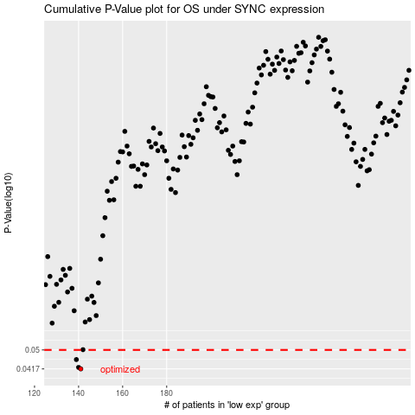

 |  |  |  |  |  | cases_OS | p_OS | rank | exp
 |  |  |  |  |  | 141 | 0.0417 | 118 | -0.48361365894
 |  |  |  |  |  | 140 | 0.0423 | 154 | -0.48367937453
 |  |  |  |  |  | 139 | 0.0456 | 384 | -0.48415769781
 |  |  |  |  |  |  | cases_RFS | p_RFS | rank | exp
 |  |  |  |  |  |  | 140 | 0.0417 | 154 | -0.48367937453
 |  |  |  |  |  |  | 139 | 0.0423 | 384 | -0.48415769781
 |  |  |  |  |  |  | 138 | 0.0456 | 177 | -0.48894804085

