SYNGR2 _multivariate
Reported by Tex Li-Hsing Chi. tex@gate.sinica.edu.tw 2019-08-15

Table 2. The clinicopathological features of HNSCC cohort and SYNGR2 expression. (Chi square test)
Cutoff at -0.221 (50.0%)
 |  | SYNGR2 expression |  | SYNGR2 expression |  | (Optimised)
 | Features | Low | (%) | High | (%) | Case no | P-value | Remark | Matthews
Gender | Female | 146 | 35.2 | 160 | 38.6 | 415 | 0.1714 | 0 | 0
2 | Male | 61 | 14.7 | 48 | 11.6
Age at diagnosis | <=65y | 132 | 31.8 | 142 | 34.2 | 415 | 0.3874 | 0 | 0
4 | >65y | 75 | 18.1 | 66 | 15.9
Clinical T Status | T1+T2 | 73 | 17.6 | 76 | 18.3 | 415 | 0.8666 | 0 | 0
6 | T3+T4 | 134 | 32.3 | 132 | 31.8
Clinical N Status | N0 | 112 | 27 | 104 | 25.1 | 415 | 0.4599 | 0 | 0
8 | N1-3 | 95 | 22.9 | 104 | 25.1
Clinical M Status | M0 | 206 | 49.6 | 206 | 49.6 | 415 | 1 | 0 | 0
10 | M1 | 1 | 0.2 | 2 | 0.5
Clinical Stage | Stage I+II | 51 | 12.3 | 51 | 12.3 | 415 | 1 | 0 | 0
12 | Stage III+IV | 156 | 37.6 | 157 | 37.8
Surgical Margin status | Negative | 157 | 37.8 | 161 | 38.8 | 415 | 0.729 | 0 | 0
14 | Positive | 50 | 12 | 47 | 11.3
Tobacco Exposure | Low | 88 | 21.2 | 73 | 17.6 | 415 | 0.1314 | 0 | 0
16 | High | 119 | 28.7 | 135 | 32.5

Table 3. Univariate/Multivariate Cox's proportional hazards regression analyses on OS time of SYNGR2 gene expression in HNSCC

 |  | Univariate |  |  |  | Multivariate
 | Features | HR | CI95%(L) | CI95%(H) | P-value | HR | CI95%(L) | CI95%(H) | P-value
1 | Female | 1 |  |  |  | 1
Gender | Male | 1.157 | 0.843 | 1.587 | 0.367 | 1.193 | 0.853 | 1.669 | 0.301
11 | <=65y | 1 |  |  |  | 1
Age at diagnosis | >65y | 1.329 | 0.99 | 1.784 | 0.058 | 1.38 | 1.014 | 1.878 | 0.041
12 | T1+T2 | 1 |  |  |  | 1
Clinical T Status | T3+T4 | 1.409 | 1.028 | 1.931 | 0.033 | 2.219 | 1.173 | 4.198 | 0.014
13 | N0 | 1 |  |  |  | 1
Clinical N Status | N1-3 | 1.185 | 0.89 | 1.577 | 0.246 | 1.258 | 0.879 | 1.799 | 0.21
14 | M0 | 1 |  |  |  | 1
Clinical M Status | M1 | 4.097 | 1.009 | 16.644 | 0.049 | 9.698 | 2.11 | 44.58 | 0.004
15 | Stage I+II | 1 |  |  |  | 1
Clinical Stage | Stage III+IV | 1.245 | 0.882 | 1.759 | 0.213 | 0.495 | 0.23 | 1.065 | 0.072
16 | Negative | 1 |  |  |  | 1
Surgical Margin status | Positive | 1.591 | 1.155 | 2.191 | 0.004 | 1.674 | 1.211 | 2.314 | 0.002
17 | Low | 1 |  |  |  | 1
Tobacco Exposure | High | 1.364 | 1.008 | 1.844 | 0.044 | 1.461 | 1.06 | 2.015 | 0.021
18 | Low | 1 |  |  |  | 1
RNAseq(z-score) | High | 0.924 | 0.692 | 1.233 | 0.591 | 0.905 | 0.674 | 1.215 | 0.505

Table 4. Univariate/Multivariate Cox's proportional hazards regression analyses on RFS time of SYNGR2 gene expression in HNSCC

 |  | Univariate |  |  |  | Multivariate
 | Features | HR | CI95%(L) | CI95%(H) | P-value | HR | CI95%(L) | CI95%(H) | P-value
1 | Female | 1 |  |  |  | 1
Gender | Male | 1.157 | 0.843 | 1.587 | 0.367 | 1.193 | 0.853 | 1.669 | 0.301
11 | <=65y | 1 |  |  |  | 1
Age at diagnosis | >65y | 1.329 | 0.99 | 1.784 | 0.058 | 1.38 | 1.014 | 1.878 | 0.041
12 | T1+T2 | 1 |  |  |  | 1
Clinical T Status | T3+T4 | 1.409 | 1.028 | 1.931 | 0.033 | 2.219 | 1.173 | 4.198 | 0.014
13 | N0 | 1 |  |  |  | 1
Clinical N Status | N1-3 | 1.185 | 0.89 | 1.577 | 0.246 | 1.258 | 0.879 | 1.799 | 0.21
14 | M0 | 1 |  |  |  | 1
Clinical M Status | M1 | 4.097 | 1.009 | 16.644 | 0.049 | 9.698 | 2.11 | 44.58 | 0.004
15 | Stage I+II | 1 |  |  |  | 1
Clinical Stage | Stage III+IV | 1.245 | 0.882 | 1.759 | 0.213 | 0.495 | 0.23 | 1.065 | 0.072
16 | Negative | 1 |  |  |  | 1
Surgical Margin status | Positive | 1.591 | 1.155 | 2.191 | 0.004 | 1.674 | 1.211 | 2.314 | 0.002
17 | Low | 1 |  |  |  | 1
Tobacco Exposure | High | 1.364 | 1.008 | 1.844 | 0.044 | 1.461 | 1.06 | 2.015 | 0.021
18 | Low | 1 |  |  |  | 1
RNAseq(z-score) | High | 0.924 | 0.692 | 1.233 | 0.591 | 0.905 | 0.674 | 1.215 | 0.505

Kaplan-Meier survival estimate: Cutoff at -0.221 (50.0%)



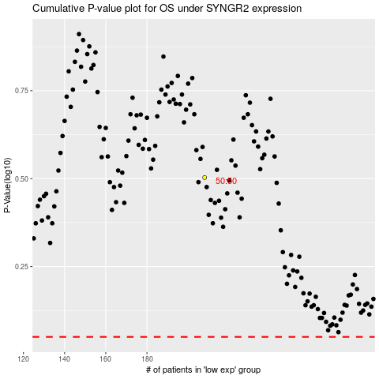

 |  |  |  |  |  | cases_OS | p_OS | rank | exp
 |  |  |  |  |  |  | cases_RFS | p_RFS | rank | exp

