SYNGR4 _multivariate
Reported by Tex Li-Hsing Chi. tex@gate.sinica.edu.tw 2019-08-15

Table 2. The clinicopathological features of HNSCC cohort and SYNGR4 expression. (Chi square test)
Cutoff at -0.191 (49.8%)
 |  | SYNGR4 expression |  | SYNGR4 expression |  | (Optimised)
 | Features | Low | (%) | High | (%) | Case no | P-value | Remark | Matthews
Gender | Female | 150 | 36.1 | 156 | 37.6 | 415 | 0.6344 | 0 | 0
2 | Male | 57 | 13.7 | 52 | 12.5
Age at diagnosis | <=65y | 128 | 30.8 | 146 | 35.2 | 415 | 0.0904 | 0 | 0
4 | >65y | 79 | 19 | 62 | 14.9
Clinical T Status | T1+T2 | 75 | 18.1 | 74 | 17.8 | 415 | 0.9707 | 0 | 0
6 | T3+T4 | 132 | 31.8 | 134 | 32.3
Clinical N Status | N0 | 110 | 26.5 | 106 | 25.5 | 415 | 0.7294 | 0 | 0
8 | N1-3 | 97 | 23.4 | 102 | 24.6
Clinical M Status | M0 | 204 | 49.2 | 208 | 50.1 | 415 | 0.1232 | 0 | 0
10 | M1 | 3 | 0.7 | 0 | 0
Clinical Stage | Stage I+II | 56 | 13.5 | 46 | 11.1 | 415 | 0.2918 | 0 | 0
12 | Stage III+IV | 151 | 36.4 | 162 | 39
Surgical Margin status | Negative | 162 | 39 | 156 | 37.6 | 415 | 0.4867 | 0 | 0
14 | Positive | 45 | 10.8 | 52 | 12.5
Tobacco Exposure | Low | 85 | 20.5 | 76 | 18.3 | 415 | 0.3655 | 0 | 0
16 | High | 122 | 29.4 | 132 | 31.8

Table 3. Univariate/Multivariate Cox's proportional hazards regression analyses on OS time of SYNGR4 gene expression in HNSCC

 |  | Univariate |  |  |  | Multivariate
 | Features | HR | CI95%(L) | CI95%(H) | P-value | HR | CI95%(L) | CI95%(H) | P-value
1 | Female | 1 |  |  |  | 1
Gender | Male | 1.157 | 0.843 | 1.587 | 0.367 | 1.198 | 0.857 | 1.673 | 0.291
11 | <=65y | 1 |  |  |  | 1
Age at diagnosis | >65y | 1.329 | 0.99 | 1.784 | 0.058 | 1.387 | 1.019 | 1.886 | 0.037
12 | T1+T2 | 1 |  |  |  | 1
Clinical T Status | T3+T4 | 1.409 | 1.028 | 1.931 | 0.033 | 2.181 | 1.152 | 4.128 | 0.017
13 | N0 | 1 |  |  |  | 1
Clinical N Status | N1-3 | 1.185 | 0.89 | 1.577 | 0.246 | 1.241 | 0.87 | 1.77 | 0.233
14 | M0 | 1 |  |  |  | 1
Clinical M Status | M1 | 4.097 | 1.009 | 16.644 | 0.049 | 8.979 | 1.936 | 41.646 | 0.005
15 | Stage I+II | 1 |  |  |  | 1
Clinical Stage | Stage III+IV | 1.245 | 0.882 | 1.759 | 0.213 | 0.512 | 0.238 | 1.101 | 0.086
16 | Negative | 1 |  |  |  | 1
Surgical Margin status | Positive | 1.591 | 1.155 | 2.191 | 0.004 | 1.672 | 1.21 | 2.309 | 0.002
17 | Low | 1 |  |  |  | 1
Tobacco Exposure | High | 1.364 | 1.008 | 1.844 | 0.044 | 1.46 | 1.059 | 2.014 | 0.021
18 | Low | 1 |  |  |  | 1
RNAseq(z-score) | High | 0.896 | 0.673 | 1.194 | 0.455 | 0.932 | 0.696 | 1.248 | 0.637

Table 4. Univariate/Multivariate Cox's proportional hazards regression analyses on RFS time of SYNGR4 gene expression in HNSCC

 |  | Univariate |  |  |  | Multivariate
 | Features | HR | CI95%(L) | CI95%(H) | P-value | HR | CI95%(L) | CI95%(H) | P-value
1 | Female | 1 |  |  |  | 1
Gender | Male | 1.157 | 0.843 | 1.587 | 0.367 | 1.198 | 0.857 | 1.673 | 0.291
11 | <=65y | 1 |  |  |  | 1
Age at diagnosis | >65y | 1.329 | 0.99 | 1.784 | 0.058 | 1.387 | 1.019 | 1.886 | 0.037
12 | T1+T2 | 1 |  |  |  | 1
Clinical T Status | T3+T4 | 1.409 | 1.028 | 1.931 | 0.033 | 2.181 | 1.152 | 4.128 | 0.017
13 | N0 | 1 |  |  |  | 1
Clinical N Status | N1-3 | 1.185 | 0.89 | 1.577 | 0.246 | 1.241 | 0.87 | 1.77 | 0.233
14 | M0 | 1 |  |  |  | 1
Clinical M Status | M1 | 4.097 | 1.009 | 16.644 | 0.049 | 8.979 | 1.936 | 41.646 | 0.005
15 | Stage I+II | 1 |  |  |  | 1
Clinical Stage | Stage III+IV | 1.245 | 0.882 | 1.759 | 0.213 | 0.512 | 0.238 | 1.101 | 0.086
16 | Negative | 1 |  |  |  | 1
Surgical Margin status | Positive | 1.591 | 1.155 | 2.191 | 0.004 | 1.672 | 1.21 | 2.309 | 0.002
17 | Low | 1 |  |  |  | 1
Tobacco Exposure | High | 1.364 | 1.008 | 1.844 | 0.044 | 1.46 | 1.059 | 2.014 | 0.021
18 | Low | 1 |  |  |  | 1
RNAseq(z-score) | High | 0.896 | 0.673 | 1.194 | 0.455 | 0.932 | 0.696 | 1.248 | 0.637

Kaplan-Meier survival estimate: Cutoff at -0.191 (49.8%)



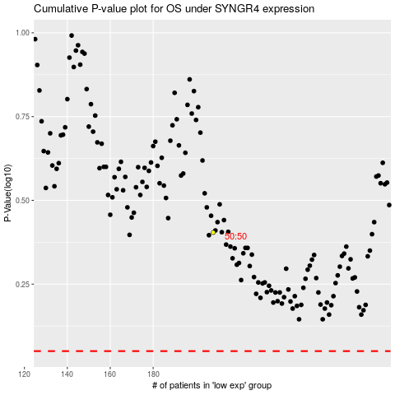

 |  |  |  |  |  | cases_OS | p_OS | rank | exp
 |  |  |  |  |  |  | cases_RFS | p_RFS | rank | exp

