SYNJ2 _multivariate
Reported by Tex Li-Hsing Chi. tex@gate.sinica.edu.tw 2019-08-15

Table 2. The clinicopathological features of HNSCC cohort and SYNJ2 expression. (Chi square test)
Cutoff at -0.176 (50.0%)
 |  | SYNJ2 expression |  | SYNJ2 expression |  | (Optimised)
 | Features | Low | (%) | High | (%) | Case no | P-value | Remark | Matthews
Gender | Female | 150 | 36.1 | 156 | 37.6 | 415 | 0.6344 | 0 | 0
2 | Male | 57 | 13.7 | 52 | 12.5
Age at diagnosis | <=65y | 133 | 32 | 141 | 34 | 415 | 0.5111 | 0 | 0
4 | >65y | 74 | 17.8 | 67 | 16.1
Clinical T Status | T1+T2 | 74 | 17.8 | 75 | 18.1 | 415 | 1 | 0 | 0
6 | T3+T4 | 133 | 32 | 133 | 32
Clinical N Status | N0 | 110 | 26.5 | 106 | 25.5 | 415 | 0.7294 | 0 | 0
8 | N1-3 | 97 | 23.4 | 102 | 24.6
Clinical M Status | M0 | 206 | 49.6 | 206 | 49.6 | 415 | 1 | 0 | 0
10 | M1 | 1 | 0.2 | 2 | 0.5
Clinical Stage | Stage I+II | 51 | 12.3 | 51 | 12.3 | 415 | 1 | 0 | 0
12 | Stage III+IV | 156 | 37.6 | 157 | 37.8
Surgical Margin status | Negative | 152 | 36.6 | 166 | 40 | 415 | 0.1329 | 0 | 0
14 | Positive | 55 | 13.3 | 42 | 10.1
Tobacco Exposure | Low | 89 | 21.4 | 72 | 17.3 | 415 | 0.0872 | 0 | 0
16 | High | 118 | 28.4 | 136 | 32.8

Table 3. Univariate/Multivariate Cox's proportional hazards regression analyses on OS time of SYNJ2 gene expression in HNSCC

 |  | Univariate |  |  |  | Multivariate
 | Features | HR | CI95%(L) | CI95%(H) | P-value | HR | CI95%(L) | CI95%(H) | P-value
1 | Female | 1 |  |  |  | 1
Gender | Male | 1.157 | 0.843 | 1.587 | 0.367 | 1.188 | 0.849 | 1.663 | 0.314
11 | <=65y | 1 |  |  |  | 1
Age at diagnosis | >65y | 1.329 | 0.99 | 1.784 | 0.058 | 1.386 | 1.019 | 1.884 | 0.037
12 | T1+T2 | 1 |  |  |  | 1
Clinical T Status | T3+T4 | 1.409 | 1.028 | 1.931 | 0.033 | 2.185 | 1.155 | 4.133 | 0.016
13 | N0 | 1 |  |  |  | 1
Clinical N Status | N1-3 | 1.185 | 0.89 | 1.577 | 0.246 | 1.247 | 0.874 | 1.78 | 0.224
14 | M0 | 1 |  |  |  | 1
Clinical M Status | M1 | 4.097 | 1.009 | 16.644 | 0.049 | 9.366 | 2.043 | 42.939 | 0.004
15 | Stage I+II | 1 |  |  |  | 1
Clinical Stage | Stage III+IV | 1.245 | 0.882 | 1.759 | 0.213 | 0.504 | 0.235 | 1.082 | 0.079
16 | Negative | 1 |  |  |  | 1
Surgical Margin status | Positive | 1.591 | 1.155 | 2.191 | 0.004 | 1.64 | 1.182 | 2.276 | 0.003
17 | Low | 1 |  |  |  | 1
Tobacco Exposure | High | 1.364 | 1.008 | 1.844 | 0.044 | 1.461 | 1.06 | 2.013 | 0.02
18 | Low | 1 |  |  |  | 1
RNAseq(z-score) | High | 0.835 | 0.627 | 1.113 | 0.219 | 0.901 | 0.67 | 1.21 | 0.486

Table 4. Univariate/Multivariate Cox's proportional hazards regression analyses on RFS time of SYNJ2 gene expression in HNSCC

 |  | Univariate |  |  |  | Multivariate
 | Features | HR | CI95%(L) | CI95%(H) | P-value | HR | CI95%(L) | CI95%(H) | P-value
1 | Female | 1 |  |  |  | 1
Gender | Male | 1.157 | 0.843 | 1.587 | 0.367 | 1.188 | 0.849 | 1.663 | 0.314
11 | <=65y | 1 |  |  |  | 1
Age at diagnosis | >65y | 1.329 | 0.99 | 1.784 | 0.058 | 1.386 | 1.019 | 1.884 | 0.037
12 | T1+T2 | 1 |  |  |  | 1
Clinical T Status | T3+T4 | 1.409 | 1.028 | 1.931 | 0.033 | 2.185 | 1.155 | 4.133 | 0.016
13 | N0 | 1 |  |  |  | 1
Clinical N Status | N1-3 | 1.185 | 0.89 | 1.577 | 0.246 | 1.247 | 0.874 | 1.78 | 0.224
14 | M0 | 1 |  |  |  | 1
Clinical M Status | M1 | 4.097 | 1.009 | 16.644 | 0.049 | 9.366 | 2.043 | 42.939 | 0.004
15 | Stage I+II | 1 |  |  |  | 1
Clinical Stage | Stage III+IV | 1.245 | 0.882 | 1.759 | 0.213 | 0.504 | 0.235 | 1.082 | 0.079
16 | Negative | 1 |  |  |  | 1
Surgical Margin status | Positive | 1.591 | 1.155 | 2.191 | 0.004 | 1.64 | 1.182 | 2.276 | 0.003
17 | Low | 1 |  |  |  | 1
Tobacco Exposure | High | 1.364 | 1.008 | 1.844 | 0.044 | 1.461 | 1.06 | 2.013 | 0.02
18 | Low | 1 |  |  |  | 1
RNAseq(z-score) | High | 0.835 | 0.627 | 1.113 | 0.219 | 0.901 | 0.67 | 1.21 | 0.486

Kaplan-Meier survival estimate: Cutoff at -0.176 (50.0%)



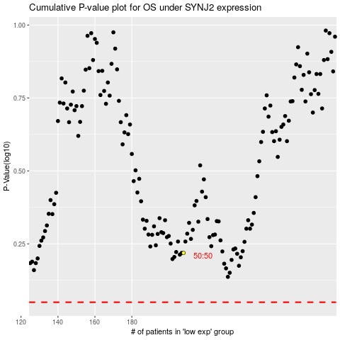

 |  |  |  |  |  | cases_OS | p_OS | rank | exp
 |  |  |  |  |  |  | cases_RFS | p_RFS | rank | exp

