SYNJ2BP _multivariate
Reported by Tex Li-Hsing Chi. tex@gate.sinica.edu.tw 2019-08-15

Table 2. The clinicopathological features of HNSCC cohort and SYNJ2BP expression. (Chi square test)
Cutoff at -0.188 (49.8%)
 |  | SYNJ2BP expression |  | SYNJ2BP expression |  | (Optimised)
 | Features | Low | (%) | High | (%) | Case no | P-value | Remark | Matthews
Gender | Female | 146 | 35.2 | 160 | 38.6 | 415 | 0.1714 | 0 | 0
2 | Male | 61 | 14.7 | 48 | 11.6
Age at diagnosis | <=65y | 135 | 32.5 | 139 | 33.5 | 415 | 0.8084 | 0 | 0
4 | >65y | 72 | 17.3 | 69 | 16.6
Clinical T Status | T1+T2 | 69 | 16.6 | 80 | 19.3 | 415 | 0.3239 | 0 | 0
6 | T3+T4 | 138 | 33.3 | 128 | 30.8
Clinical N Status | N0 | 104 | 25.1 | 112 | 27 | 415 | 0.5243 | 0 | 0
8 | N1-3 | 103 | 24.8 | 96 | 23.1
Clinical M Status | M0 | 206 | 49.6 | 206 | 49.6 | 415 | 1 | 0 | 0
10 | M1 | 1 | 0.2 | 2 | 0.5
Clinical Stage | Stage I+II | 50 | 12 | 52 | 12.5 | 415 | 0.9315 | 0 | 0
12 | Stage III+IV | 157 | 37.8 | 156 | 37.6
Surgical Margin status | Negative | 161 | 38.8 | 157 | 37.8 | 415 | 0.6429 | 0 | 0
14 | Positive | 46 | 11.1 | 51 | 12.3
Tobacco Exposure | Low | 79 | 19 | 82 | 19.8 | 415 | 0.8405 | 0 | 0
16 | High | 128 | 30.8 | 126 | 30.4

Table 3. Univariate/Multivariate Cox's proportional hazards regression analyses on OS time of SYNJ2BP gene expression in HNSCC

 |  | Univariate |  |  |  | Multivariate
 | Features | HR | CI95%(L) | CI95%(H) | P-value | HR | CI95%(L) | CI95%(H) | P-value
1 | Female | 1 |  |  |  | 1
Gender | Male | 1.157 | 0.843 | 1.587 | 0.367 | 1.221 | 0.873 | 1.706 | 0.243
11 | <=65y | 1 |  |  |  | 1
Age at diagnosis | >65y | 1.329 | 0.99 | 1.784 | 0.058 | 1.393 | 1.025 | 1.894 | 0.034
12 | T1+T2 | 1 |  |  |  | 1
Clinical T Status | T3+T4 | 1.409 | 1.028 | 1.931 | 0.033 | 2.254 | 1.191 | 4.265 | 0.012
13 | N0 | 1 |  |  |  | 1
Clinical N Status | N1-3 | 1.185 | 0.89 | 1.577 | 0.246 | 1.275 | 0.891 | 1.823 | 0.184
14 | M0 | 1 |  |  |  | 1
Clinical M Status | M1 | 4.097 | 1.009 | 16.644 | 0.049 | 9.004 | 1.961 | 41.34 | 0.005
15 | Stage I+II | 1 |  |  |  | 1
Clinical Stage | Stage III+IV | 1.245 | 0.882 | 1.759 | 0.213 | 0.486 | 0.226 | 1.046 | 0.065
16 | Negative | 1 |  |  |  | 1
Surgical Margin status | Positive | 1.591 | 1.155 | 2.191 | 0.004 | 1.674 | 1.211 | 2.314 | 0.002
17 | Low | 1 |  |  |  | 1
Tobacco Exposure | High | 1.364 | 1.008 | 1.844 | 0.044 | 1.474 | 1.069 | 2.031 | 0.018
18 | Low | 1 |  |  |  | 1
RNAseq(z-score) | High | 1.164 | 0.873 | 1.552 | 0.3 | 1.229 | 0.917 | 1.646 | 0.168

Table 4. Univariate/Multivariate Cox's proportional hazards regression analyses on RFS time of SYNJ2BP gene expression in HNSCC

 |  | Univariate |  |  |  | Multivariate
 | Features | HR | CI95%(L) | CI95%(H) | P-value | HR | CI95%(L) | CI95%(H) | P-value
1 | Female | 1 |  |  |  | 1
Gender | Male | 1.157 | 0.843 | 1.587 | 0.367 | 1.221 | 0.873 | 1.706 | 0.243
11 | <=65y | 1 |  |  |  | 1
Age at diagnosis | >65y | 1.329 | 0.99 | 1.784 | 0.058 | 1.393 | 1.025 | 1.894 | 0.034
12 | T1+T2 | 1 |  |  |  | 1
Clinical T Status | T3+T4 | 1.409 | 1.028 | 1.931 | 0.033 | 2.254 | 1.191 | 4.265 | 0.012
13 | N0 | 1 |  |  |  | 1
Clinical N Status | N1-3 | 1.185 | 0.89 | 1.577 | 0.246 | 1.275 | 0.891 | 1.823 | 0.184
14 | M0 | 1 |  |  |  | 1
Clinical M Status | M1 | 4.097 | 1.009 | 16.644 | 0.049 | 9.004 | 1.961 | 41.34 | 0.005
15 | Stage I+II | 1 |  |  |  | 1
Clinical Stage | Stage III+IV | 1.245 | 0.882 | 1.759 | 0.213 | 0.486 | 0.226 | 1.046 | 0.065
16 | Negative | 1 |  |  |  | 1
Surgical Margin status | Positive | 1.591 | 1.155 | 2.191 | 0.004 | 1.674 | 1.211 | 2.314 | 0.002
17 | Low | 1 |  |  |  | 1
Tobacco Exposure | High | 1.364 | 1.008 | 1.844 | 0.044 | 1.474 | 1.069 | 2.031 | 0.018
18 | Low | 1 |  |  |  | 1
RNAseq(z-score) | High | 1.164 | 0.873 | 1.552 | 0.3 | 1.229 | 0.917 | 1.646 | 0.168

Kaplan-Meier survival estimate: Cutoff at -0.188 (49.8%)



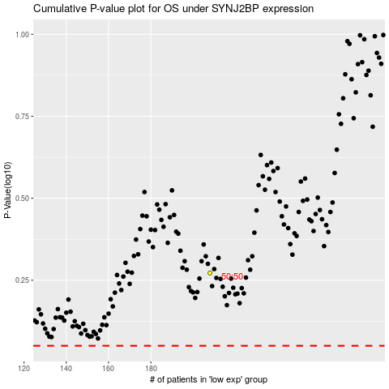

 |  |  |  |  |  | cases_OS | p_OS | rank | exp
 |  |  |  |  |  |  | cases_RFS | p_RFS | rank | exp

