SYNM _multivariate
Reported by Tex Li-Hsing Chi. tex@gate.sinica.edu.tw 2019-08-15

Table 2. The clinicopathological features of HNSCC cohort and SYNM expression. (Chi square test)
Cutoff at -0.222 (50.0%)
 |  | SYNM expression |  | SYNM expression |  | (Optimised)
 | Features | Low | (%) | High | (%) | Case no | P-value | Remark | Matthews
Gender | Female | 154 | 37.1 | 152 | 36.6 | 415 | 0.8463 | 0 | 0
2 | Male | 53 | 12.8 | 56 | 13.5
Age at diagnosis | <=65y | 124 | 29.9 | 150 | 36.1 | 415 | 0.0116 | 1 | 0
4 | >65y | 83 | 20 | 58 | 14
Clinical T Status | T1+T2 | 60 | 14.5 | 89 | 21.4 | 415 | 0.0047 | 1 | 0
6 | T3+T4 | 147 | 35.4 | 119 | 28.7
Clinical N Status | N0 | 106 | 25.5 | 110 | 26.5 | 415 | 0.8075 | 0 | 0
8 | N1-3 | 101 | 24.3 | 98 | 23.6
Clinical M Status | M0 | 204 | 49.2 | 208 | 50.1 | 415 | 0.1232 | 0 | 0
10 | M1 | 3 | 0.7 | 0 | 0
Clinical Stage | Stage I+II | 42 | 10.1 | 60 | 14.5 | 415 | 0.0561 | 0 | 0
12 | Stage III+IV | 165 | 39.8 | 148 | 35.7
Surgical Margin status | Negative | 156 | 37.6 | 162 | 39 | 415 | 0.5636 | 0 | 0
14 | Positive | 51 | 12.3 | 46 | 11.1
Tobacco Exposure | Low | 92 | 22.2 | 69 | 16.6 | 415 | 0.0206 | 1 | 0
16 | High | 115 | 27.7 | 139 | 33.5

Table 3. Univariate/Multivariate Cox's proportional hazards regression analyses on OS time of SYNM gene expression in HNSCC

 |  | Univariate |  |  |  | Multivariate
 | Features | HR | CI95%(L) | CI95%(H) | P-value | HR | CI95%(L) | CI95%(H) | P-value
1 | Female | 1 |  |  |  | 1
Gender | Male | 1.157 | 0.843 | 1.587 | 0.367 | 1.201 | 0.86 | 1.678 | 0.283
11 | <=65y | 1 |  |  |  | 1
Age at diagnosis | >65y | 1.329 | 0.99 | 1.784 | 0.058 | 1.399 | 1.026 | 1.907 | 0.034
12 | T1+T2 | 1 |  |  |  | 1
Clinical T Status | T3+T4 | 1.409 | 1.028 | 1.931 | 0.033 | 2.216 | 1.17 | 4.197 | 0.015
13 | N0 | 1 |  |  |  | 1
Clinical N Status | N1-3 | 1.185 | 0.89 | 1.577 | 0.246 | 1.244 | 0.871 | 1.776 | 0.23
14 | M0 | 1 |  |  |  | 1
Clinical M Status | M1 | 4.097 | 1.009 | 16.644 | 0.049 | 9.609 | 2.075 | 44.504 | 0.004
15 | Stage I+II | 1 |  |  |  | 1
Clinical Stage | Stage III+IV | 1.245 | 0.882 | 1.759 | 0.213 | 0.503 | 0.234 | 1.08 | 0.078
16 | Negative | 1 |  |  |  | 1
Surgical Margin status | Positive | 1.591 | 1.155 | 2.191 | 0.004 | 1.668 | 1.207 | 2.306 | 0.002
17 | Low | 1 |  |  |  | 1
Tobacco Exposure | High | 1.364 | 1.008 | 1.844 | 0.044 | 1.444 | 1.044 | 1.997 | 0.026
18 | Low | 1 |  |  |  | 1
RNAseq(z-score) | High | 0.998 | 0.748 | 1.33 | 0.988 | 1.037 | 0.769 | 1.396 | 0.814

Table 4. Univariate/Multivariate Cox's proportional hazards regression analyses on RFS time of SYNM gene expression in HNSCC

 |  | Univariate |  |  |  | Multivariate
 | Features | HR | CI95%(L) | CI95%(H) | P-value | HR | CI95%(L) | CI95%(H) | P-value
1 | Female | 1 |  |  |  | 1
Gender | Male | 1.157 | 0.843 | 1.587 | 0.367 | 1.201 | 0.86 | 1.678 | 0.283
11 | <=65y | 1 |  |  |  | 1
Age at diagnosis | >65y | 1.329 | 0.99 | 1.784 | 0.058 | 1.399 | 1.026 | 1.907 | 0.034
12 | T1+T2 | 1 |  |  |  | 1
Clinical T Status | T3+T4 | 1.409 | 1.028 | 1.931 | 0.033 | 2.216 | 1.17 | 4.197 | 0.015
13 | N0 | 1 |  |  |  | 1
Clinical N Status | N1-3 | 1.185 | 0.89 | 1.577 | 0.246 | 1.244 | 0.871 | 1.776 | 0.23
14 | M0 | 1 |  |  |  | 1
Clinical M Status | M1 | 4.097 | 1.009 | 16.644 | 0.049 | 9.609 | 2.075 | 44.504 | 0.004
15 | Stage I+II | 1 |  |  |  | 1
Clinical Stage | Stage III+IV | 1.245 | 0.882 | 1.759 | 0.213 | 0.503 | 0.234 | 1.08 | 0.078
16 | Negative | 1 |  |  |  | 1
Surgical Margin status | Positive | 1.591 | 1.155 | 2.191 | 0.004 | 1.668 | 1.207 | 2.306 | 0.002
17 | Low | 1 |  |  |  | 1
Tobacco Exposure | High | 1.364 | 1.008 | 1.844 | 0.044 | 1.444 | 1.044 | 1.997 | 0.026
18 | Low | 1 |  |  |  | 1
RNAseq(z-score) | High | 0.998 | 0.748 | 1.33 | 0.988 | 1.037 | 0.769 | 1.396 | 0.814

Kaplan-Meier survival estimate: Cutoff at -0.222 (50.0%)



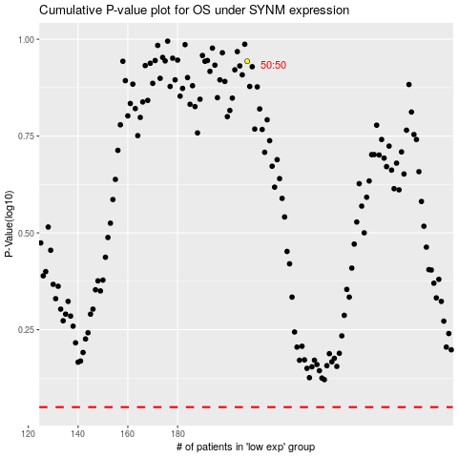

 |  |  |  |  |  | cases_OS | p_OS | rank | exp
 |  |  |  |  |  |  | cases_RFS | p_RFS | rank | exp

