SYNPO2 _multivariate
Reported by Tex Li-Hsing Chi. tex@gate.sinica.edu.tw 2019-08-15

Table 2. The clinicopathological features of HNSCC cohort and SYNPO2 expression. (Chi square test)
Cutoff at -0.303 (50.0%)
 |  | SYNPO2 expression |  | SYNPO2 expression |  | (Optimised)
 | Features | Low | (%) | High | (%) | Case no | P-value | Remark | Matthews
Gender | Female | 157 | 37.8 | 149 | 35.9 | 415 | 0.3881 | 0 | 0
2 | Male | 50 | 12 | 59 | 14.2
Age at diagnosis | <=65y | 124 | 29.9 | 150 | 36.1 | 415 | 0.0116 | 1 | 0
4 | >65y | 83 | 20 | 58 | 14
Clinical T Status | T1+T2 | 59 | 14.2 | 90 | 21.7 | 415 | 0.0024 | 1 | 0
6 | T3+T4 | 148 | 35.7 | 118 | 28.4
Clinical N Status | N0 | 118 | 28.4 | 98 | 23.6 | 415 | 0.0551 | 1 | 0
8 | N1-3 | 89 | 21.4 | 110 | 26.5
Clinical M Status | M0 | 204 | 49.2 | 208 | 50.1 | 415 | 0.1232 | 0 | 0
10 | M1 | 3 | 0.7 | 0 | 0
Clinical Stage | Stage I+II | 43 | 10.4 | 59 | 14.2 | 415 | 0.0925 | 0 | 0
12 | Stage III+IV | 164 | 39.5 | 149 | 35.9
Surgical Margin status | Negative | 154 | 37.1 | 164 | 39.5 | 415 | 0.2984 | 0 | 0
14 | Positive | 53 | 12.8 | 44 | 10.6
Tobacco Exposure | Low | 82 | 19.8 | 79 | 19 | 415 | 0.763 | 0 | 0
16 | High | 125 | 30.1 | 129 | 31.1

Table 3. Univariate/Multivariate Cox's proportional hazards regression analyses on OS time of SYNPO2 gene expression in HNSCC

 |  | Univariate |  |  |  | Multivariate
 | Features | HR | CI95%(L) | CI95%(H) | P-value | HR | CI95%(L) | CI95%(H) | P-value
1 | Female | 1 |  |  |  | 1
Gender | Male | 1.157 | 0.843 | 1.587 | 0.367 | 1.197 | 0.857 | 1.671 | 0.291
11 | <=65y | 1 |  |  |  | 1
Age at diagnosis | >65y | 1.329 | 0.99 | 1.784 | 0.058 | 1.421 | 1.04 | 1.941 | 0.027
12 | T1+T2 | 1 |  |  |  | 1
Clinical T Status | T3+T4 | 1.409 | 1.028 | 1.931 | 0.033 | 2.254 | 1.188 | 4.276 | 0.013
13 | N0 | 1 |  |  |  | 1
Clinical N Status | N1-3 | 1.185 | 0.89 | 1.577 | 0.246 | 1.223 | 0.855 | 1.749 | 0.27
14 | M0 | 1 |  |  |  | 1
Clinical M Status | M1 | 4.097 | 1.009 | 16.644 | 0.049 | 10.214 | 2.192 | 47.59 | 0.003
15 | Stage I+II | 1 |  |  |  | 1
Clinical Stage | Stage III+IV | 1.245 | 0.882 | 1.759 | 0.213 | 0.503 | 0.234 | 1.081 | 0.079
16 | Negative | 1 |  |  |  | 1
Surgical Margin status | Positive | 1.591 | 1.155 | 2.191 | 0.004 | 1.683 | 1.218 | 2.327 | 0.002
17 | Low | 1 |  |  |  | 1
Tobacco Exposure | High | 1.364 | 1.008 | 1.844 | 0.044 | 1.454 | 1.056 | 2.002 | 0.022
18 | Low | 1 |  |  |  | 1
RNAseq(z-score) | High | 0.989 | 0.743 | 1.318 | 0.941 | 1.119 | 0.83 | 1.51 | 0.46

Table 4. Univariate/Multivariate Cox's proportional hazards regression analyses on RFS time of SYNPO2 gene expression in HNSCC

 |  | Univariate |  |  |  | Multivariate
 | Features | HR | CI95%(L) | CI95%(H) | P-value | HR | CI95%(L) | CI95%(H) | P-value
1 | Female | 1 |  |  |  | 1
Gender | Male | 1.157 | 0.843 | 1.587 | 0.367 | 1.197 | 0.857 | 1.671 | 0.291
11 | <=65y | 1 |  |  |  | 1
Age at diagnosis | >65y | 1.329 | 0.99 | 1.784 | 0.058 | 1.421 | 1.04 | 1.941 | 0.027
12 | T1+T2 | 1 |  |  |  | 1
Clinical T Status | T3+T4 | 1.409 | 1.028 | 1.931 | 0.033 | 2.254 | 1.188 | 4.276 | 0.013
13 | N0 | 1 |  |  |  | 1
Clinical N Status | N1-3 | 1.185 | 0.89 | 1.577 | 0.246 | 1.223 | 0.855 | 1.749 | 0.27
14 | M0 | 1 |  |  |  | 1
Clinical M Status | M1 | 4.097 | 1.009 | 16.644 | 0.049 | 10.214 | 2.192 | 47.59 | 0.003
15 | Stage I+II | 1 |  |  |  | 1
Clinical Stage | Stage III+IV | 1.245 | 0.882 | 1.759 | 0.213 | 0.503 | 0.234 | 1.081 | 0.079
16 | Negative | 1 |  |  |  | 1
Surgical Margin status | Positive | 1.591 | 1.155 | 2.191 | 0.004 | 1.683 | 1.218 | 2.327 | 0.002
17 | Low | 1 |  |  |  | 1
Tobacco Exposure | High | 1.364 | 1.008 | 1.844 | 0.044 | 1.454 | 1.056 | 2.002 | 0.022
18 | Low | 1 |  |  |  | 1
RNAseq(z-score) | High | 0.989 | 0.743 | 1.318 | 0.941 | 1.119 | 0.83 | 1.51 | 0.46

Kaplan-Meier survival estimate: Cutoff at -0.303 (50.0%)

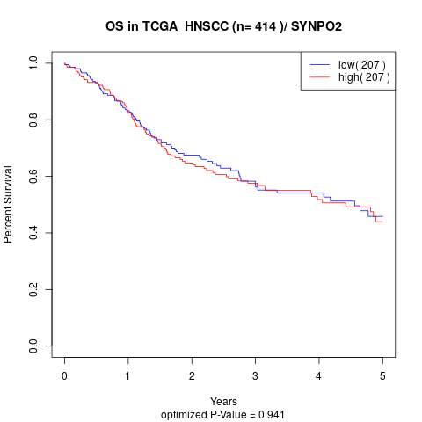

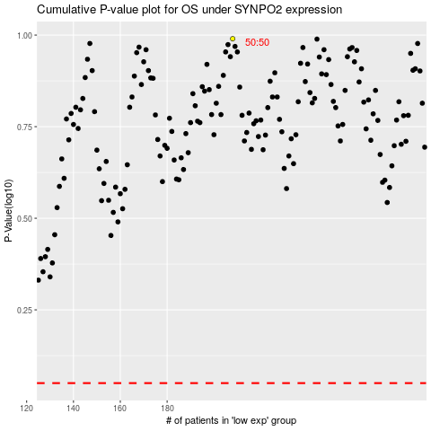

 |  |  |  |  |  | cases_OS | p_OS | rank | exp
 |  |  |  |  |  |  | cases_RFS | p_RFS | rank | exp

