SYNPO2L _multivariate
Reported by Tex Li-Hsing Chi. tex@gate.sinica.edu.tw 2019-08-15

Table 2. The clinicopathological features of HNSCC cohort and SYNPO2L expression. (Chi square test)
Cutoff at -0.253 (50.0%)
 |  | SYNPO2L expression |  | SYNPO2L expression |  | (Optimised)
 | Features | Low | (%) | High | (%) | Case no | P-value | Remark | Matthews
Gender | Female | 159 | 38.3 | 147 | 35.4 | 415 | 0.1905 | 0 | 0
2 | Male | 48 | 11.6 | 61 | 14.7
Age at diagnosis | <=65y | 125 | 30.1 | 149 | 35.9 | 415 | 0.0206 | 1 | 0
4 | >65y | 82 | 19.8 | 59 | 14.2
Clinical T Status | T1+T2 | 67 | 16.1 | 82 | 19.8 | 415 | 0.1628 | 0 | 0
6 | T3+T4 | 140 | 33.7 | 126 | 30.4
Clinical N Status | N0 | 108 | 26 | 108 | 26 | 415 | 1 | 0 | 0
8 | N1-3 | 99 | 23.9 | 100 | 24.1
Clinical M Status | M0 | 205 | 49.4 | 207 | 49.9 | 415 | 0.6232 | 0 | 0
10 | M1 | 2 | 0.5 | 1 | 0.2
Clinical Stage | Stage I+II | 41 | 9.9 | 61 | 14.7 | 415 | 0.0325 | 1 | 0
12 | Stage III+IV | 166 | 40 | 147 | 35.4
Surgical Margin status | Negative | 154 | 37.1 | 164 | 39.5 | 415 | 0.2984 | 0 | 0
14 | Positive | 53 | 12.8 | 44 | 10.6
Tobacco Exposure | Low | 79 | 19 | 82 | 19.8 | 415 | 0.8405 | 0 | 0
16 | High | 128 | 30.8 | 126 | 30.4

Table 3. Univariate/Multivariate Cox's proportional hazards regression analyses on OS time of SYNPO2L gene expression in HNSCC

 |  | Univariate |  |  |  | Multivariate
 | Features | HR | CI95%(L) | CI95%(H) | P-value | HR | CI95%(L) | CI95%(H) | P-value
1 | Female | 1 |  |  |  | 1
Gender | Male | 1.157 | 0.843 | 1.587 | 0.367 | 1.211 | 0.865 | 1.695 | 0.265
11 | <=65y | 1 |  |  |  | 1
Age at diagnosis | >65y | 1.329 | 0.99 | 1.784 | 0.058 | 1.381 | 1.014 | 1.882 | 0.041
12 | T1+T2 | 1 |  |  |  | 1
Clinical T Status | T3+T4 | 1.409 | 1.028 | 1.931 | 0.033 | 2.222 | 1.173 | 4.209 | 0.014
13 | N0 | 1 |  |  |  | 1
Clinical N Status | N1-3 | 1.185 | 0.89 | 1.577 | 0.246 | 1.247 | 0.873 | 1.781 | 0.224
14 | M0 | 1 |  |  |  | 1
Clinical M Status | M1 | 4.097 | 1.009 | 16.644 | 0.049 | 9.445 | 2.06 | 43.304 | 0.004
15 | Stage I+II | 1 |  |  |  | 1
Clinical Stage | Stage III+IV | 1.245 | 0.882 | 1.759 | 0.213 | 0.497 | 0.231 | 1.071 | 0.074
16 | Negative | 1 |  |  |  | 1
Surgical Margin status | Positive | 1.591 | 1.155 | 2.191 | 0.004 | 1.672 | 1.21 | 2.31 | 0.002
17 | Low | 1 |  |  |  | 1
Tobacco Exposure | High | 1.364 | 1.008 | 1.844 | 0.044 | 1.452 | 1.054 | 2.001 | 0.023
18 | Low | 1 |  |  |  | 1
RNAseq(z-score) | High | 0.945 | 0.71 | 1.259 | 0.701 | 0.945 | 0.704 | 1.268 | 0.705

Table 4. Univariate/Multivariate Cox's proportional hazards regression analyses on RFS time of SYNPO2L gene expression in HNSCC

 |  | Univariate |  |  |  | Multivariate
 | Features | HR | CI95%(L) | CI95%(H) | P-value | HR | CI95%(L) | CI95%(H) | P-value
1 | Female | 1 |  |  |  | 1
Gender | Male | 1.157 | 0.843 | 1.587 | 0.367 | 1.211 | 0.865 | 1.695 | 0.265
11 | <=65y | 1 |  |  |  | 1
Age at diagnosis | >65y | 1.329 | 0.99 | 1.784 | 0.058 | 1.381 | 1.014 | 1.882 | 0.041
12 | T1+T2 | 1 |  |  |  | 1
Clinical T Status | T3+T4 | 1.409 | 1.028 | 1.931 | 0.033 | 2.222 | 1.173 | 4.209 | 0.014
13 | N0 | 1 |  |  |  | 1
Clinical N Status | N1-3 | 1.185 | 0.89 | 1.577 | 0.246 | 1.247 | 0.873 | 1.781 | 0.224
14 | M0 | 1 |  |  |  | 1
Clinical M Status | M1 | 4.097 | 1.009 | 16.644 | 0.049 | 9.445 | 2.06 | 43.304 | 0.004
15 | Stage I+II | 1 |  |  |  | 1
Clinical Stage | Stage III+IV | 1.245 | 0.882 | 1.759 | 0.213 | 0.497 | 0.231 | 1.071 | 0.074
16 | Negative | 1 |  |  |  | 1
Surgical Margin status | Positive | 1.591 | 1.155 | 2.191 | 0.004 | 1.672 | 1.21 | 2.31 | 0.002
17 | Low | 1 |  |  |  | 1
Tobacco Exposure | High | 1.364 | 1.008 | 1.844 | 0.044 | 1.452 | 1.054 | 2.001 | 0.023
18 | Low | 1 |  |  |  | 1
RNAseq(z-score) | High | 0.945 | 0.71 | 1.259 | 0.701 | 0.945 | 0.704 | 1.268 | 0.705

Kaplan-Meier survival estimate: Cutoff at -0.253 (50.0%)



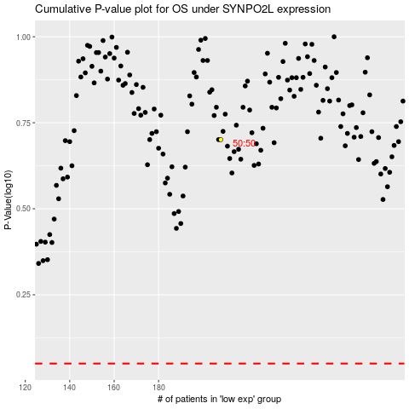

 |  |  |  |  |  | cases_OS | p_OS | rank | exp
 |  |  |  |  |  |  | cases_RFS | p_RFS | rank | exp

