SYT11 _multivariate
Reported by Tex Li-Hsing Chi. tex@gate.sinica.edu.tw 2019-08-15

Table 2. The clinicopathological features of HNSCC cohort and SYT11 expression. (Chi square test)
Cutoff at -0.437 (36.0%)
 |  | SYT11 expression |  | SYT11 expression |  | (Optimised)
 | Features | Low | (%) | High | (%) | Case no | P-value | Remark | Matthews
Gender | Female | 115 | 27.7 | 191 | 46 | 415 | 0.3655 | 0 | 0
2 | Male | 35 | 8.4 | 74 | 17.8
Age at diagnosis | <=65y | 102 | 24.6 | 172 | 41.4 | 415 | 0.595 | 0 | 0
4 | >65y | 48 | 11.6 | 93 | 22.4
Clinical T Status | T1+T2 | 49 | 11.8 | 100 | 24.1 | 415 | 0.3536 | 0 | 0
6 | T3+T4 | 101 | 24.3 | 165 | 39.8
Clinical N Status | N0 | 78 | 18.8 | 138 | 33.3 | 415 | 1 | 0 | 0
8 | N1-3 | 72 | 17.3 | 127 | 30.6
Clinical M Status | M0 | 147 | 35.4 | 265 | 63.9 | 415 | 0.0466 | 1 | 0
10 | M1 | 3 | 0.7 | 0 | 0
Clinical Stage | Stage I+II | 33 | 8 | 69 | 16.6 | 415 | 0.4242 | 0 | 0
12 | Stage III+IV | 117 | 28.2 | 196 | 47.2
Surgical Margin status | Negative | 112 | 27 | 206 | 49.6 | 415 | 0.4722 | 0 | 0
14 | Positive | 38 | 9.2 | 59 | 14.2
Tobacco Exposure | Low | 53 | 12.8 | 108 | 26 | 415 | 0.2955 | 0 | 0
16 | High | 97 | 23.4 | 157 | 37.8

Table 3. Univariate/Multivariate Cox's proportional hazards regression analyses on OS time of SYT11 gene expression in HNSCC

 |  | Univariate |  |  |  | Multivariate
 | Features | HR | CI95%(L) | CI95%(H) | P-value | HR | CI95%(L) | CI95%(H) | P-value
1 | Female | 1 |  |  |  | 1
Gender | Male | 1.157 | 0.843 | 1.587 | 0.367 | 1.212 | 0.867 | 1.695 | 0.261
11 | <=65y | 1 |  |  |  | 1
Age at diagnosis | >65y | 1.329 | 0.99 | 1.784 | 0.058 | 1.382 | 1.017 | 1.877 | 0.039
12 | T1+T2 | 1 |  |  |  | 1
Clinical T Status | T3+T4 | 1.409 | 1.028 | 1.931 | 0.033 | 2.134 | 1.127 | 4.04 | 0.02
13 | N0 | 1 |  |  |  | 1
Clinical N Status | N1-3 | 1.185 | 0.89 | 1.577 | 0.246 | 1.24 | 0.869 | 1.77 | 0.235
14 | M0 | 1 |  |  |  | 1
Clinical M Status | M1 | 4.097 | 1.009 | 16.644 | 0.049 | 8.015 | 1.724 | 37.267 | 0.008
15 | Stage I+II | 1 |  |  |  | 1
Clinical Stage | Stage III+IV | 1.245 | 0.882 | 1.759 | 0.213 | 0.512 | 0.239 | 1.099 | 0.086
16 | Negative | 1 |  |  |  | 1
Surgical Margin status | Positive | 1.591 | 1.155 | 2.191 | 0.004 | 1.661 | 1.202 | 2.296 | 0.002
17 | Low | 1 |  |  |  | 1
Tobacco Exposure | High | 1.364 | 1.008 | 1.844 | 0.044 | 1.435 | 1.041 | 1.98 | 0.028
18 | Low | 1 |  |  |  | 1
RNAseq(z-score) | High | 0.745 | 0.556 | 0.998 | 0.049 | 0.803 | 0.597 | 1.082 | 0.149

Table 4. Univariate/Multivariate Cox's proportional hazards regression analyses on RFS time of SYT11 gene expression in HNSCC

 |  | Univariate |  |  |  | Multivariate
 | Features | HR | CI95%(L) | CI95%(H) | P-value | HR | CI95%(L) | CI95%(H) | P-value
1 | Female | 1 |  |  |  | 1
Gender | Male | 1.157 | 0.843 | 1.587 | 0.367 | 1.212 | 0.867 | 1.695 | 0.261
11 | <=65y | 1 |  |  |  | 1
Age at diagnosis | >65y | 1.329 | 0.99 | 1.784 | 0.058 | 1.382 | 1.017 | 1.877 | 0.039
12 | T1+T2 | 1 |  |  |  | 1
Clinical T Status | T3+T4 | 1.409 | 1.028 | 1.931 | 0.033 | 2.134 | 1.127 | 4.04 | 0.02
13 | N0 | 1 |  |  |  | 1
Clinical N Status | N1-3 | 1.185 | 0.89 | 1.577 | 0.246 | 1.24 | 0.869 | 1.77 | 0.235
14 | M0 | 1 |  |  |  | 1
Clinical M Status | M1 | 4.097 | 1.009 | 16.644 | 0.049 | 8.015 | 1.724 | 37.267 | 0.008
15 | Stage I+II | 1 |  |  |  | 1
Clinical Stage | Stage III+IV | 1.245 | 0.882 | 1.759 | 0.213 | 0.512 | 0.239 | 1.099 | 0.086
16 | Negative | 1 |  |  |  | 1
Surgical Margin status | Positive | 1.591 | 1.155 | 2.191 | 0.004 | 1.661 | 1.202 | 2.296 | 0.002
17 | Low | 1 |  |  |  | 1
Tobacco Exposure | High | 1.364 | 1.008 | 1.844 | 0.044 | 1.435 | 1.041 | 1.98 | 0.028
18 | Low | 1 |  |  |  | 1
RNAseq(z-score) | High | 0.745 | 0.556 | 0.998 | 0.049 | 0.803 | 0.597 | 1.082 | 0.149

Kaplan-Meier survival estimate: Cutoff at -0.437 (36.0%)



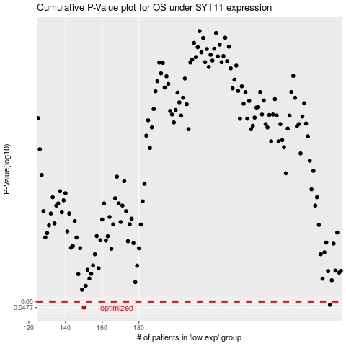

 |  |  |  |  |  | cases_OS | p_OS | rank | exp
 |  |  |  |  |  | 150 | 0.0477 | 314 | -0.43740390313
 |  |  |  |  |  | 284 | 0.0488 | 130 | 0.1597697052
 |  |  |  |  |  |  | cases_RFS | p_RFS | rank | exp
 |  |  |  |  |  |  | 149 | 0.0477 | 153 | -0.44277954382
 |  |  |  |  |  |  | 283 | 0.0488 | 227 | 0.15491726903

