SYT15 _multivariate
Reported by Tex Li-Hsing Chi. tex@gate.sinica.edu.tw 2019-08-15

Table 2. The clinicopathological features of HNSCC cohort and SYT15 expression. (Chi square test)
Cutoff at -0.305 (56.8%)
 |  | SYT15 expression |  | SYT15 expression |  | (Optimised)
 | Features | Low | (%) | High | (%) | Case no | P-value | Remark | Matthews
Gender | Female | 181 | 43.6 | 125 | 30.1 | 415 | 0.1441 | 0 | 0
2 | Male | 55 | 13.3 | 54 | 13
Age at diagnosis | <=65y | 154 | 37.1 | 120 | 28.9 | 415 | 0.7829 | 0 | 0
4 | >65y | 82 | 19.8 | 59 | 14.2
Clinical T Status | T1+T2 | 73 | 17.6 | 76 | 18.3 | 415 | 0.0203 | 1 | 0
6 | T3+T4 | 163 | 39.3 | 103 | 24.8
Clinical N Status | N0 | 120 | 28.9 | 96 | 23.1 | 415 | 0.6434 | 0 | 0
8 | N1-3 | 116 | 28 | 83 | 20
Clinical M Status | M0 | 233 | 56.1 | 179 | 43.1 | 415 | 0.2624 | 0 | 0
10 | M1 | 3 | 0.7 | 0 | 0
Clinical Stage | Stage I+II | 52 | 12.5 | 50 | 12 | 415 | 0.2051 | 0 | 0
12 | Stage III+IV | 184 | 44.3 | 129 | 31.1
Surgical Margin status | Negative | 177 | 42.7 | 141 | 34 | 415 | 0.4129 | 0 | 0
14 | Positive | 59 | 14.2 | 38 | 9.2
Tobacco Exposure | Low | 82 | 19.8 | 79 | 19 | 415 | 0.0541 | 0 | 0
16 | High | 154 | 37.1 | 100 | 24.1

Table 3. Univariate/Multivariate Cox's proportional hazards regression analyses on OS time of SYT15 gene expression in HNSCC

 |  | Univariate |  |  |  | Multivariate
 | Features | HR | CI95%(L) | CI95%(H) | P-value | HR | CI95%(L) | CI95%(H) | P-value
1 | Female | 1 |  |  |  | 1
Gender | Male | 1.157 | 0.843 | 1.587 | 0.367 | 1.229 | 0.877 | 1.724 | 0.232
11 | <=65y | 1 |  |  |  | 1
Age at diagnosis | >65y | 1.329 | 0.99 | 1.784 | 0.058 | 1.365 | 1.002 | 1.858 | 0.048
12 | T1+T2 | 1 |  |  |  | 1
Clinical T Status | T3+T4 | 1.409 | 1.028 | 1.931 | 0.033 | 2.097 | 1.105 | 3.98 | 0.023
13 | N0 | 1 |  |  |  | 1
Clinical N Status | N1-3 | 1.185 | 0.89 | 1.577 | 0.246 | 1.238 | 0.867 | 1.766 | 0.24
14 | M0 | 1 |  |  |  | 1
Clinical M Status | M1 | 4.097 | 1.009 | 16.644 | 0.049 | 8.311 | 1.797 | 38.446 | 0.007
15 | Stage I+II | 1 |  |  |  | 1
Clinical Stage | Stage III+IV | 1.245 | 0.882 | 1.759 | 0.213 | 0.524 | 0.244 | 1.126 | 0.098
16 | Negative | 1 |  |  |  | 1
Surgical Margin status | Positive | 1.591 | 1.155 | 2.191 | 0.004 | 1.655 | 1.197 | 2.288 | 0.002
17 | Low | 1 |  |  |  | 1
Tobacco Exposure | High | 1.364 | 1.008 | 1.844 | 0.044 | 1.469 | 1.062 | 2.031 | 0.02
18 | Low | 1 |  |  |  | 1
RNAseq(z-score) | High | 0.745 | 0.556 | 1 | 0.05 | 0.809 | 0.599 | 1.091 | 0.165

Table 4. Univariate/Multivariate Cox's proportional hazards regression analyses on RFS time of SYT15 gene expression in HNSCC

 |  | Univariate |  |  |  | Multivariate
 | Features | HR | CI95%(L) | CI95%(H) | P-value | HR | CI95%(L) | CI95%(H) | P-value
1 | Female | 1 |  |  |  | 1
Gender | Male | 1.157 | 0.843 | 1.587 | 0.367 | 1.229 | 0.877 | 1.724 | 0.232
11 | <=65y | 1 |  |  |  | 1
Age at diagnosis | >65y | 1.329 | 0.99 | 1.784 | 0.058 | 1.365 | 1.002 | 1.858 | 0.048
12 | T1+T2 | 1 |  |  |  | 1
Clinical T Status | T3+T4 | 1.409 | 1.028 | 1.931 | 0.033 | 2.097 | 1.105 | 3.98 | 0.023
13 | N0 | 1 |  |  |  | 1
Clinical N Status | N1-3 | 1.185 | 0.89 | 1.577 | 0.246 | 1.238 | 0.867 | 1.766 | 0.24
14 | M0 | 1 |  |  |  | 1
Clinical M Status | M1 | 4.097 | 1.009 | 16.644 | 0.049 | 8.311 | 1.797 | 38.446 | 0.007
15 | Stage I+II | 1 |  |  |  | 1
Clinical Stage | Stage III+IV | 1.245 | 0.882 | 1.759 | 0.213 | 0.524 | 0.244 | 1.126 | 0.098
16 | Negative | 1 |  |  |  | 1
Surgical Margin status | Positive | 1.591 | 1.155 | 2.191 | 0.004 | 1.655 | 1.197 | 2.288 | 0.002
17 | Low | 1 |  |  |  | 1
Tobacco Exposure | High | 1.364 | 1.008 | 1.844 | 0.044 | 1.469 | 1.062 | 2.031 | 0.02
18 | Low | 1 |  |  |  | 1
RNAseq(z-score) | High | 0.745 | 0.556 | 1 | 0.05 | 0.809 | 0.599 | 1.091 | 0.165

Kaplan-Meier survival estimate: Cutoff at -0.305 (56.8%)



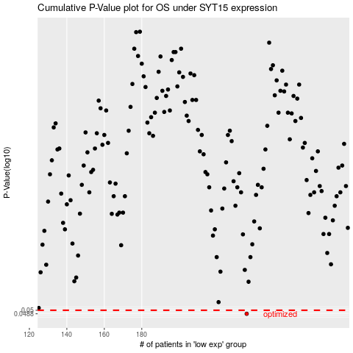

 |  |  |  |  |  | cases_OS | p_OS | rank | exp
 |  |  |  |  |  | 236 | 0.0488 | 105 | -0.30527542558
 |  |  |  |  |  |  | cases_RFS | p_RFS | rank | exp
 |  |  |  |  |  |  | 235 | 0.0488 | 191 | -0.30713281267

