SYT16 _multivariate
Reported by Tex Li-Hsing Chi. tex@gate.sinica.edu.tw 2019-08-15

Table 2. The clinicopathological features of HNSCC cohort and SYT16 expression. (Chi square test)
Cutoff at -0.271 (50.0%)
 |  | SYT16 expression |  | SYT16 expression |  | (Optimised)
 | Features | Low | (%) | High | (%) | Case no | P-value | Remark | Matthews
Gender | Female | 152 | 36.6 | 154 | 37.1 | 415 | 0.9766 | 0 | 0
2 | Male | 55 | 13.3 | 54 | 13
Age at diagnosis | <=65y | 135 | 32.5 | 139 | 33.5 | 415 | 0.8084 | 0 | 0
4 | >65y | 72 | 17.3 | 69 | 16.6
Clinical T Status | T1+T2 | 76 | 18.3 | 73 | 17.6 | 415 | 0.8092 | 0 | 0
6 | T3+T4 | 131 | 31.6 | 135 | 32.5
Clinical N Status | N0 | 119 | 28.7 | 97 | 23.4 | 415 | 0.0345 | 1 | 0
8 | N1-3 | 88 | 21.2 | 111 | 26.7
Clinical M Status | M0 | 206 | 49.6 | 206 | 49.6 | 415 | 1 | 0 | 0
10 | M1 | 1 | 0.2 | 2 | 0.5
Clinical Stage | Stage I+II | 54 | 13 | 48 | 11.6 | 415 | 0.5498 | 0 | 0
12 | Stage III+IV | 153 | 36.9 | 160 | 38.6
Surgical Margin status | Negative | 158 | 38.1 | 160 | 38.6 | 415 | 0.9081 | 0 | 0
14 | Positive | 49 | 11.8 | 48 | 11.6
Tobacco Exposure | Low | 82 | 19.8 | 79 | 19 | 415 | 0.763 | 0 | 0
16 | High | 125 | 30.1 | 129 | 31.1

Table 3. Univariate/Multivariate Cox's proportional hazards regression analyses on OS time of SYT16 gene expression in HNSCC

 |  | Univariate |  |  |  | Multivariate
 | Features | HR | CI95%(L) | CI95%(H) | P-value | HR | CI95%(L) | CI95%(H) | P-value
1 | Female | 1 |  |  |  | 1
Gender | Male | 1.157 | 0.843 | 1.587 | 0.367 | 1.202 | 0.861 | 1.679 | 0.281
11 | <=65y | 1 |  |  |  | 1
Age at diagnosis | >65y | 1.329 | 0.99 | 1.784 | 0.058 | 1.394 | 1.025 | 1.896 | 0.034
12 | T1+T2 | 1 |  |  |  | 1
Clinical T Status | T3+T4 | 1.409 | 1.028 | 1.931 | 0.033 | 2.207 | 1.167 | 4.174 | 0.015
13 | N0 | 1 |  |  |  | 1
Clinical N Status | N1-3 | 1.185 | 0.89 | 1.577 | 0.246 | 1.248 | 0.873 | 1.784 | 0.223
14 | M0 | 1 |  |  |  | 1
Clinical M Status | M1 | 4.097 | 1.009 | 16.644 | 0.049 | 9.565 | 2.08 | 43.98 | 0.004
15 | Stage I+II | 1 |  |  |  | 1
Clinical Stage | Stage III+IV | 1.245 | 0.882 | 1.759 | 0.213 | 0.499 | 0.232 | 1.074 | 0.075
16 | Negative | 1 |  |  |  | 1
Surgical Margin status | Positive | 1.591 | 1.155 | 2.191 | 0.004 | 1.67 | 1.208 | 2.308 | 0.002
17 | Low | 1 |  |  |  | 1
Tobacco Exposure | High | 1.364 | 1.008 | 1.844 | 0.044 | 1.452 | 1.054 | 2.001 | 0.022
18 | Low | 1 |  |  |  | 1
RNAseq(z-score) | High | 0.964 | 0.724 | 1.283 | 0.801 | 0.95 | 0.711 | 1.27 | 0.731

Table 4. Univariate/Multivariate Cox's proportional hazards regression analyses on RFS time of SYT16 gene expression in HNSCC

 |  | Univariate |  |  |  | Multivariate
 | Features | HR | CI95%(L) | CI95%(H) | P-value | HR | CI95%(L) | CI95%(H) | P-value
1 | Female | 1 |  |  |  | 1
Gender | Male | 1.157 | 0.843 | 1.587 | 0.367 | 1.202 | 0.861 | 1.679 | 0.281
11 | <=65y | 1 |  |  |  | 1
Age at diagnosis | >65y | 1.329 | 0.99 | 1.784 | 0.058 | 1.394 | 1.025 | 1.896 | 0.034
12 | T1+T2 | 1 |  |  |  | 1
Clinical T Status | T3+T4 | 1.409 | 1.028 | 1.931 | 0.033 | 2.207 | 1.167 | 4.174 | 0.015
13 | N0 | 1 |  |  |  | 1
Clinical N Status | N1-3 | 1.185 | 0.89 | 1.577 | 0.246 | 1.248 | 0.873 | 1.784 | 0.223
14 | M0 | 1 |  |  |  | 1
Clinical M Status | M1 | 4.097 | 1.009 | 16.644 | 0.049 | 9.565 | 2.08 | 43.98 | 0.004
15 | Stage I+II | 1 |  |  |  | 1
Clinical Stage | Stage III+IV | 1.245 | 0.882 | 1.759 | 0.213 | 0.499 | 0.232 | 1.074 | 0.075
16 | Negative | 1 |  |  |  | 1
Surgical Margin status | Positive | 1.591 | 1.155 | 2.191 | 0.004 | 1.67 | 1.208 | 2.308 | 0.002
17 | Low | 1 |  |  |  | 1
Tobacco Exposure | High | 1.364 | 1.008 | 1.844 | 0.044 | 1.452 | 1.054 | 2.001 | 0.022
18 | Low | 1 |  |  |  | 1
RNAseq(z-score) | High | 0.964 | 0.724 | 1.283 | 0.801 | 0.95 | 0.711 | 1.27 | 0.731

Kaplan-Meier survival estimate: Cutoff at -0.271 (50.0%)



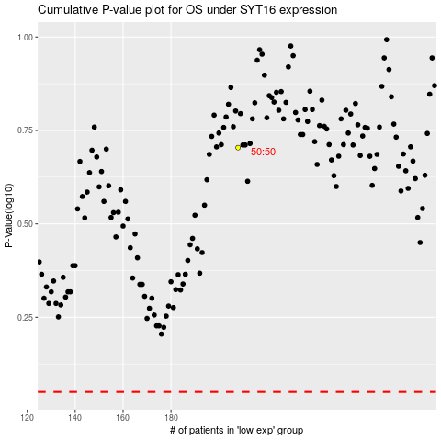

 |  |  |  |  |  | cases_OS | p_OS | rank | exp
 |  |  |  |  |  |  | cases_RFS | p_RFS | rank | exp

