SYT17 _multivariate
Reported by Tex Li-Hsing Chi. tex@gate.sinica.edu.tw 2019-08-15

Table 2. The clinicopathological features of HNSCC cohort and SYT17 expression. (Chi square test)
Cutoff at 0.095 (66.2%)
 |  | SYT17 expression |  | SYT17 expression |  | (Optimised)
 | Features | Low | (%) | High | (%) | Case no | P-value | Remark | Matthews
Gender | Female | 188 | 45.3 | 118 | 28.4 | 415 | 8e-04 | 1 | 0
2 | Male | 87 | 21 | 22 | 5.3
Age at diagnosis | <=65y | 184 | 44.3 | 90 | 21.7 | 415 | 0.6716 | 0 | 0
4 | >65y | 91 | 21.9 | 50 | 12
Clinical T Status | T1+T2 | 103 | 24.8 | 46 | 11.1 | 415 | 0.4152 | 0 | 0
6 | T3+T4 | 172 | 41.4 | 94 | 22.7
Clinical N Status | N0 | 144 | 34.7 | 72 | 17.3 | 415 | 0.9391 | 0 | 0
8 | N1-3 | 131 | 31.6 | 68 | 16.4
Clinical M Status | M0 | 275 | 66.3 | 137 | 33 | 415 | 0.0378 | 1 | 0
10 | M1 | 0 | 0 | 3 | 0.7
Clinical Stage | Stage I+II | 75 | 18.1 | 27 | 6.5 | 415 | 0.0957 | 0 | 0
12 | Stage III+IV | 200 | 48.2 | 113 | 27.2
Surgical Margin status | Negative | 213 | 51.3 | 105 | 25.3 | 415 | 0.624 | 0 | 0
14 | Positive | 62 | 14.9 | 35 | 8.4
Tobacco Exposure | Low | 115 | 27.7 | 46 | 11.1 | 415 | 0.0883 | 0 | 0
16 | High | 160 | 38.6 | 94 | 22.7

Table 3. Univariate/Multivariate Cox's proportional hazards regression analyses on OS time of SYT17 gene expression in HNSCC

 |  | Univariate |  |  |  | Multivariate
 | Features | HR | CI95%(L) | CI95%(H) | P-value | HR | CI95%(L) | CI95%(H) | P-value
1 | Female | 1 |  |  |  | 1
Gender | Male | 1.157 | 0.843 | 1.587 | 0.367 | 1.27 | 0.903 | 1.787 | 0.17
11 | <=65y | 1 |  |  |  | 1
Age at diagnosis | >65y | 1.329 | 0.99 | 1.784 | 0.058 | 1.379 | 1.015 | 1.874 | 0.04
12 | T1+T2 | 1 |  |  |  | 1
Clinical T Status | T3+T4 | 1.409 | 1.028 | 1.931 | 0.033 | 2.196 | 1.162 | 4.148 | 0.015
13 | N0 | 1 |  |  |  | 1
Clinical N Status | N1-3 | 1.185 | 0.89 | 1.577 | 0.246 | 1.27 | 0.889 | 1.814 | 0.189
14 | M0 | 1 |  |  |  | 1
Clinical M Status | M1 | 4.097 | 1.009 | 16.644 | 0.049 | 8.001 | 1.728 | 37.044 | 0.008
15 | Stage I+II | 1 |  |  |  | 1
Clinical Stage | Stage III+IV | 1.245 | 0.882 | 1.759 | 0.213 | 0.48 | 0.223 | 1.032 | 0.06
16 | Negative | 1 |  |  |  | 1
Surgical Margin status | Positive | 1.591 | 1.155 | 2.191 | 0.004 | 1.656 | 1.198 | 2.289 | 0.002
17 | Low | 1 |  |  |  | 1
Tobacco Exposure | High | 1.364 | 1.008 | 1.844 | 0.044 | 1.433 | 1.041 | 1.974 | 0.028
18 | Low | 1 |  |  |  | 1
RNAseq(z-score) | High | 1.343 | 1.001 | 1.801 | 0.049 | 1.308 | 0.961 | 1.779 | 0.088

Table 4. Univariate/Multivariate Cox's proportional hazards regression analyses on RFS time of SYT17 gene expression in HNSCC

 |  | Univariate |  |  |  | Multivariate
 | Features | HR | CI95%(L) | CI95%(H) | P-value | HR | CI95%(L) | CI95%(H) | P-value
1 | Female | 1 |  |  |  | 1
Gender | Male | 1.157 | 0.843 | 1.587 | 0.367 | 1.27 | 0.903 | 1.787 | 0.17
11 | <=65y | 1 |  |  |  | 1
Age at diagnosis | >65y | 1.329 | 0.99 | 1.784 | 0.058 | 1.379 | 1.015 | 1.874 | 0.04
12 | T1+T2 | 1 |  |  |  | 1
Clinical T Status | T3+T4 | 1.409 | 1.028 | 1.931 | 0.033 | 2.196 | 1.162 | 4.148 | 0.015
13 | N0 | 1 |  |  |  | 1
Clinical N Status | N1-3 | 1.185 | 0.89 | 1.577 | 0.246 | 1.27 | 0.889 | 1.814 | 0.189
14 | M0 | 1 |  |  |  | 1
Clinical M Status | M1 | 4.097 | 1.009 | 16.644 | 0.049 | 8.001 | 1.728 | 37.044 | 0.008
15 | Stage I+II | 1 |  |  |  | 1
Clinical Stage | Stage III+IV | 1.245 | 0.882 | 1.759 | 0.213 | 0.48 | 0.223 | 1.032 | 0.06
16 | Negative | 1 |  |  |  | 1
Surgical Margin status | Positive | 1.591 | 1.155 | 2.191 | 0.004 | 1.656 | 1.198 | 2.289 | 0.002
17 | Low | 1 |  |  |  | 1
Tobacco Exposure | High | 1.364 | 1.008 | 1.844 | 0.044 | 1.433 | 1.041 | 1.974 | 0.028
18 | Low | 1 |  |  |  | 1
RNAseq(z-score) | High | 1.343 | 1.001 | 1.801 | 0.049 | 1.308 | 0.961 | 1.779 | 0.088

Kaplan-Meier survival estimate: Cutoff at 0.095 (66.2%)



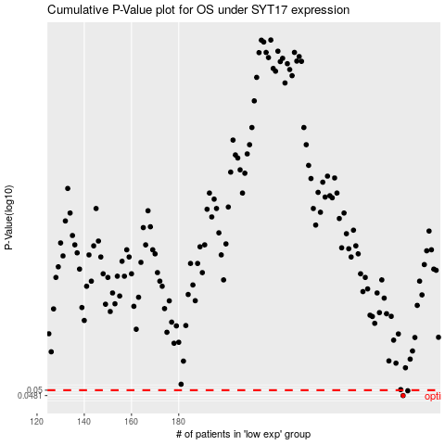

 |  |  |  |  |  | cases_OS | p_OS | rank | exp
 |  |  |  |  |  | 275 | 0.0481 | 74 | 0.095146109169
 |  |  |  |  |  | 277 | 0.0498 | 143 | 0.11815485838
 |  |  |  |  |  |  | cases_RFS | p_RFS | rank | exp
 |  |  |  |  |  |  | 274 | 0.0481 | 277 | 0.088071018672
 |  |  |  |  |  |  | 276 | 0.0498 | 235 | 0.10879132292

