SYT5 _multivariate
Reported by Tex Li-Hsing Chi. tex@gate.sinica.edu.tw 2019-08-15

Table 2. The clinicopathological features of HNSCC cohort and SYT5 expression. (Chi square test)
Cutoff at -0.275 (49.8%)
 |  | SYT5 expression |  | SYT5 expression |  | (Optimised)
 | Features | Low | (%) | High | (%) | Case no | P-value | Remark | Matthews
Gender | Female | 155 | 37.3 | 151 | 36.4 | 415 | 0.6768 | 0 | 0
2 | Male | 52 | 12.5 | 57 | 13.7
Age at diagnosis | <=65y | 136 | 32.8 | 138 | 33.3 | 415 | 0.9719 | 0 | 0
4 | >65y | 71 | 17.1 | 70 | 16.9
Clinical T Status | T1+T2 | 87 | 21 | 62 | 14.9 | 415 | 0.0127 | 1 | 0
6 | T3+T4 | 120 | 28.9 | 146 | 35.2
Clinical N Status | N0 | 101 | 24.3 | 115 | 27.7 | 415 | 0.2201 | 0 | 0
8 | N1-3 | 106 | 25.5 | 93 | 22.4
Clinical M Status | M0 | 206 | 49.6 | 206 | 49.6 | 415 | 1 | 0 | 0
10 | M1 | 1 | 0.2 | 2 | 0.5
Clinical Stage | Stage I+II | 60 | 14.5 | 42 | 10.1 | 415 | 0.0493 | 1 | 0
12 | Stage III+IV | 147 | 35.4 | 166 | 40
Surgical Margin status | Negative | 155 | 37.3 | 163 | 39.3 | 415 | 0.4187 | 0 | 0
14 | Positive | 52 | 12.5 | 45 | 10.8
Tobacco Exposure | Low | 86 | 20.7 | 75 | 18.1 | 415 | 0.2687 | 0 | 0
16 | High | 121 | 29.2 | 133 | 32

Table 3. Univariate/Multivariate Cox's proportional hazards regression analyses on OS time of SYT5 gene expression in HNSCC

 |  | Univariate |  |  |  | Multivariate
 | Features | HR | CI95%(L) | CI95%(H) | P-value | HR | CI95%(L) | CI95%(H) | P-value
1 | Female | 1 |  |  |  | 1
Gender | Male | 1.157 | 0.843 | 1.587 | 0.367 | 1.203 | 0.861 | 1.681 | 0.28
11 | <=65y | 1 |  |  |  | 1
Age at diagnosis | >65y | 1.329 | 0.99 | 1.784 | 0.058 | 1.402 | 1.031 | 1.906 | 0.031
12 | T1+T2 | 1 |  |  |  | 1
Clinical T Status | T3+T4 | 1.409 | 1.028 | 1.931 | 0.033 | 2.201 | 1.164 | 4.161 | 0.015
13 | N0 | 1 |  |  |  | 1
Clinical N Status | N1-3 | 1.185 | 0.89 | 1.577 | 0.246 | 1.268 | 0.885 | 1.816 | 0.196
14 | M0 | 1 |  |  |  | 1
Clinical M Status | M1 | 4.097 | 1.009 | 16.644 | 0.049 | 9.023 | 1.962 | 41.489 | 0.005
15 | Stage I+II | 1 |  |  |  | 1
Clinical Stage | Stage III+IV | 1.245 | 0.882 | 1.759 | 0.213 | 0.493 | 0.229 | 1.061 | 0.07
16 | Negative | 1 |  |  |  | 1
Surgical Margin status | Positive | 1.591 | 1.155 | 2.191 | 0.004 | 1.678 | 1.214 | 2.319 | 0.002
17 | Low | 1 |  |  |  | 1
Tobacco Exposure | High | 1.364 | 1.008 | 1.844 | 0.044 | 1.446 | 1.049 | 1.993 | 0.024
18 | Low | 1 |  |  |  | 1
RNAseq(z-score) | High | 1.139 | 0.853 | 1.521 | 0.378 | 1.135 | 0.846 | 1.524 | 0.398

Table 4. Univariate/Multivariate Cox's proportional hazards regression analyses on RFS time of SYT5 gene expression in HNSCC

 |  | Univariate |  |  |  | Multivariate
 | Features | HR | CI95%(L) | CI95%(H) | P-value | HR | CI95%(L) | CI95%(H) | P-value
1 | Female | 1 |  |  |  | 1
Gender | Male | 1.157 | 0.843 | 1.587 | 0.367 | 1.203 | 0.861 | 1.681 | 0.28
11 | <=65y | 1 |  |  |  | 1
Age at diagnosis | >65y | 1.329 | 0.99 | 1.784 | 0.058 | 1.402 | 1.031 | 1.906 | 0.031
12 | T1+T2 | 1 |  |  |  | 1
Clinical T Status | T3+T4 | 1.409 | 1.028 | 1.931 | 0.033 | 2.201 | 1.164 | 4.161 | 0.015
13 | N0 | 1 |  |  |  | 1
Clinical N Status | N1-3 | 1.185 | 0.89 | 1.577 | 0.246 | 1.268 | 0.885 | 1.816 | 0.196
14 | M0 | 1 |  |  |  | 1
Clinical M Status | M1 | 4.097 | 1.009 | 16.644 | 0.049 | 9.023 | 1.962 | 41.489 | 0.005
15 | Stage I+II | 1 |  |  |  | 1
Clinical Stage | Stage III+IV | 1.245 | 0.882 | 1.759 | 0.213 | 0.493 | 0.229 | 1.061 | 0.07
16 | Negative | 1 |  |  |  | 1
Surgical Margin status | Positive | 1.591 | 1.155 | 2.191 | 0.004 | 1.678 | 1.214 | 2.319 | 0.002
17 | Low | 1 |  |  |  | 1
Tobacco Exposure | High | 1.364 | 1.008 | 1.844 | 0.044 | 1.446 | 1.049 | 1.993 | 0.024
18 | Low | 1 |  |  |  | 1
RNAseq(z-score) | High | 1.139 | 0.853 | 1.521 | 0.378 | 1.135 | 0.846 | 1.524 | 0.398

Kaplan-Meier survival estimate: Cutoff at -0.275 (49.8%)



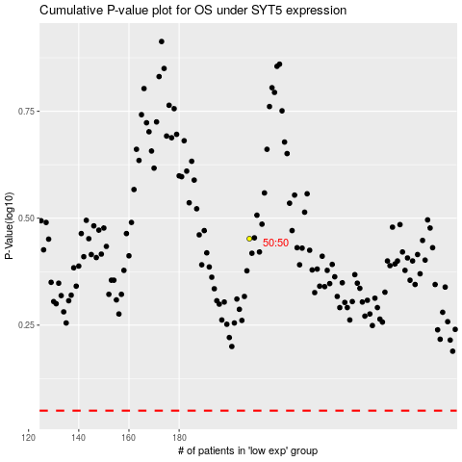

 |  |  |  |  |  | cases_OS | p_OS | rank | exp
 |  |  |  |  |  |  | cases_RFS | p_RFS | rank | exp

