SYT6 _multivariate
Reported by Tex Li-Hsing Chi. tex@gate.sinica.edu.tw 2019-08-15

Table 2. The clinicopathological features of HNSCC cohort and SYT6 expression. (Chi square test)
Cutoff at -0.127 (49.8%)
 |  | SYT6 expression |  | SYT6 expression |  | (Optimised)
 | Features | Low | (%) | High | (%) | Case no | P-value | Remark | Matthews
Gender | Female | 159 | 38.3 | 147 | 35.4 | 415 | 0.1405 | 0 | 0
2 | Male | 47 | 11.3 | 62 | 14.9
Age at diagnosis | <=65y | 144 | 34.7 | 130 | 31.3 | 415 | 0.1205 | 0 | 0
4 | >65y | 62 | 14.9 | 79 | 19
Clinical T Status | T1+T2 | 60 | 14.5 | 89 | 21.4 | 415 | 0.0059 | 1 | 0
6 | T3+T4 | 146 | 35.2 | 120 | 28.9
Clinical N Status | N0 | 111 | 26.7 | 105 | 25.3 | 415 | 0.5191 | 0 | 0
8 | N1-3 | 95 | 22.9 | 104 | 25.1
Clinical M Status | M0 | 204 | 49.2 | 208 | 50.1 | 415 | 0.6214 | 0 | 0
10 | M1 | 2 | 0.5 | 1 | 0.2
Clinical Stage | Stage I+II | 44 | 10.6 | 58 | 14 | 415 | 0.1621 | 0 | 0
12 | Stage III+IV | 162 | 39 | 151 | 36.4
Surgical Margin status | Negative | 159 | 38.3 | 159 | 38.3 | 415 | 0.8172 | 0 | 0
14 | Positive | 47 | 11.3 | 50 | 12
Tobacco Exposure | Low | 72 | 17.3 | 89 | 21.4 | 415 | 0.1307 | 0 | 0
16 | High | 134 | 32.3 | 120 | 28.9

Table 3. Univariate/Multivariate Cox's proportional hazards regression analyses on OS time of SYT6 gene expression in HNSCC

 |  | Univariate |  |  |  | Multivariate
 | Features | HR | CI95%(L) | CI95%(H) | P-value | HR | CI95%(L) | CI95%(H) | P-value
1 | Female | 1 |  |  |  | 1
Gender | Male | 1.157 | 0.843 | 1.587 | 0.367 | 1.197 | 0.858 | 1.671 | 0.29
11 | <=65y | 1 |  |  |  | 1
Age at diagnosis | >65y | 1.329 | 0.99 | 1.784 | 0.058 | 1.377 | 1.013 | 1.874 | 0.041
12 | T1+T2 | 1 |  |  |  | 1
Clinical T Status | T3+T4 | 1.409 | 1.028 | 1.931 | 0.033 | 2.256 | 1.191 | 4.272 | 0.013
13 | N0 | 1 |  |  |  | 1
Clinical N Status | N1-3 | 1.185 | 0.89 | 1.577 | 0.246 | 1.22 | 0.854 | 1.743 | 0.275
14 | M0 | 1 |  |  |  | 1
Clinical M Status | M1 | 4.097 | 1.009 | 16.644 | 0.049 | 10.081 | 2.188 | 46.449 | 0.003
15 | Stage I+II | 1 |  |  |  | 1
Clinical Stage | Stage III+IV | 1.245 | 0.882 | 1.759 | 0.213 | 0.506 | 0.236 | 1.087 | 0.081
16 | Negative | 1 |  |  |  | 1
Surgical Margin status | Positive | 1.591 | 1.155 | 2.191 | 0.004 | 1.659 | 1.2 | 2.292 | 0.002
17 | Low | 1 |  |  |  | 1
Tobacco Exposure | High | 1.364 | 1.008 | 1.844 | 0.044 | 1.455 | 1.057 | 2.002 | 0.021
18 | Low | 1 |  |  |  | 1
RNAseq(z-score) | High | 1.155 | 0.867 | 1.538 | 0.326 | 1.18 | 0.882 | 1.579 | 0.266

Table 4. Univariate/Multivariate Cox's proportional hazards regression analyses on RFS time of SYT6 gene expression in HNSCC

 |  | Univariate |  |  |  | Multivariate
 | Features | HR | CI95%(L) | CI95%(H) | P-value | HR | CI95%(L) | CI95%(H) | P-value
1 | Female | 1 |  |  |  | 1
Gender | Male | 1.157 | 0.843 | 1.587 | 0.367 | 1.197 | 0.858 | 1.671 | 0.29
11 | <=65y | 1 |  |  |  | 1
Age at diagnosis | >65y | 1.329 | 0.99 | 1.784 | 0.058 | 1.377 | 1.013 | 1.874 | 0.041
12 | T1+T2 | 1 |  |  |  | 1
Clinical T Status | T3+T4 | 1.409 | 1.028 | 1.931 | 0.033 | 2.256 | 1.191 | 4.272 | 0.013
13 | N0 | 1 |  |  |  | 1
Clinical N Status | N1-3 | 1.185 | 0.89 | 1.577 | 0.246 | 1.22 | 0.854 | 1.743 | 0.275
14 | M0 | 1 |  |  |  | 1
Clinical M Status | M1 | 4.097 | 1.009 | 16.644 | 0.049 | 10.081 | 2.188 | 46.449 | 0.003
15 | Stage I+II | 1 |  |  |  | 1
Clinical Stage | Stage III+IV | 1.245 | 0.882 | 1.759 | 0.213 | 0.506 | 0.236 | 1.087 | 0.081
16 | Negative | 1 |  |  |  | 1
Surgical Margin status | Positive | 1.591 | 1.155 | 2.191 | 0.004 | 1.659 | 1.2 | 2.292 | 0.002
17 | Low | 1 |  |  |  | 1
Tobacco Exposure | High | 1.364 | 1.008 | 1.844 | 0.044 | 1.455 | 1.057 | 2.002 | 0.021
18 | Low | 1 |  |  |  | 1
RNAseq(z-score) | High | 1.155 | 0.867 | 1.538 | 0.326 | 1.18 | 0.882 | 1.579 | 0.266

Kaplan-Meier survival estimate: Cutoff at -0.127 (49.8%)



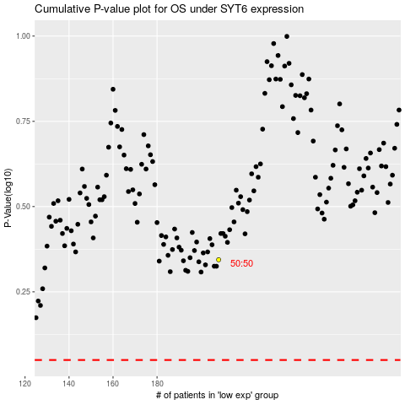

 |  |  |  |  |  | cases_OS | p_OS | rank | exp
 |  |  |  |  |  |  | cases_RFS | p_RFS | rank | exp

