SYTL1 _multivariate
Reported by Tex Li-Hsing Chi. tex@gate.sinica.edu.tw 2019-08-15

Table 2. The clinicopathological features of HNSCC cohort and SYTL1 expression. (Chi square test)
Cutoff at -0.318 (49.8%)
 |  | SYTL1 expression |  | SYTL1 expression |  | (Optimised)
 | Features | Low | (%) | High | (%) | Case no | P-value | Remark | Matthews
Gender | Female | 157 | 37.8 | 149 | 35.9 | 415 | 0.3881 | 0 | 0
2 | Male | 50 | 12 | 59 | 14.2
Age at diagnosis | <=65y | 138 | 33.3 | 136 | 32.8 | 415 | 0.8634 | 0 | 0
4 | >65y | 69 | 16.6 | 72 | 17.3
Clinical T Status | T1+T2 | 76 | 18.3 | 73 | 17.6 | 415 | 0.8092 | 0 | 0
6 | T3+T4 | 131 | 31.6 | 135 | 32.5
Clinical N Status | N0 | 103 | 24.8 | 113 | 27.2 | 415 | 0.4047 | 0 | 0
8 | N1-3 | 104 | 25.1 | 95 | 22.9
Clinical M Status | M0 | 206 | 49.6 | 206 | 49.6 | 415 | 1 | 0 | 0
10 | M1 | 1 | 0.2 | 2 | 0.5
Clinical Stage | Stage I+II | 52 | 12.5 | 50 | 12 | 415 | 0.8871 | 0 | 0
12 | Stage III+IV | 155 | 37.3 | 158 | 38.1
Surgical Margin status | Negative | 154 | 37.1 | 164 | 39.5 | 415 | 0.2984 | 0 | 0
14 | Positive | 53 | 12.8 | 44 | 10.6
Tobacco Exposure | Low | 71 | 17.1 | 90 | 21.7 | 415 | 0.0698 | 0 | 0
16 | High | 136 | 32.8 | 118 | 28.4

Table 3. Univariate/Multivariate Cox's proportional hazards regression analyses on OS time of SYTL1 gene expression in HNSCC

 |  | Univariate |  |  |  | Multivariate
 | Features | HR | CI95%(L) | CI95%(H) | P-value | HR | CI95%(L) | CI95%(H) | P-value
1 | Female | 1 |  |  |  | 1
Gender | Male | 1.157 | 0.843 | 1.587 | 0.367 | 1.243 | 0.888 | 1.741 | 0.206
11 | <=65y | 1 |  |  |  | 1
Age at diagnosis | >65y | 1.329 | 0.99 | 1.784 | 0.058 | 1.376 | 1.012 | 1.872 | 0.042
12 | T1+T2 | 1 |  |  |  | 1
Clinical T Status | T3+T4 | 1.409 | 1.028 | 1.931 | 0.033 | 2.209 | 1.169 | 4.176 | 0.015
13 | N0 | 1 |  |  |  | 1
Clinical N Status | N1-3 | 1.185 | 0.89 | 1.577 | 0.246 | 1.221 | 0.855 | 1.743 | 0.271
14 | M0 | 1 |  |  |  | 1
Clinical M Status | M1 | 4.097 | 1.009 | 16.644 | 0.049 | 9.79 | 2.133 | 44.929 | 0.003
15 | Stage I+II | 1 |  |  |  | 1
Clinical Stage | Stage III+IV | 1.245 | 0.882 | 1.759 | 0.213 | 0.512 | 0.239 | 1.099 | 0.086
16 | Negative | 1 |  |  |  | 1
Surgical Margin status | Positive | 1.591 | 1.155 | 2.191 | 0.004 | 1.674 | 1.211 | 2.314 | 0.002
17 | Low | 1 |  |  |  | 1
Tobacco Exposure | High | 1.364 | 1.008 | 1.844 | 0.044 | 1.452 | 1.053 | 2.001 | 0.023
18 | Low | 1 |  |  |  | 1
RNAseq(z-score) | High | 0.822 | 0.616 | 1.097 | 0.183 | 0.81 | 0.604 | 1.084 | 0.157

Table 4. Univariate/Multivariate Cox's proportional hazards regression analyses on RFS time of SYTL1 gene expression in HNSCC

 |  | Univariate |  |  |  | Multivariate
 | Features | HR | CI95%(L) | CI95%(H) | P-value | HR | CI95%(L) | CI95%(H) | P-value
1 | Female | 1 |  |  |  | 1
Gender | Male | 1.157 | 0.843 | 1.587 | 0.367 | 1.243 | 0.888 | 1.741 | 0.206
11 | <=65y | 1 |  |  |  | 1
Age at diagnosis | >65y | 1.329 | 0.99 | 1.784 | 0.058 | 1.376 | 1.012 | 1.872 | 0.042
12 | T1+T2 | 1 |  |  |  | 1
Clinical T Status | T3+T4 | 1.409 | 1.028 | 1.931 | 0.033 | 2.209 | 1.169 | 4.176 | 0.015
13 | N0 | 1 |  |  |  | 1
Clinical N Status | N1-3 | 1.185 | 0.89 | 1.577 | 0.246 | 1.221 | 0.855 | 1.743 | 0.271
14 | M0 | 1 |  |  |  | 1
Clinical M Status | M1 | 4.097 | 1.009 | 16.644 | 0.049 | 9.79 | 2.133 | 44.929 | 0.003
15 | Stage I+II | 1 |  |  |  | 1
Clinical Stage | Stage III+IV | 1.245 | 0.882 | 1.759 | 0.213 | 0.512 | 0.239 | 1.099 | 0.086
16 | Negative | 1 |  |  |  | 1
Surgical Margin status | Positive | 1.591 | 1.155 | 2.191 | 0.004 | 1.674 | 1.211 | 2.314 | 0.002
17 | Low | 1 |  |  |  | 1
Tobacco Exposure | High | 1.364 | 1.008 | 1.844 | 0.044 | 1.452 | 1.053 | 2.001 | 0.023
18 | Low | 1 |  |  |  | 1
RNAseq(z-score) | High | 0.822 | 0.616 | 1.097 | 0.183 | 0.81 | 0.604 | 1.084 | 0.157

Kaplan-Meier survival estimate: Cutoff at -0.318 (49.8%)



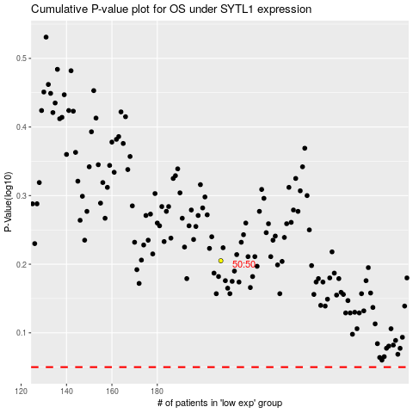

 |  |  |  |  |  | cases_OS | p_OS | rank | exp
 |  |  |  |  |  |  | cases_RFS | p_RFS | rank | exp

